PRKAB1 _multivariate
Reported by Tex Li-Hsing Chi. tex@gate.sinica.edu.tw 2019-08-16

Table 2. The clinicopathological features of HNSCC cohort and PRKAB1 expression. (Chi square test)
Cutoff at -0.26 (49.8%)
 |  | PRKAB1 expression |  | PRKAB1 expression |  | (Optimised)
 | Features | Low | (%) | High | (%) | Case no | P-value | Remark | Matthews
Gender | Female | 142 | 34.2 | 164 | 39.5 | 415 | 0.0238 | 1 | 0
2 | Male | 65 | 15.7 | 44 | 10.6
Age at diagnosis | <=65y | 132 | 31.8 | 142 | 34.2 | 415 | 0.3874 | 0 | 0
4 | >65y | 75 | 18.1 | 66 | 15.9
Clinical T Status | T1+T2 | 80 | 19.3 | 69 | 16.6 | 415 | 0.2891 | 0 | 0
6 | T3+T4 | 127 | 30.6 | 139 | 33.5
Clinical N Status | N0 | 113 | 27.2 | 103 | 24.8 | 415 | 0.3495 | 1 | 0
8 | N1-3 | 94 | 22.7 | 105 | 25.3
Clinical M Status | M0 | 206 | 49.6 | 206 | 49.6 | 415 | 1 | 0 | 0
10 | M1 | 1 | 0.2 | 2 | 0.5
Clinical Stage | Stage I+II | 59 | 14.2 | 43 | 10.4 | 415 | 0.0822 | 0 | 0
12 | Stage III+IV | 148 | 35.7 | 165 | 39.8
Surgical Margin status | Negative | 160 | 38.6 | 158 | 38.1 | 415 | 0.8167 | 0 | 0
14 | Positive | 47 | 11.3 | 50 | 12
Tobacco Exposure | Low | 94 | 22.7 | 67 | 16.1 | 415 | 0.0065 | 1 | 0
16 | High | 113 | 27.2 | 141 | 34

Table 3. Univariate/Multivariate Cox's proportional hazards regression analyses on OS time of PRKAB1 gene expression in HNSCC

 |  | Univariate |  |  |  | Multivariate
 | Features | HR | CI95%(L) | CI95%(H) | P-value | HR | CI95%(L) | CI95%(H) | P-value
1 | Female | 1 |  |  |  | 1
Gender | Male | 1.157 | 0.843 | 1.587 | 0.367 | 1.17 | 0.834 | 1.642 | 0.362
11 | <=65y | 1 |  |  |  | 1
Age at diagnosis | >65y | 1.329 | 0.99 | 1.784 | 0.058 | 1.386 | 1.019 | 1.884 | 0.037
12 | T1+T2 | 1 |  |  |  | 1
Clinical T Status | T3+T4 | 1.409 | 1.028 | 1.931 | 0.033 | 2.213 | 1.171 | 4.183 | 0.014
13 | N0 | 1 |  |  |  | 1
Clinical N Status | N1-3 | 1.185 | 0.89 | 1.577 | 0.246 | 1.245 | 0.873 | 1.776 | 0.227
14 | M0 | 1 |  |  |  | 1
Clinical M Status | M1 | 4.097 | 1.009 | 16.644 | 0.049 | 9.434 | 2.058 | 43.248 | 0.004
15 | Stage I+II | 1 |  |  |  | 1
Clinical Stage | Stage III+IV | 1.245 | 0.882 | 1.759 | 0.213 | 0.515 | 0.24 | 1.106 | 0.089
16 | Negative | 1 |  |  |  | 1
Surgical Margin status | Positive | 1.591 | 1.155 | 2.191 | 0.004 | 1.663 | 1.204 | 2.298 | 0.002
17 | Low | 1 |  |  |  | 1
Tobacco Exposure | High | 1.364 | 1.008 | 1.844 | 0.044 | 1.479 | 1.072 | 2.042 | 0.017
18 | Low | 1 |  |  |  | 1
RNAseq(z-score) | High | 0.908 | 0.682 | 1.209 | 0.507 | 0.866 | 0.641 | 1.17 | 0.35

Table 4. Univariate/Multivariate Cox's proportional hazards regression analyses on RFS time of PRKAB1 gene expression in HNSCC

 |  | Univariate |  |  |  | Multivariate
 | Features | HR | CI95%(L) | CI95%(H) | P-value | HR | CI95%(L) | CI95%(H) | P-value
1 | Female | 1 |  |  |  | 1
Gender | Male | 1.157 | 0.843 | 1.587 | 0.367 | 1.17 | 0.834 | 1.642 | 0.362
11 | <=65y | 1 |  |  |  | 1
Age at diagnosis | >65y | 1.329 | 0.99 | 1.784 | 0.058 | 1.386 | 1.019 | 1.884 | 0.037
12 | T1+T2 | 1 |  |  |  | 1
Clinical T Status | T3+T4 | 1.409 | 1.028 | 1.931 | 0.033 | 2.213 | 1.171 | 4.183 | 0.014
13 | N0 | 1 |  |  |  | 1
Clinical N Status | N1-3 | 1.185 | 0.89 | 1.577 | 0.246 | 1.245 | 0.873 | 1.776 | 0.227
14 | M0 | 1 |  |  |  | 1
Clinical M Status | M1 | 4.097 | 1.009 | 16.644 | 0.049 | 9.434 | 2.058 | 43.248 | 0.004
15 | Stage I+II | 1 |  |  |  | 1
Clinical Stage | Stage III+IV | 1.245 | 0.882 | 1.759 | 0.213 | 0.515 | 0.24 | 1.106 | 0.089
16 | Negative | 1 |  |  |  | 1
Surgical Margin status | Positive | 1.591 | 1.155 | 2.191 | 0.004 | 1.663 | 1.204 | 2.298 | 0.002
17 | Low | 1 |  |  |  | 1
Tobacco Exposure | High | 1.364 | 1.008 | 1.844 | 0.044 | 1.479 | 1.072 | 2.042 | 0.017
18 | Low | 1 |  |  |  | 1
RNAseq(z-score) | High | 0.908 | 0.682 | 1.209 | 0.507 | 0.866 | 0.641 | 1.17 | 0.35

Kaplan-Meier survival estimate: Cutoff at -0.26 (49.8%)



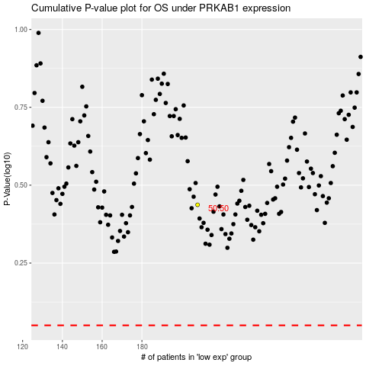

 |  |  |  |  |  | cases_OS | p_OS | rank | exp
 |  |  |  |  |  |  | cases_RFS | p_RFS | rank | exp

