PRKAG1 _multivariate
Reported by Tex Li-Hsing Chi. tex@gate.sinica.edu.tw 2019-08-16

Table 2. The clinicopathological features of HNSCC cohort and PRKAG1 expression. (Chi square test)
Cutoff at -0.09 (53.1%)
 |  | PRKAG1 expression |  | PRKAG1 expression |  | (Optimised)
 | Features | Low | (%) | High | (%) | Case no | P-value | Remark | Matthews
Gender | Female | 170 | 41 | 136 | 32.8 | 415 | 0.1036 | 0 | 0
2 | Male | 50 | 12 | 59 | 14.2
Age at diagnosis | <=65y | 145 | 34.9 | 129 | 31.1 | 415 | 1 | 0 | 0
4 | >65y | 75 | 18.1 | 66 | 15.9
Clinical T Status | T1+T2 | 79 | 19 | 70 | 16.9 | 415 | 1 | 0 | 0
6 | T3+T4 | 141 | 34 | 125 | 30.1
Clinical N Status | N0 | 119 | 28.7 | 97 | 23.4 | 415 | 0.4317 | 0 | 0
8 | N1-3 | 101 | 24.3 | 98 | 23.6
Clinical M Status | M0 | 220 | 53 | 192 | 46.3 | 415 | 0.1029 | 0 | 0
10 | M1 | 0 | 0 | 3 | 0.7
Clinical Stage | Stage I+II | 55 | 13.3 | 47 | 11.3 | 415 | 0.9222 | 0 | 0
12 | Stage III+IV | 165 | 39.8 | 148 | 35.7
Surgical Margin status | Negative | 175 | 42.2 | 143 | 34.5 | 415 | 0.163 | 0 | 0
14 | Positive | 45 | 10.8 | 52 | 12.5
Tobacco Exposure | Low | 80 | 19.3 | 81 | 19.5 | 415 | 0.3131 | 0 | 0
16 | High | 140 | 33.7 | 114 | 27.5

Table 3. Univariate/Multivariate Cox's proportional hazards regression analyses on OS time of PRKAG1 gene expression in HNSCC

 |  | Univariate |  |  |  | Multivariate
 | Features | HR | CI95%(L) | CI95%(H) | P-value | HR | CI95%(L) | CI95%(H) | P-value
1 | Female | 1 |  |  |  | 1
Gender | Male | 1.157 | 0.843 | 1.587 | 0.367 | 1.179 | 0.845 | 1.646 | 0.332
11 | <=65y | 1 |  |  |  | 1
Age at diagnosis | >65y | 1.329 | 0.99 | 1.784 | 0.058 | 1.396 | 1.027 | 1.899 | 0.033
12 | T1+T2 | 1 |  |  |  | 1
Clinical T Status | T3+T4 | 1.409 | 1.028 | 1.931 | 0.033 | 2.142 | 1.132 | 4.054 | 0.019
13 | N0 | 1 |  |  |  | 1
Clinical N Status | N1-3 | 1.185 | 0.89 | 1.577 | 0.246 | 1.218 | 0.853 | 1.739 | 0.278
14 | M0 | 1 |  |  |  | 1
Clinical M Status | M1 | 4.097 | 1.009 | 16.644 | 0.049 | 8.161 | 1.762 | 37.788 | 0.007
15 | Stage I+II | 1 |  |  |  | 1
Clinical Stage | Stage III+IV | 1.245 | 0.882 | 1.759 | 0.213 | 0.53 | 0.246 | 1.141 | 0.105
16 | Negative | 1 |  |  |  | 1
Surgical Margin status | Positive | 1.591 | 1.155 | 2.191 | 0.004 | 1.617 | 1.168 | 2.241 | 0.004
17 | Low | 1 |  |  |  | 1
Tobacco Exposure | High | 1.364 | 1.008 | 1.844 | 0.044 | 1.457 | 1.059 | 2.006 | 0.021
18 | Low | 1 |  |  |  | 1
RNAseq(z-score) | High | 1.343 | 1.008 | 1.789 | 0.044 | 1.25 | 0.932 | 1.676 | 0.136

Table 4. Univariate/Multivariate Cox's proportional hazards regression analyses on RFS time of PRKAG1 gene expression in HNSCC

 |  | Univariate |  |  |  | Multivariate
 | Features | HR | CI95%(L) | CI95%(H) | P-value | HR | CI95%(L) | CI95%(H) | P-value
1 | Female | 1 |  |  |  | 1
Gender | Male | 1.157 | 0.843 | 1.587 | 0.367 | 1.179 | 0.845 | 1.646 | 0.332
11 | <=65y | 1 |  |  |  | 1
Age at diagnosis | >65y | 1.329 | 0.99 | 1.784 | 0.058 | 1.396 | 1.027 | 1.899 | 0.033
12 | T1+T2 | 1 |  |  |  | 1
Clinical T Status | T3+T4 | 1.409 | 1.028 | 1.931 | 0.033 | 2.142 | 1.132 | 4.054 | 0.019
13 | N0 | 1 |  |  |  | 1
Clinical N Status | N1-3 | 1.185 | 0.89 | 1.577 | 0.246 | 1.218 | 0.853 | 1.739 | 0.278
14 | M0 | 1 |  |  |  | 1
Clinical M Status | M1 | 4.097 | 1.009 | 16.644 | 0.049 | 8.161 | 1.762 | 37.788 | 0.007
15 | Stage I+II | 1 |  |  |  | 1
Clinical Stage | Stage III+IV | 1.245 | 0.882 | 1.759 | 0.213 | 0.53 | 0.246 | 1.141 | 0.105
16 | Negative | 1 |  |  |  | 1
Surgical Margin status | Positive | 1.591 | 1.155 | 2.191 | 0.004 | 1.617 | 1.168 | 2.241 | 0.004
17 | Low | 1 |  |  |  | 1
Tobacco Exposure | High | 1.364 | 1.008 | 1.844 | 0.044 | 1.457 | 1.059 | 2.006 | 0.021
18 | Low | 1 |  |  |  | 1
RNAseq(z-score) | High | 1.343 | 1.008 | 1.789 | 0.044 | 1.25 | 0.932 | 1.676 | 0.136

Kaplan-Meier survival estimate: Cutoff at -0.09 (53.1%)



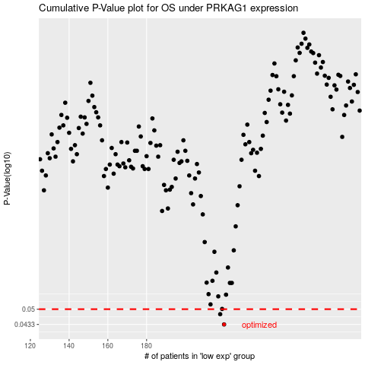

 |  |  |  |  |  | cases_OS | p_OS | rank | exp
 |  |  |  |  |  | 220 | 0.0433 | 133 | -0.089868451947
 |  |  |  |  |  | 218 | 0.0477 | 218 | -0.10375537062
 |  |  |  |  |  |  | cases_RFS | p_RFS | rank | exp
 |  |  |  |  |  |  | 219 | 0.0433 | 316 | -0.091789704581
 |  |  |  |  |  |  | 217 | 0.0477 | 134 | -0.10430572586

