PRKAR1A _multivariate
Reported by Tex Li-Hsing Chi. tex@gate.sinica.edu.tw 2019-08-16

Table 2. The clinicopathological features of HNSCC cohort and PRKAR1A expression. (Chi square test)
Cutoff at -0.139 (50.0%)
 |  | PRKAR1A expression |  | PRKAR1A expression |  | (Optimised)
 | Features | Low | (%) | High | (%) | Case no | P-value | Remark | Matthews
Gender | Female | 161 | 38.8 | 145 | 34.9 | 415 | 0.0792 | 0 | 0
2 | Male | 46 | 11.1 | 63 | 15.2
Age at diagnosis | <=65y | 141 | 34 | 133 | 32 | 415 | 0.4272 | 0 | 0
4 | >65y | 66 | 15.9 | 75 | 18.1
Clinical T Status | T1+T2 | 69 | 16.6 | 80 | 19.3 | 415 | 0.3239 | 0 | 0
6 | T3+T4 | 138 | 33.3 | 128 | 30.8
Clinical N Status | N0 | 105 | 25.3 | 111 | 26.7 | 415 | 0.6598 | 0 | 0
8 | N1-3 | 102 | 24.6 | 97 | 23.4
Clinical M Status | M0 | 204 | 49.2 | 208 | 50.1 | 415 | 0.1232 | 0 | 0
10 | M1 | 3 | 0.7 | 0 | 0
Clinical Stage | Stage I+II | 45 | 10.8 | 57 | 13.7 | 415 | 0.2202 | 0 | 0
12 | Stage III+IV | 162 | 39 | 151 | 36.4
Surgical Margin status | Negative | 154 | 37.1 | 164 | 39.5 | 415 | 0.2984 | 0 | 0
14 | Positive | 53 | 12.8 | 44 | 10.6
Tobacco Exposure | Low | 78 | 18.8 | 83 | 20 | 415 | 0.6873 | 0 | 0
16 | High | 129 | 31.1 | 125 | 30.1

Table 3. Univariate/Multivariate Cox's proportional hazards regression analyses on OS time of PRKAR1A gene expression in HNSCC

 |  | Univariate |  |  |  | Multivariate
 | Features | HR | CI95%(L) | CI95%(H) | P-value | HR | CI95%(L) | CI95%(H) | P-value
1 | Female | 1 |  |  |  | 1
Gender | Male | 1.157 | 0.843 | 1.587 | 0.367 | 1.192 | 0.854 | 1.664 | 0.301
11 | <=65y | 1 |  |  |  | 1
Age at diagnosis | >65y | 1.329 | 0.99 | 1.784 | 0.058 | 1.382 | 1.016 | 1.882 | 0.04
12 | T1+T2 | 1 |  |  |  | 1
Clinical T Status | T3+T4 | 1.409 | 1.028 | 1.931 | 0.033 | 2.266 | 1.197 | 4.289 | 0.012
13 | N0 | 1 |  |  |  | 1
Clinical N Status | N1-3 | 1.185 | 0.89 | 1.577 | 0.246 | 1.257 | 0.881 | 1.795 | 0.208
14 | M0 | 1 |  |  |  | 1
Clinical M Status | M1 | 4.097 | 1.009 | 16.644 | 0.049 | 10.742 | 2.32 | 49.732 | 0.002
15 | Stage I+II | 1 |  |  |  | 1
Clinical Stage | Stage III+IV | 1.245 | 0.882 | 1.759 | 0.213 | 0.5 | 0.233 | 1.074 | 0.075
16 | Negative | 1 |  |  |  | 1
Surgical Margin status | Positive | 1.591 | 1.155 | 2.191 | 0.004 | 1.714 | 1.238 | 2.373 | 0.001
17 | Low | 1 |  |  |  | 1
Tobacco Exposure | High | 1.364 | 1.008 | 1.844 | 0.044 | 1.462 | 1.061 | 2.014 | 0.02
18 | Low | 1 |  |  |  | 1
RNAseq(z-score) | High | 1.137 | 0.854 | 1.515 | 0.38 | 1.26 | 0.941 | 1.688 | 0.121

Table 4. Univariate/Multivariate Cox's proportional hazards regression analyses on RFS time of PRKAR1A gene expression in HNSCC

 |  | Univariate |  |  |  | Multivariate
 | Features | HR | CI95%(L) | CI95%(H) | P-value | HR | CI95%(L) | CI95%(H) | P-value
1 | Female | 1 |  |  |  | 1
Gender | Male | 1.157 | 0.843 | 1.587 | 0.367 | 1.192 | 0.854 | 1.664 | 0.301
11 | <=65y | 1 |  |  |  | 1
Age at diagnosis | >65y | 1.329 | 0.99 | 1.784 | 0.058 | 1.382 | 1.016 | 1.882 | 0.04
12 | T1+T2 | 1 |  |  |  | 1
Clinical T Status | T3+T4 | 1.409 | 1.028 | 1.931 | 0.033 | 2.266 | 1.197 | 4.289 | 0.012
13 | N0 | 1 |  |  |  | 1
Clinical N Status | N1-3 | 1.185 | 0.89 | 1.577 | 0.246 | 1.257 | 0.881 | 1.795 | 0.208
14 | M0 | 1 |  |  |  | 1
Clinical M Status | M1 | 4.097 | 1.009 | 16.644 | 0.049 | 10.742 | 2.32 | 49.732 | 0.002
15 | Stage I+II | 1 |  |  |  | 1
Clinical Stage | Stage III+IV | 1.245 | 0.882 | 1.759 | 0.213 | 0.5 | 0.233 | 1.074 | 0.075
16 | Negative | 1 |  |  |  | 1
Surgical Margin status | Positive | 1.591 | 1.155 | 2.191 | 0.004 | 1.714 | 1.238 | 2.373 | 0.001
17 | Low | 1 |  |  |  | 1
Tobacco Exposure | High | 1.364 | 1.008 | 1.844 | 0.044 | 1.462 | 1.061 | 2.014 | 0.02
18 | Low | 1 |  |  |  | 1
RNAseq(z-score) | High | 1.137 | 0.854 | 1.515 | 0.38 | 1.26 | 0.941 | 1.688 | 0.121

Kaplan-Meier survival estimate: Cutoff at -0.139 (50.0%)



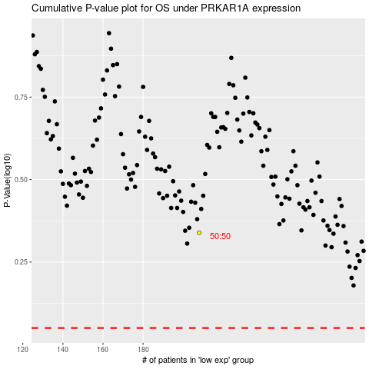

 |  |  |  |  |  | cases_OS | p_OS | rank | exp
 |  |  |  |  |  |  | cases_RFS | p_RFS | rank | exp

