PRKAR2B _multivariate
Reported by Tex Li-Hsing Chi. tex@gate.sinica.edu.tw 2019-08-16

Table 2. The clinicopathological features of HNSCC cohort and PRKAR2B expression. (Chi square test)
Cutoff at -0.272 (57.0%)
 |  | PRKAR2B expression |  | PRKAR2B expression |  | (Optimised)
 | Features | Low | (%) | High | (%) | Case no | P-value | Remark | Matthews
Gender | Female | 184 | 44.3 | 122 | 29.4 | 415 | 0.0486 | 1 | 0
2 | Male | 53 | 12.8 | 56 | 13.5
Age at diagnosis | <=65y | 157 | 37.8 | 117 | 28.2 | 415 | 0.9962 | 0 | 0
4 | >65y | 80 | 19.3 | 61 | 14.7
Clinical T Status | T1+T2 | 73 | 17.6 | 76 | 18.3 | 415 | 0.0165 | 1 | 0
6 | T3+T4 | 164 | 39.5 | 102 | 24.6
Clinical N Status | N0 | 125 | 30.1 | 91 | 21.9 | 415 | 0.8201 | 0 | 0
8 | N1-3 | 112 | 27 | 87 | 21
Clinical M Status | M0 | 234 | 56.4 | 178 | 42.9 | 415 | 0.2634 | 0 | 0
10 | M1 | 3 | 0.7 | 0 | 0
Clinical Stage | Stage I+II | 54 | 13 | 48 | 11.6 | 415 | 0.3876 | 0 | 0
12 | Stage III+IV | 183 | 44.1 | 130 | 31.3
Surgical Margin status | Negative | 181 | 43.6 | 137 | 33 | 415 | 0.9072 | 0 | 0
14 | Positive | 56 | 13.5 | 41 | 9.9
Tobacco Exposure | Low | 90 | 21.7 | 71 | 17.1 | 415 | 0.7602 | 0 | 0
16 | High | 147 | 35.4 | 107 | 25.8

Table 3. Univariate/Multivariate Cox's proportional hazards regression analyses on OS time of PRKAR2B gene expression in HNSCC

 |  | Univariate |  |  |  | Multivariate
 | Features | HR | CI95%(L) | CI95%(H) | P-value | HR | CI95%(L) | CI95%(H) | P-value
1 | Female | 1 |  |  |  | 1
Gender | Male | 1.157 | 0.843 | 1.587 | 0.367 | 1.247 | 0.889 | 1.748 | 0.201
11 | <=65y | 1 |  |  |  | 1
Age at diagnosis | >65y | 1.329 | 0.99 | 1.784 | 0.058 | 1.384 | 1.019 | 1.88 | 0.038
12 | T1+T2 | 1 |  |  |  | 1
Clinical T Status | T3+T4 | 1.409 | 1.028 | 1.931 | 0.033 | 2.035 | 1.073 | 3.86 | 0.03
13 | N0 | 1 |  |  |  | 1
Clinical N Status | N1-3 | 1.185 | 0.89 | 1.577 | 0.246 | 1.268 | 0.888 | 1.811 | 0.191
14 | M0 | 1 |  |  |  | 1
Clinical M Status | M1 | 4.097 | 1.009 | 16.644 | 0.049 | 7.686 | 1.662 | 35.555 | 0.009
15 | Stage I+II | 1 |  |  |  | 1
Clinical Stage | Stage III+IV | 1.245 | 0.882 | 1.759 | 0.213 | 0.534 | 0.248 | 1.146 | 0.107
16 | Negative | 1 |  |  |  | 1
Surgical Margin status | Positive | 1.591 | 1.155 | 2.191 | 0.004 | 1.687 | 1.22 | 2.332 | 0.002
17 | Low | 1 |  |  |  | 1
Tobacco Exposure | High | 1.364 | 1.008 | 1.844 | 0.044 | 1.444 | 1.045 | 1.994 | 0.026
18 | Low | 1 |  |  |  | 1
RNAseq(z-score) | High | 0.692 | 0.515 | 0.931 | 0.015 | 0.712 | 0.526 | 0.963 | 0.028

Table 4. Univariate/Multivariate Cox's proportional hazards regression analyses on RFS time of PRKAR2B gene expression in HNSCC

 |  | Univariate |  |  |  | Multivariate
 | Features | HR | CI95%(L) | CI95%(H) | P-value | HR | CI95%(L) | CI95%(H) | P-value
1 | Female | 1 |  |  |  | 1
Gender | Male | 1.157 | 0.843 | 1.587 | 0.367 | 1.247 | 0.889 | 1.748 | 0.201
11 | <=65y | 1 |  |  |  | 1
Age at diagnosis | >65y | 1.329 | 0.99 | 1.784 | 0.058 | 1.384 | 1.019 | 1.88 | 0.038
12 | T1+T2 | 1 |  |  |  | 1
Clinical T Status | T3+T4 | 1.409 | 1.028 | 1.931 | 0.033 | 2.035 | 1.073 | 3.86 | 0.03
13 | N0 | 1 |  |  |  | 1
Clinical N Status | N1-3 | 1.185 | 0.89 | 1.577 | 0.246 | 1.268 | 0.888 | 1.811 | 0.191
14 | M0 | 1 |  |  |  | 1
Clinical M Status | M1 | 4.097 | 1.009 | 16.644 | 0.049 | 7.686 | 1.662 | 35.555 | 0.009
15 | Stage I+II | 1 |  |  |  | 1
Clinical Stage | Stage III+IV | 1.245 | 0.882 | 1.759 | 0.213 | 0.534 | 0.248 | 1.146 | 0.107
16 | Negative | 1 |  |  |  | 1
Surgical Margin status | Positive | 1.591 | 1.155 | 2.191 | 0.004 | 1.687 | 1.22 | 2.332 | 0.002
17 | Low | 1 |  |  |  | 1
Tobacco Exposure | High | 1.364 | 1.008 | 1.844 | 0.044 | 1.444 | 1.045 | 1.994 | 0.026
18 | Low | 1 |  |  |  | 1
RNAseq(z-score) | High | 0.692 | 0.515 | 0.931 | 0.015 | 0.712 | 0.526 | 0.963 | 0.028

Kaplan-Meier survival estimate: Cutoff at -0.272 (57.0%)

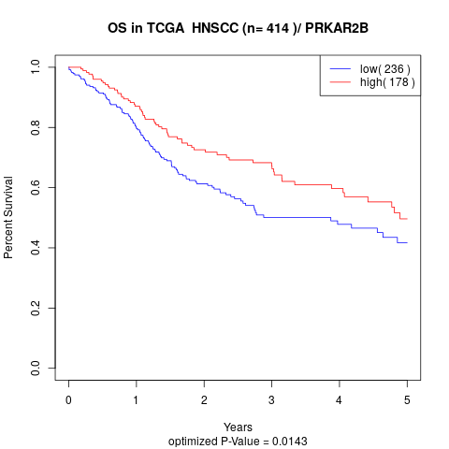

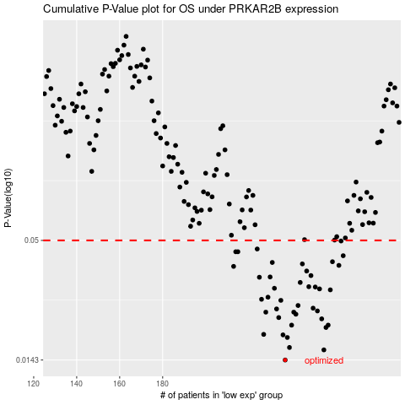

 |  |  |  |  |  | cases_OS | p_OS | rank | exp
 |  |  |  |  |  | 237 | 0.0143 | 128 | -0.27171907873
 |  |  |  |  |  | 255 | 0.0159 | 34 | -0.21022887095
 |  |  |  |  |  | 239 | 0.0163 | 130 | -0.26943551552
 |  |  |  |  |  | 238 | 0.0181 | 254 | -0.26956486534
 |  |  |  |  |  | 236 | 0.0186 | 143 | -0.27378005247
 |  |  |  |  |  | 227 | 0.0187 | 116 | -0.29217898589
 |  |  |  |  |  | 256 | 0.0201 | 172 | -0.20777499715
 |  |  |  |  |  | 257 | 0.0206 | 231 | -0.19709663087
 |  |  |  |  |  | 240 | 0.0206 | 354 | -0.26890572023
 |  |  |  |  |  | 254 | 0.022 | 69 | -0.22424284561
 |  |  |  |  |  | 234 | 0.0223 | 134 | -0.27824100425
 |  |  |  |  |  | 242 | 0.0231 | 318 | -0.25616476335
 |  |  |  |  |  | 241 | 0.0236 | 228 | -0.26274058462
 |  |  |  |  |  | 228 | 0.0236 | 310 | -0.29185938406
 |  |  |  |  |  | 252 | 0.0239 | 60 | -0.22665198593
 |  |  |  |  |  | 233 | 0.0244 | 243 | -0.27985841591
 |  |  |  |  |  | 250 | 0.0246 | 6 | -0.22919640461
 |  |  |  |  |  | 243 | 0.0253 | 40 | -0.25515852957
 |  |  |  |  |  | 235 | 0.0267 | 224 | -0.2777349231
 |  |  |  |  |  | 226 | 0.027 | 85 | -0.29322887523
 |  |  |  |  |  | 229 | 0.0276 | 365 | -0.28843161393
 |  |  |  |  |  | 258 | 0.0298 | 111 | -0.19544795967
 |  |  |  |  |  | 253 | 0.0301 | 68 | -0.2251256581
 |  |  |  |  |  | 232 | 0.0303 | 405 | -0.28098268139
 |  |  |  |  |  | 251 | 0.0307 | 236 | -0.22836155933
 |  |  |  |  |  | 248 | 0.0308 | 386 | -0.23564125919
 |  |  |  |  |  | 244 | 0.0322 | 174 | -0.24824693773
 |  |  |  |  |  | 225 | 0.034 | 161 | -0.29348164633
 |  |  |  |  |  | 230 | 0.0341 | 102 | -0.28713326515
 |  |  |  |  |  | 249 | 0.0346 | 389 | -0.22924059913
 |  |  |  |  |  | 247 | 0.0363 | 153 | -0.23584282932
 |  |  |  |  |  | 213 | 0.0381 | 311 | -0.31684922957
 |  |  |  |  |  | 262 | 0.0385 | 122 | -0.17693099454
 |  |  |  |  |  | 245 | 0.0391 | 282 | -0.24799039393
 |  |  |  |  |  | 231 | 0.0397 | 385 | -0.28338212048
 |  |  |  |  |  | 259 | 0.04 | 105 | -0.19121983756
 |  |  |  |  |  | 264 | 0.0426 | 262 | -0.17364874296
 |  |  |  |  |  | 215 | 0.0444 | 110 | -0.31334438851
 |  |  |  |  |  | 214 | 0.0444 | 333 | -0.31582521019
 |  |  |  |  |  | 224 | 0.0457 | 114 | -0.29381094941
 |  |  |  |  |  | 263 | 0.0497 | 322 | -0.17414188913
 |  |  |  |  |  |  | cases_RFS | p_RFS | rank | exp
 |  |  |  |  |  |  | 236 | 0.0143 | 143 | -0.27378005247
 |  |  |  |  |  |  | 254 | 0.0159 | 69 | -0.22424284561
 |  |  |  |  |  |  | 238 | 0.0163 | 254 | -0.26956486534
 |  |  |  |  |  |  | 237 | 0.0181 | 128 | -0.27171907873
 |  |  |  |  |  |  | 235 | 0.0186 | 224 | -0.2777349231
 |  |  |  |  |  |  | 226 | 0.0187 | 85 | -0.29322887523
 |  |  |  |  |  |  | 255 | 0.0201 | 34 | -0.21022887095
 |  |  |  |  |  |  | 239 | 0.0206 | 130 | -0.26943551552
 |  |  |  |  |  |  | 256 | 0.0206 | 172 | -0.20777499715
 |  |  |  |  |  |  | 253 | 0.022 | 68 | -0.2251256581
 |  |  |  |  |  |  | 233 | 0.0223 | 243 | -0.27985841591
 |  |  |  |  |  |  | 241 | 0.0231 | 228 | -0.26274058462
 |  |  |  |  |  |  | 227 | 0.0236 | 116 | -0.29217898589
 |  |  |  |  |  |  | 240 | 0.0236 | 354 | -0.26890572023
 |  |  |  |  |  |  | 251 | 0.0239 | 236 | -0.22836155933
 |  |  |  |  |  |  | 232 | 0.0244 | 405 | -0.28098268139
 |  |  |  |  |  |  | 249 | 0.0246 | 389 | -0.22924059913
 |  |  |  |  |  |  | 242 | 0.0253 | 318 | -0.25616476335
 |  |  |  |  |  |  | 234 | 0.0267 | 134 | -0.27824100425
 |  |  |  |  |  |  | 225 | 0.027 | 161 | -0.29348164633
 |  |  |  |  |  |  | 228 | 0.0276 | 310 | -0.29185938406
 |  |  |  |  |  |  | 257 | 0.0298 | 231 | -0.19709663087
 |  |  |  |  |  |  | 252 | 0.0301 | 60 | -0.22665198593
 |  |  |  |  |  |  | 231 | 0.0303 | 385 | -0.28338212048
 |  |  |  |  |  |  | 250 | 0.0307 | 6 | -0.22919640461
 |  |  |  |  |  |  | 247 | 0.0308 | 153 | -0.23584282932
 |  |  |  |  |  |  | 243 | 0.0322 | 40 | -0.25515852957
 |  |  |  |  |  |  | 224 | 0.034 | 114 | -0.29381094941
 |  |  |  |  |  |  | 229 | 0.0341 | 365 | -0.28843161393
 |  |  |  |  |  |  | 248 | 0.0346 | 386 | -0.23564125919
 |  |  |  |  |  |  | 246 | 0.0363 | 21 | -0.23944576066
 |  |  |  |  |  |  | 212 | 0.0381 | 201 | -0.32390633995
 |  |  |  |  |  |  | 261 | 0.0385 | 355 | -0.17742899133
 |  |  |  |  |  |  | 244 | 0.0391 | 174 | -0.24824693773
 |  |  |  |  |  |  | 230 | 0.0397 | 102 | -0.28713326515
 |  |  |  |  |  |  | 258 | 0.04 | 111 | -0.19544795967
 |  |  |  |  |  |  | 263 | 0.0426 | 322 | -0.17414188913
 |  |  |  |  |  |  | 213 | 0.0444 | 311 | -0.31684922957
 |  |  |  |  |  |  | 214 | 0.0444 | 333 | -0.31582521019
 |  |  |  |  |  |  | 223 | 0.0457 | 54 | -0.29909596731
 |  |  |  |  |  |  | 262 | 0.0497 | 122 | -0.17693099454

