PRKCB _multivariate
Reported by Tex Li-Hsing Chi. tex@gate.sinica.edu.tw 2019-08-16

Table 2. The clinicopathological features of HNSCC cohort and PRKCB expression. (Chi square test)
Cutoff at -0.335 (49.8%)
 |  | PRKCB expression |  | PRKCB expression |  | (Optimised)
 | Features | Low | (%) | High | (%) | Case no | P-value | Remark | Matthews
Gender | Female | 164 | 39.5 | 142 | 34.2 | 415 | 0.0153 | 1 | 0
2 | Male | 43 | 10.4 | 66 | 15.9
Age at diagnosis | <=65y | 142 | 34.2 | 132 | 31.8 | 415 | 0.3167 | 0 | 0
4 | >65y | 65 | 15.7 | 76 | 18.3
Clinical T Status | T1+T2 | 65 | 15.7 | 84 | 20.2 | 415 | 0.0711 | 0 | 0
6 | T3+T4 | 142 | 34.2 | 124 | 29.9
Clinical N Status | N0 | 108 | 26 | 108 | 26 | 415 | 1 | 0 | 0
8 | N1-3 | 99 | 23.9 | 100 | 24.1
Clinical M Status | M0 | 205 | 49.4 | 207 | 49.9 | 415 | 0.6232 | 0 | 0
10 | M1 | 2 | 0.5 | 1 | 0.2
Clinical Stage | Stage I+II | 45 | 10.8 | 57 | 13.7 | 415 | 0.2202 | 0 | 0
12 | Stage III+IV | 162 | 39 | 151 | 36.4
Surgical Margin status | Negative | 150 | 36.1 | 168 | 40.5 | 415 | 0.0492 | 1 | 0
14 | Positive | 57 | 13.7 | 40 | 9.6
Tobacco Exposure | Low | 69 | 16.6 | 92 | 22.2 | 415 | 0.0266 | 1 | 0
16 | High | 138 | 33.3 | 116 | 28

Table 3. Univariate/Multivariate Cox's proportional hazards regression analyses on OS time of PRKCB gene expression in HNSCC

 |  | Univariate |  |  |  | Multivariate
 | Features | HR | CI95%(L) | CI95%(H) | P-value | HR | CI95%(L) | CI95%(H) | P-value
1 | Female | 1 |  |  |  | 1
Gender | Male | 1.157 | 0.843 | 1.587 | 0.367 | 1.229 | 0.878 | 1.723 | 0.23
11 | <=65y | 1 |  |  |  | 1
Age at diagnosis | >65y | 1.329 | 0.99 | 1.784 | 0.058 | 1.398 | 1.029 | 1.9 | 0.032
12 | T1+T2 | 1 |  |  |  | 1
Clinical T Status | T3+T4 | 1.409 | 1.028 | 1.931 | 0.033 | 2.179 | 1.152 | 4.121 | 0.017
13 | N0 | 1 |  |  |  | 1
Clinical N Status | N1-3 | 1.185 | 0.89 | 1.577 | 0.246 | 1.242 | 0.87 | 1.772 | 0.233
14 | M0 | 1 |  |  |  | 1
Clinical M Status | M1 | 4.097 | 1.009 | 16.644 | 0.049 | 9.191 | 2.004 | 42.157 | 0.004
15 | Stage I+II | 1 |  |  |  | 1
Clinical Stage | Stage III+IV | 1.245 | 0.882 | 1.759 | 0.213 | 0.509 | 0.237 | 1.093 | 0.083
16 | Negative | 1 |  |  |  | 1
Surgical Margin status | Positive | 1.591 | 1.155 | 2.191 | 0.004 | 1.661 | 1.201 | 2.296 | 0.002
17 | Low | 1 |  |  |  | 1
Tobacco Exposure | High | 1.364 | 1.008 | 1.844 | 0.044 | 1.428 | 1.034 | 1.972 | 0.031
18 | Low | 1 |  |  |  | 1
RNAseq(z-score) | High | 0.827 | 0.621 | 1.102 | 0.196 | 0.851 | 0.635 | 1.141 | 0.282

Table 4. Univariate/Multivariate Cox's proportional hazards regression analyses on RFS time of PRKCB gene expression in HNSCC

 |  | Univariate |  |  |  | Multivariate
 | Features | HR | CI95%(L) | CI95%(H) | P-value | HR | CI95%(L) | CI95%(H) | P-value
1 | Female | 1 |  |  |  | 1
Gender | Male | 1.157 | 0.843 | 1.587 | 0.367 | 1.229 | 0.878 | 1.723 | 0.23
11 | <=65y | 1 |  |  |  | 1
Age at diagnosis | >65y | 1.329 | 0.99 | 1.784 | 0.058 | 1.398 | 1.029 | 1.9 | 0.032
12 | T1+T2 | 1 |  |  |  | 1
Clinical T Status | T3+T4 | 1.409 | 1.028 | 1.931 | 0.033 | 2.179 | 1.152 | 4.121 | 0.017
13 | N0 | 1 |  |  |  | 1
Clinical N Status | N1-3 | 1.185 | 0.89 | 1.577 | 0.246 | 1.242 | 0.87 | 1.772 | 0.233
14 | M0 | 1 |  |  |  | 1
Clinical M Status | M1 | 4.097 | 1.009 | 16.644 | 0.049 | 9.191 | 2.004 | 42.157 | 0.004
15 | Stage I+II | 1 |  |  |  | 1
Clinical Stage | Stage III+IV | 1.245 | 0.882 | 1.759 | 0.213 | 0.509 | 0.237 | 1.093 | 0.083
16 | Negative | 1 |  |  |  | 1
Surgical Margin status | Positive | 1.591 | 1.155 | 2.191 | 0.004 | 1.661 | 1.201 | 2.296 | 0.002
17 | Low | 1 |  |  |  | 1
Tobacco Exposure | High | 1.364 | 1.008 | 1.844 | 0.044 | 1.428 | 1.034 | 1.972 | 0.031
18 | Low | 1 |  |  |  | 1
RNAseq(z-score) | High | 0.827 | 0.621 | 1.102 | 0.196 | 0.851 | 0.635 | 1.141 | 0.282

Kaplan-Meier survival estimate: Cutoff at -0.335 (49.8%)



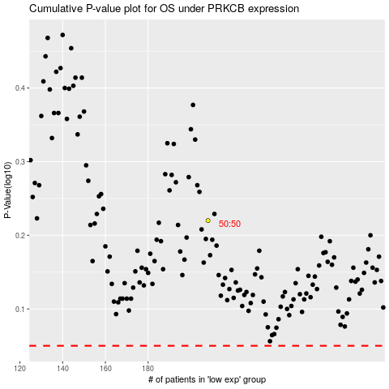

 |  |  |  |  |  | cases_OS | p_OS | rank | exp
 |  |  |  |  |  |  | cases_RFS | p_RFS | rank | exp

