PRKCDBP _multivariate
Reported by Tex Li-Hsing Chi. tex@gate.sinica.edu.tw 2019-08-16

Table 2. The clinicopathological features of HNSCC cohort and PRKCDBP expression. (Chi square test)
Cutoff at -0.21 (49.8%)
 |  | PRKCDBP expression |  | PRKCDBP expression |  | (Optimised)
 | Features | Low | (%) | High | (%) | Case no | P-value | Remark | Matthews
Gender | Female | 158 | 38.1 | 148 | 35.7 | 415 | 0.2774 | 0 | 0
2 | Male | 49 | 11.8 | 60 | 14.5
Age at diagnosis | <=65y | 138 | 33.3 | 136 | 32.8 | 415 | 0.8634 | 0 | 0
4 | >65y | 69 | 16.6 | 72 | 17.3
Clinical T Status | T1+T2 | 70 | 16.9 | 79 | 19 | 415 | 0.4343 | 0 | 0
6 | T3+T4 | 137 | 33 | 129 | 31.1
Clinical N Status | N0 | 107 | 25.8 | 109 | 26.3 | 415 | 0.9624 | 0 | 0
8 | N1-3 | 100 | 24.1 | 99 | 23.9
Clinical M Status | M0 | 206 | 49.6 | 206 | 49.6 | 415 | 1 | 0 | 0
10 | M1 | 1 | 0.2 | 2 | 0.5
Clinical Stage | Stage I+II | 43 | 10.4 | 59 | 14.2 | 415 | 0.0925 | 0 | 0
12 | Stage III+IV | 164 | 39.5 | 149 | 35.9
Surgical Margin status | Negative | 160 | 38.6 | 158 | 38.1 | 415 | 0.8167 | 0 | 0
14 | Positive | 47 | 11.3 | 50 | 12
Tobacco Exposure | Low | 78 | 18.8 | 83 | 20 | 415 | 0.6873 | 0 | 0
16 | High | 129 | 31.1 | 125 | 30.1

Table 3. Univariate/Multivariate Cox's proportional hazards regression analyses on OS time of PRKCDBP gene expression in HNSCC

 |  | Univariate |  |  |  | Multivariate
 | Features | HR | CI95%(L) | CI95%(H) | P-value | HR | CI95%(L) | CI95%(H) | P-value
1 | Female | 1 |  |  |  | 1
Gender | Male | 1.157 | 0.843 | 1.587 | 0.367 | 1.204 | 0.862 | 1.682 | 0.276
11 | <=65y | 1 |  |  |  | 1
Age at diagnosis | >65y | 1.329 | 0.99 | 1.784 | 0.058 | 1.392 | 1.024 | 1.893 | 0.035
12 | T1+T2 | 1 |  |  |  | 1
Clinical T Status | T3+T4 | 1.409 | 1.028 | 1.931 | 0.033 | 2.222 | 1.171 | 4.214 | 0.015
13 | N0 | 1 |  |  |  | 1
Clinical N Status | N1-3 | 1.185 | 0.89 | 1.577 | 0.246 | 1.248 | 0.873 | 1.785 | 0.225
14 | M0 | 1 |  |  |  | 1
Clinical M Status | M1 | 4.097 | 1.009 | 16.644 | 0.049 | 9.602 | 2.08 | 44.317 | 0.004
15 | Stage I+II | 1 |  |  |  | 1
Clinical Stage | Stage III+IV | 1.245 | 0.882 | 1.759 | 0.213 | 0.496 | 0.229 | 1.075 | 0.075
16 | Negative | 1 |  |  |  | 1
Surgical Margin status | Positive | 1.591 | 1.155 | 2.191 | 0.004 | 1.677 | 1.213 | 2.32 | 0.002
17 | Low | 1 |  |  |  | 1
Tobacco Exposure | High | 1.364 | 1.008 | 1.844 | 0.044 | 1.455 | 1.056 | 2.006 | 0.022
18 | Low | 1 |  |  |  | 1
RNAseq(z-score) | High | 1.028 | 0.771 | 1.372 | 0.85 | 0.959 | 0.714 | 1.288 | 0.779

Table 4. Univariate/Multivariate Cox's proportional hazards regression analyses on RFS time of PRKCDBP gene expression in HNSCC

 |  | Univariate |  |  |  | Multivariate
 | Features | HR | CI95%(L) | CI95%(H) | P-value | HR | CI95%(L) | CI95%(H) | P-value
1 | Female | 1 |  |  |  | 1
Gender | Male | 1.157 | 0.843 | 1.587 | 0.367 | 1.204 | 0.862 | 1.682 | 0.276
11 | <=65y | 1 |  |  |  | 1
Age at diagnosis | >65y | 1.329 | 0.99 | 1.784 | 0.058 | 1.392 | 1.024 | 1.893 | 0.035
12 | T1+T2 | 1 |  |  |  | 1
Clinical T Status | T3+T4 | 1.409 | 1.028 | 1.931 | 0.033 | 2.222 | 1.171 | 4.214 | 0.015
13 | N0 | 1 |  |  |  | 1
Clinical N Status | N1-3 | 1.185 | 0.89 | 1.577 | 0.246 | 1.248 | 0.873 | 1.785 | 0.225
14 | M0 | 1 |  |  |  | 1
Clinical M Status | M1 | 4.097 | 1.009 | 16.644 | 0.049 | 9.602 | 2.08 | 44.317 | 0.004
15 | Stage I+II | 1 |  |  |  | 1
Clinical Stage | Stage III+IV | 1.245 | 0.882 | 1.759 | 0.213 | 0.496 | 0.229 | 1.075 | 0.075
16 | Negative | 1 |  |  |  | 1
Surgical Margin status | Positive | 1.591 | 1.155 | 2.191 | 0.004 | 1.677 | 1.213 | 2.32 | 0.002
17 | Low | 1 |  |  |  | 1
Tobacco Exposure | High | 1.364 | 1.008 | 1.844 | 0.044 | 1.455 | 1.056 | 2.006 | 0.022
18 | Low | 1 |  |  |  | 1
RNAseq(z-score) | High | 1.028 | 0.771 | 1.372 | 0.85 | 0.959 | 0.714 | 1.288 | 0.779

Kaplan-Meier survival estimate: Cutoff at -0.21 (49.8%)

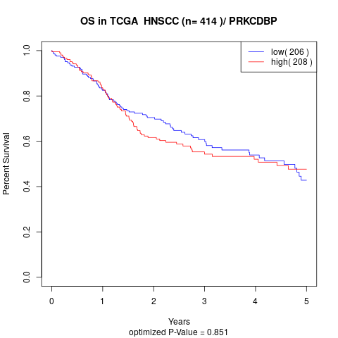

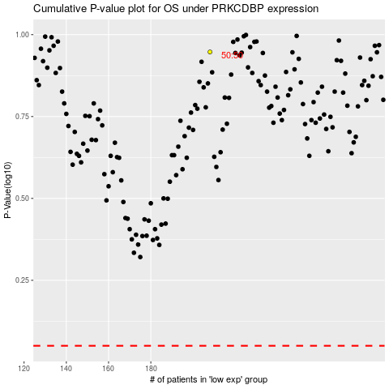

 |  |  |  |  |  | cases_OS | p_OS | rank | exp
 |  |  |  |  |  |  | cases_RFS | p_RFS | rank | exp

