PRKCG _multivariate
Reported by Tex Li-Hsing Chi. tex@gate.sinica.edu.tw 2019-08-16

Table 2. The clinicopathological features of HNSCC cohort and PRKCG expression. (Chi square test)
Cutoff at -0.193 (49.8%)
 |  | PRKCG expression |  | PRKCG expression |  | (Optimised)
 | Features | Low | (%) | High | (%) | Case no | P-value | Remark | Matthews
Gender | Female | 142 | 34.2 | 164 | 39.5 | 415 | 0.0238 | 1 | 0
2 | Male | 65 | 15.7 | 44 | 10.6
Age at diagnosis | <=65y | 135 | 32.5 | 139 | 33.5 | 415 | 0.8084 | 0 | 0
4 | >65y | 72 | 17.3 | 69 | 16.6
Clinical T Status | T1+T2 | 80 | 19.3 | 69 | 16.6 | 415 | 0.2891 | 0 | 0
6 | T3+T4 | 127 | 30.6 | 139 | 33.5
Clinical N Status | N0 | 114 | 27.5 | 102 | 24.6 | 415 | 0.2576 | 1 | 0
8 | N1-3 | 93 | 22.4 | 106 | 25.5
Clinical M Status | M0 | 206 | 49.6 | 206 | 49.6 | 415 | 1 | 0 | 0
10 | M1 | 1 | 0.2 | 2 | 0.5
Clinical Stage | Stage I+II | 58 | 14 | 44 | 10.6 | 415 | 0.131 | 0 | 0
12 | Stage III+IV | 149 | 35.9 | 164 | 39.5
Surgical Margin status | Negative | 165 | 39.8 | 153 | 36.9 | 415 | 0.1639 | 0 | 0
14 | Positive | 42 | 10.1 | 55 | 13.3
Tobacco Exposure | Low | 89 | 21.4 | 72 | 17.3 | 415 | 0.0872 | 0 | 0
16 | High | 118 | 28.4 | 136 | 32.8

Table 3. Univariate/Multivariate Cox's proportional hazards regression analyses on OS time of PRKCG gene expression in HNSCC

 |  | Univariate |  |  |  | Multivariate
 | Features | HR | CI95%(L) | CI95%(H) | P-value | HR | CI95%(L) | CI95%(H) | P-value
1 | Female | 1 |  |  |  | 1
Gender | Male | 1.157 | 0.843 | 1.587 | 0.367 | 1.198 | 0.858 | 1.673 | 0.288
11 | <=65y | 1 |  |  |  | 1
Age at diagnosis | >65y | 1.329 | 0.99 | 1.784 | 0.058 | 1.407 | 1.034 | 1.915 | 0.03
12 | T1+T2 | 1 |  |  |  | 1
Clinical T Status | T3+T4 | 1.409 | 1.028 | 1.931 | 0.033 | 2.214 | 1.171 | 4.188 | 0.014
13 | N0 | 1 |  |  |  | 1
Clinical N Status | N1-3 | 1.185 | 0.89 | 1.577 | 0.246 | 1.248 | 0.875 | 1.781 | 0.222
14 | M0 | 1 |  |  |  | 1
Clinical M Status | M1 | 4.097 | 1.009 | 16.644 | 0.049 | 9.767 | 2.126 | 44.878 | 0.003
15 | Stage I+II | 1 |  |  |  | 1
Clinical Stage | Stage III+IV | 1.245 | 0.882 | 1.759 | 0.213 | 0.507 | 0.236 | 1.089 | 0.082
16 | Negative | 1 |  |  |  | 1
Surgical Margin status | Positive | 1.591 | 1.155 | 2.191 | 0.004 | 1.701 | 1.228 | 2.357 | 0.001
17 | Low | 1 |  |  |  | 1
Tobacco Exposure | High | 1.364 | 1.008 | 1.844 | 0.044 | 1.46 | 1.059 | 2.012 | 0.021
18 | Low | 1 |  |  |  | 1
RNAseq(z-score) | High | 1.007 | 0.755 | 1.342 | 0.964 | 0.882 | 0.658 | 1.181 | 0.399

Table 4. Univariate/Multivariate Cox's proportional hazards regression analyses on RFS time of PRKCG gene expression in HNSCC

 |  | Univariate |  |  |  | Multivariate
 | Features | HR | CI95%(L) | CI95%(H) | P-value | HR | CI95%(L) | CI95%(H) | P-value
1 | Female | 1 |  |  |  | 1
Gender | Male | 1.157 | 0.843 | 1.587 | 0.367 | 1.198 | 0.858 | 1.673 | 0.288
11 | <=65y | 1 |  |  |  | 1
Age at diagnosis | >65y | 1.329 | 0.99 | 1.784 | 0.058 | 1.407 | 1.034 | 1.915 | 0.03
12 | T1+T2 | 1 |  |  |  | 1
Clinical T Status | T3+T4 | 1.409 | 1.028 | 1.931 | 0.033 | 2.214 | 1.171 | 4.188 | 0.014
13 | N0 | 1 |  |  |  | 1
Clinical N Status | N1-3 | 1.185 | 0.89 | 1.577 | 0.246 | 1.248 | 0.875 | 1.781 | 0.222
14 | M0 | 1 |  |  |  | 1
Clinical M Status | M1 | 4.097 | 1.009 | 16.644 | 0.049 | 9.767 | 2.126 | 44.878 | 0.003
15 | Stage I+II | 1 |  |  |  | 1
Clinical Stage | Stage III+IV | 1.245 | 0.882 | 1.759 | 0.213 | 0.507 | 0.236 | 1.089 | 0.082
16 | Negative | 1 |  |  |  | 1
Surgical Margin status | Positive | 1.591 | 1.155 | 2.191 | 0.004 | 1.701 | 1.228 | 2.357 | 0.001
17 | Low | 1 |  |  |  | 1
Tobacco Exposure | High | 1.364 | 1.008 | 1.844 | 0.044 | 1.46 | 1.059 | 2.012 | 0.021
18 | Low | 1 |  |  |  | 1
RNAseq(z-score) | High | 1.007 | 0.755 | 1.342 | 0.964 | 0.882 | 0.658 | 1.181 | 0.399

Kaplan-Meier survival estimate: Cutoff at -0.193 (49.8%)



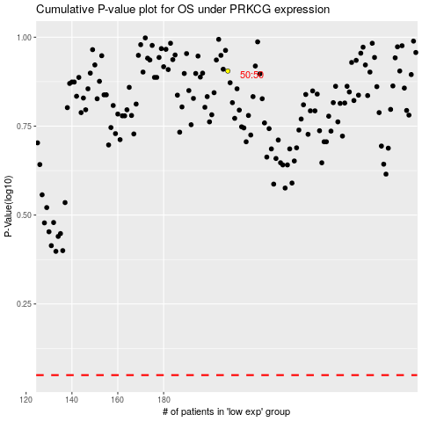

 |  |  |  |  |  | cases_OS | p_OS | rank | exp
 |  |  |  |  |  |  | cases_RFS | p_RFS | rank | exp

