PRKD2 _multivariate
Reported by Tex Li-Hsing Chi. tex@gate.sinica.edu.tw 2019-08-16

Table 2. The clinicopathological features of HNSCC cohort and PRKD2 expression. (Chi square test)
Cutoff at -0.045 (49.8%)
 |  | PRKD2 expression |  | PRKD2 expression |  | (Optimised)
 | Features | Low | (%) | High | (%) | Case no | P-value | Remark | Matthews
Gender | Female | 156 | 37.6 | 150 | 36.1 | 415 | 0.5222 | 0 | 0
2 | Male | 51 | 12.3 | 58 | 14
Age at diagnosis | <=65y | 148 | 35.7 | 126 | 30.4 | 415 | 0.0248 | 1 | 0
4 | >65y | 59 | 14.2 | 82 | 19.8
Clinical T Status | T1+T2 | 78 | 18.8 | 71 | 17.1 | 415 | 0.5152 | 0 | 0
6 | T3+T4 | 129 | 31.1 | 137 | 33
Clinical N Status | N0 | 106 | 25.5 | 110 | 26.5 | 415 | 0.8075 | 0 | 0
8 | N1-3 | 101 | 24.3 | 98 | 23.6
Clinical M Status | M0 | 205 | 49.4 | 207 | 49.9 | 415 | 0.6232 | 0 | 0
10 | M1 | 2 | 0.5 | 1 | 0.2
Clinical Stage | Stage I+II | 54 | 13 | 48 | 11.6 | 415 | 0.5498 | 0 | 0
12 | Stage III+IV | 153 | 36.9 | 160 | 38.6
Surgical Margin status | Negative | 155 | 37.3 | 163 | 39.3 | 415 | 0.4187 | 0 | 0
14 | Positive | 52 | 12.5 | 45 | 10.8
Tobacco Exposure | Low | 77 | 18.6 | 84 | 20.2 | 415 | 0.5459 | 0 | 0
16 | High | 130 | 31.3 | 124 | 29.9

Table 3. Univariate/Multivariate Cox's proportional hazards regression analyses on OS time of PRKD2 gene expression in HNSCC

 |  | Univariate |  |  |  | Multivariate
 | Features | HR | CI95%(L) | CI95%(H) | P-value | HR | CI95%(L) | CI95%(H) | P-value
1 | Female | 1 |  |  |  | 1
Gender | Male | 1.157 | 0.843 | 1.587 | 0.367 | 1.206 | 0.863 | 1.686 | 0.272
11 | <=65y | 1 |  |  |  | 1
Age at diagnosis | >65y | 1.329 | 0.99 | 1.784 | 0.058 | 1.395 | 1.026 | 1.896 | 0.033
12 | T1+T2 | 1 |  |  |  | 1
Clinical T Status | T3+T4 | 1.409 | 1.028 | 1.931 | 0.033 | 2.204 | 1.165 | 4.167 | 0.015
13 | N0 | 1 |  |  |  | 1
Clinical N Status | N1-3 | 1.185 | 0.89 | 1.577 | 0.246 | 1.244 | 0.872 | 1.776 | 0.229
14 | M0 | 1 |  |  |  | 1
Clinical M Status | M1 | 4.097 | 1.009 | 16.644 | 0.049 | 9.329 | 2.034 | 42.777 | 0.004
15 | Stage I+II | 1 |  |  |  | 1
Clinical Stage | Stage III+IV | 1.245 | 0.882 | 1.759 | 0.213 | 0.505 | 0.235 | 1.085 | 0.08
16 | Negative | 1 |  |  |  | 1
Surgical Margin status | Positive | 1.591 | 1.155 | 2.191 | 0.004 | 1.673 | 1.21 | 2.312 | 0.002
17 | Low | 1 |  |  |  | 1
Tobacco Exposure | High | 1.364 | 1.008 | 1.844 | 0.044 | 1.453 | 1.055 | 2.001 | 0.022
18 | Low | 1 |  |  |  | 1
RNAseq(z-score) | High | 0.973 | 0.73 | 1.296 | 0.85 | 0.936 | 0.701 | 1.248 | 0.651

Table 4. Univariate/Multivariate Cox's proportional hazards regression analyses on RFS time of PRKD2 gene expression in HNSCC

 |  | Univariate |  |  |  | Multivariate
 | Features | HR | CI95%(L) | CI95%(H) | P-value | HR | CI95%(L) | CI95%(H) | P-value
1 | Female | 1 |  |  |  | 1
Gender | Male | 1.157 | 0.843 | 1.587 | 0.367 | 1.206 | 0.863 | 1.686 | 0.272
11 | <=65y | 1 |  |  |  | 1
Age at diagnosis | >65y | 1.329 | 0.99 | 1.784 | 0.058 | 1.395 | 1.026 | 1.896 | 0.033
12 | T1+T2 | 1 |  |  |  | 1
Clinical T Status | T3+T4 | 1.409 | 1.028 | 1.931 | 0.033 | 2.204 | 1.165 | 4.167 | 0.015
13 | N0 | 1 |  |  |  | 1
Clinical N Status | N1-3 | 1.185 | 0.89 | 1.577 | 0.246 | 1.244 | 0.872 | 1.776 | 0.229
14 | M0 | 1 |  |  |  | 1
Clinical M Status | M1 | 4.097 | 1.009 | 16.644 | 0.049 | 9.329 | 2.034 | 42.777 | 0.004
15 | Stage I+II | 1 |  |  |  | 1
Clinical Stage | Stage III+IV | 1.245 | 0.882 | 1.759 | 0.213 | 0.505 | 0.235 | 1.085 | 0.08
16 | Negative | 1 |  |  |  | 1
Surgical Margin status | Positive | 1.591 | 1.155 | 2.191 | 0.004 | 1.673 | 1.21 | 2.312 | 0.002
17 | Low | 1 |  |  |  | 1
Tobacco Exposure | High | 1.364 | 1.008 | 1.844 | 0.044 | 1.453 | 1.055 | 2.001 | 0.022
18 | Low | 1 |  |  |  | 1
RNAseq(z-score) | High | 0.973 | 0.73 | 1.296 | 0.85 | 0.936 | 0.701 | 1.248 | 0.651

Kaplan-Meier survival estimate: Cutoff at -0.045 (49.8%)



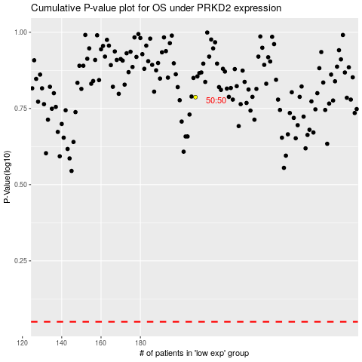

 |  |  |  |  |  | cases_OS | p_OS | rank | exp
 |  |  |  |  |  |  | cases_RFS | p_RFS | rank | exp

