PRKDC _multivariate
Reported by Tex Li-Hsing Chi. tex@gate.sinica.edu.tw 2019-08-16

Table 2. The clinicopathological features of HNSCC cohort and PRKDC expression. (Chi square test)
Cutoff at -0.076 (49.8%)
 |  | PRKDC expression |  | PRKDC expression |  | (Optimised)
 | Features | Low | (%) | High | (%) | Case no | P-value | Remark | Matthews
Gender | Female | 145 | 34.9 | 161 | 38.8 | 415 | 0.1116 | 0 | 0
2 | Male | 62 | 14.9 | 47 | 11.3
Age at diagnosis | <=65y | 131 | 31.6 | 143 | 34.5 | 415 | 0.2839 | 0 | 0
4 | >65y | 76 | 18.3 | 65 | 15.7
Clinical T Status | T1+T2 | 68 | 16.4 | 81 | 19.5 | 415 | 0.2336 | 0 | 0
6 | T3+T4 | 139 | 33.5 | 127 | 30.6
Clinical N Status | N0 | 104 | 25.1 | 112 | 27 | 415 | 0.5243 | 0 | 0
8 | N1-3 | 103 | 24.8 | 96 | 23.1
Clinical M Status | M0 | 204 | 49.2 | 208 | 50.1 | 415 | 0.1232 | 0 | 0
10 | M1 | 3 | 0.7 | 0 | 0
Clinical Stage | Stage I+II | 46 | 11.1 | 56 | 13.5 | 415 | 0.3182 | 0 | 0
12 | Stage III+IV | 161 | 38.8 | 152 | 36.6
Surgical Margin status | Negative | 150 | 36.1 | 168 | 40.5 | 415 | 0.0492 | 1 | 0
14 | Positive | 57 | 13.7 | 40 | 9.6
Tobacco Exposure | Low | 86 | 20.7 | 75 | 18.1 | 415 | 0.2687 | 0 | 0
16 | High | 121 | 29.2 | 133 | 32

Table 3. Univariate/Multivariate Cox's proportional hazards regression analyses on OS time of PRKDC gene expression in HNSCC

 |  | Univariate |  |  |  | Multivariate
 | Features | HR | CI95%(L) | CI95%(H) | P-value | HR | CI95%(L) | CI95%(H) | P-value
1 | Female | 1 |  |  |  | 1
Gender | Male | 1.157 | 0.843 | 1.587 | 0.367 | 1.224 | 0.872 | 1.72 | 0.243
11 | <=65y | 1 |  |  |  | 1
Age at diagnosis | >65y | 1.329 | 0.99 | 1.784 | 0.058 | 1.394 | 1.025 | 1.895 | 0.034
12 | T1+T2 | 1 |  |  |  | 1
Clinical T Status | T3+T4 | 1.409 | 1.028 | 1.931 | 0.033 | 2.219 | 1.173 | 4.196 | 0.014
13 | N0 | 1 |  |  |  | 1
Clinical N Status | N1-3 | 1.185 | 0.89 | 1.577 | 0.246 | 1.246 | 0.873 | 1.779 | 0.225
14 | M0 | 1 |  |  |  | 1
Clinical M Status | M1 | 4.097 | 1.009 | 16.644 | 0.049 | 9.937 | 2.145 | 46.036 | 0.003
15 | Stage I+II | 1 |  |  |  | 1
Clinical Stage | Stage III+IV | 1.245 | 0.882 | 1.759 | 0.213 | 0.504 | 0.235 | 1.083 | 0.079
16 | Negative | 1 |  |  |  | 1
Surgical Margin status | Positive | 1.591 | 1.155 | 2.191 | 0.004 | 1.686 | 1.219 | 2.331 | 0.002
17 | Low | 1 |  |  |  | 1
Tobacco Exposure | High | 1.364 | 1.008 | 1.844 | 0.044 | 1.451 | 1.053 | 1.999 | 0.023
18 | Low | 1 |  |  |  | 1
RNAseq(z-score) | High | 0.99 | 0.743 | 1.319 | 0.944 | 1.096 | 0.814 | 1.476 | 0.545

Table 4. Univariate/Multivariate Cox's proportional hazards regression analyses on RFS time of PRKDC gene expression in HNSCC

 |  | Univariate |  |  |  | Multivariate
 | Features | HR | CI95%(L) | CI95%(H) | P-value | HR | CI95%(L) | CI95%(H) | P-value
1 | Female | 1 |  |  |  | 1
Gender | Male | 1.157 | 0.843 | 1.587 | 0.367 | 1.224 | 0.872 | 1.72 | 0.243
11 | <=65y | 1 |  |  |  | 1
Age at diagnosis | >65y | 1.329 | 0.99 | 1.784 | 0.058 | 1.394 | 1.025 | 1.895 | 0.034
12 | T1+T2 | 1 |  |  |  | 1
Clinical T Status | T3+T4 | 1.409 | 1.028 | 1.931 | 0.033 | 2.219 | 1.173 | 4.196 | 0.014
13 | N0 | 1 |  |  |  | 1
Clinical N Status | N1-3 | 1.185 | 0.89 | 1.577 | 0.246 | 1.246 | 0.873 | 1.779 | 0.225
14 | M0 | 1 |  |  |  | 1
Clinical M Status | M1 | 4.097 | 1.009 | 16.644 | 0.049 | 9.937 | 2.145 | 46.036 | 0.003
15 | Stage I+II | 1 |  |  |  | 1
Clinical Stage | Stage III+IV | 1.245 | 0.882 | 1.759 | 0.213 | 0.504 | 0.235 | 1.083 | 0.079
16 | Negative | 1 |  |  |  | 1
Surgical Margin status | Positive | 1.591 | 1.155 | 2.191 | 0.004 | 1.686 | 1.219 | 2.331 | 0.002
17 | Low | 1 |  |  |  | 1
Tobacco Exposure | High | 1.364 | 1.008 | 1.844 | 0.044 | 1.451 | 1.053 | 1.999 | 0.023
18 | Low | 1 |  |  |  | 1
RNAseq(z-score) | High | 0.99 | 0.743 | 1.319 | 0.944 | 1.096 | 0.814 | 1.476 | 0.545

Kaplan-Meier survival estimate: Cutoff at -0.076 (49.8%)



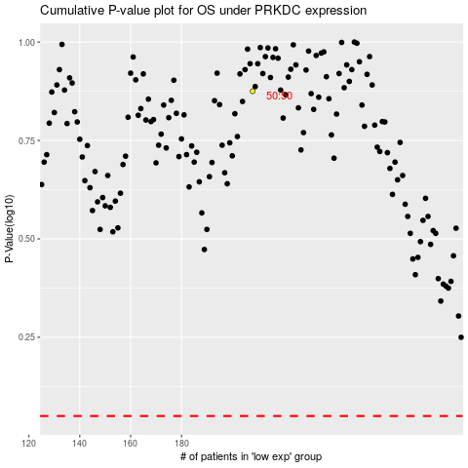

 |  |  |  |  |  | cases_OS | p_OS | rank | exp
 |  |  |  |  |  |  | cases_RFS | p_RFS | rank | exp

