PRKRA _multivariate
Reported by Tex Li-Hsing Chi. tex@gate.sinica.edu.tw 2019-08-16

Table 2. The clinicopathological features of HNSCC cohort and PRKRA expression. (Chi square test)
Cutoff at -0.268 (49.8%)
 |  | PRKRA expression |  | PRKRA expression |  | (Optimised)
 | Features | Low | (%) | High | (%) | Case no | P-value | Remark | Matthews
Gender | Female | 139 | 33.5 | 167 | 40.2 | 415 | 0.0034 | 1 | 0
2 | Male | 68 | 16.4 | 41 | 9.9
Age at diagnosis | <=65y | 126 | 30.4 | 148 | 35.7 | 415 | 0.035 | 1 | 0
4 | >65y | 81 | 19.5 | 60 | 14.5
Clinical T Status | T1+T2 | 81 | 19.5 | 68 | 16.4 | 415 | 0.206 | 0 | 0
6 | T3+T4 | 126 | 30.4 | 140 | 33.7
Clinical N Status | N0 | 112 | 27 | 104 | 25.1 | 415 | 0.4599 | 0 | 0
8 | N1-3 | 95 | 22.9 | 104 | 25.1
Clinical M Status | M0 | 205 | 49.4 | 207 | 49.9 | 415 | 0.6232 | 0 | 0
10 | M1 | 2 | 0.5 | 1 | 0.2
Clinical Stage | Stage I+II | 58 | 14 | 44 | 10.6 | 415 | 0.131 | 0 | 0
12 | Stage III+IV | 149 | 35.9 | 164 | 39.5
Surgical Margin status | Negative | 158 | 38.1 | 160 | 38.6 | 415 | 0.9081 | 0 | 0
14 | Positive | 49 | 11.8 | 48 | 11.6
Tobacco Exposure | Low | 99 | 23.9 | 62 | 14.9 | 415 | 2e-04 | 1 | 0
16 | High | 108 | 26 | 146 | 35.2

Table 3. Univariate/Multivariate Cox's proportional hazards regression analyses on OS time of PRKRA gene expression in HNSCC

 |  | Univariate |  |  |  | Multivariate
 | Features | HR | CI95%(L) | CI95%(H) | P-value | HR | CI95%(L) | CI95%(H) | P-value
1 | Female | 1 |  |  |  | 1
Gender | Male | 1.157 | 0.843 | 1.587 | 0.367 | 1.198 | 0.858 | 1.675 | 0.289
11 | <=65y | 1 |  |  |  | 1
Age at diagnosis | >65y | 1.329 | 0.99 | 1.784 | 0.058 | 1.385 | 1.017 | 1.886 | 0.039
12 | T1+T2 | 1 |  |  |  | 1
Clinical T Status | T3+T4 | 1.409 | 1.028 | 1.931 | 0.033 | 2.206 | 1.167 | 4.172 | 0.015
13 | N0 | 1 |  |  |  | 1
Clinical N Status | N1-3 | 1.185 | 0.89 | 1.577 | 0.246 | 1.243 | 0.871 | 1.774 | 0.231
14 | M0 | 1 |  |  |  | 1
Clinical M Status | M1 | 4.097 | 1.009 | 16.644 | 0.049 | 9.351 | 2.039 | 42.887 | 0.004
15 | Stage I+II | 1 |  |  |  | 1
Clinical Stage | Stage III+IV | 1.245 | 0.882 | 1.759 | 0.213 | 0.506 | 0.236 | 1.087 | 0.081
16 | Negative | 1 |  |  |  | 1
Surgical Margin status | Positive | 1.591 | 1.155 | 2.191 | 0.004 | 1.668 | 1.207 | 2.305 | 0.002
17 | Low | 1 |  |  |  | 1
Tobacco Exposure | High | 1.364 | 1.008 | 1.844 | 0.044 | 1.464 | 1.059 | 2.025 | 0.021
18 | Low | 1 |  |  |  | 1
RNAseq(z-score) | High | 0.97 | 0.727 | 1.295 | 0.836 | 0.955 | 0.707 | 1.289 | 0.762

Table 4. Univariate/Multivariate Cox's proportional hazards regression analyses on RFS time of PRKRA gene expression in HNSCC

 |  | Univariate |  |  |  | Multivariate
 | Features | HR | CI95%(L) | CI95%(H) | P-value | HR | CI95%(L) | CI95%(H) | P-value
1 | Female | 1 |  |  |  | 1
Gender | Male | 1.157 | 0.843 | 1.587 | 0.367 | 1.198 | 0.858 | 1.675 | 0.289
11 | <=65y | 1 |  |  |  | 1
Age at diagnosis | >65y | 1.329 | 0.99 | 1.784 | 0.058 | 1.385 | 1.017 | 1.886 | 0.039
12 | T1+T2 | 1 |  |  |  | 1
Clinical T Status | T3+T4 | 1.409 | 1.028 | 1.931 | 0.033 | 2.206 | 1.167 | 4.172 | 0.015
13 | N0 | 1 |  |  |  | 1
Clinical N Status | N1-3 | 1.185 | 0.89 | 1.577 | 0.246 | 1.243 | 0.871 | 1.774 | 0.231
14 | M0 | 1 |  |  |  | 1
Clinical M Status | M1 | 4.097 | 1.009 | 16.644 | 0.049 | 9.351 | 2.039 | 42.887 | 0.004
15 | Stage I+II | 1 |  |  |  | 1
Clinical Stage | Stage III+IV | 1.245 | 0.882 | 1.759 | 0.213 | 0.506 | 0.236 | 1.087 | 0.081
16 | Negative | 1 |  |  |  | 1
Surgical Margin status | Positive | 1.591 | 1.155 | 2.191 | 0.004 | 1.668 | 1.207 | 2.305 | 0.002
17 | Low | 1 |  |  |  | 1
Tobacco Exposure | High | 1.364 | 1.008 | 1.844 | 0.044 | 1.464 | 1.059 | 2.025 | 0.021
18 | Low | 1 |  |  |  | 1
RNAseq(z-score) | High | 0.97 | 0.727 | 1.295 | 0.836 | 0.955 | 0.707 | 1.289 | 0.762

Kaplan-Meier survival estimate: Cutoff at -0.268 (49.8%)



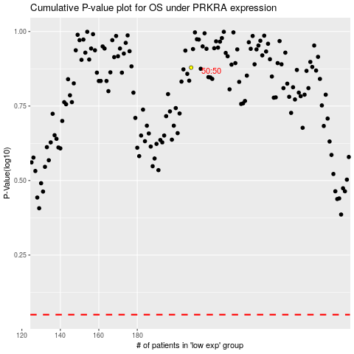

 |  |  |  |  |  | cases_OS | p_OS | rank | exp
 |  |  |  |  |  |  | cases_RFS | p_RFS | rank | exp

