PRKRIP1 _multivariate
Reported by Tex Li-Hsing Chi. tex@gate.sinica.edu.tw 2019-08-16

Table 2. The clinicopathological features of HNSCC cohort and PRKRIP1 expression. (Chi square test)
Cutoff at -0.514 (33.8%)
 |  | PRKRIP1 expression |  | PRKRIP1 expression |  | (Optimised)
 | Features | Low | (%) | High | (%) | Case no | P-value | Remark | Matthews
Gender | Female | 93 | 22.4 | 213 | 51.3 | 415 | 0.0137 | 1 | 0
2 | Male | 48 | 11.6 | 61 | 14.7
Age at diagnosis | <=65y | 89 | 21.4 | 185 | 44.6 | 415 | 0.4316 | 0 | 0
4 | >65y | 52 | 12.5 | 89 | 21.4
Clinical T Status | T1+T2 | 60 | 14.5 | 89 | 21.4 | 415 | 0.0552 | 0 | 0
6 | T3+T4 | 81 | 19.5 | 185 | 44.6
Clinical N Status | N0 | 78 | 18.8 | 138 | 33.3 | 415 | 0.3936 | 0 | 0
8 | N1-3 | 63 | 15.2 | 136 | 32.8
Clinical M Status | M0 | 141 | 34 | 271 | 65.3 | 415 | 0.5541 | 0 | 0
10 | M1 | 0 | 0 | 3 | 0.7
Clinical Stage | Stage I+II | 44 | 10.6 | 58 | 14 | 415 | 0.0332 | 1 | 0
12 | Stage III+IV | 97 | 23.4 | 216 | 52
Surgical Margin status | Negative | 108 | 26 | 210 | 50.6 | 415 | 1 | 0 | 0
14 | Positive | 33 | 8 | 64 | 15.4
Tobacco Exposure | Low | 59 | 14.2 | 102 | 24.6 | 415 | 0.3953 | 0 | 0
16 | High | 82 | 19.8 | 172 | 41.4

Table 3. Univariate/Multivariate Cox's proportional hazards regression analyses on OS time of PRKRIP1 gene expression in HNSCC

 |  | Univariate |  |  |  | Multivariate
 | Features | HR | CI95%(L) | CI95%(H) | P-value | HR | CI95%(L) | CI95%(H) | P-value
1 | Female | 1 |  |  |  | 1
Gender | Male | 1.157 | 0.843 | 1.587 | 0.367 | 1.148 | 0.821 | 1.605 | 0.42
11 | <=65y | 1 |  |  |  | 1
Age at diagnosis | >65y | 1.329 | 0.99 | 1.784 | 0.058 | 1.402 | 1.031 | 1.908 | 0.031
12 | T1+T2 | 1 |  |  |  | 1
Clinical T Status | T3+T4 | 1.409 | 1.028 | 1.931 | 0.033 | 2.336 | 1.233 | 4.424 | 0.009
13 | N0 | 1 |  |  |  | 1
Clinical N Status | N1-3 | 1.185 | 0.89 | 1.577 | 0.246 | 1.274 | 0.892 | 1.819 | 0.182
14 | M0 | 1 |  |  |  | 1
Clinical M Status | M1 | 4.097 | 1.009 | 16.644 | 0.049 | 11.284 | 2.444 | 52.107 | 0.002
15 | Stage I+II | 1 |  |  |  | 1
Clinical Stage | Stage III+IV | 1.245 | 0.882 | 1.759 | 0.213 | 0.488 | 0.227 | 1.05 | 0.067
16 | Negative | 1 |  |  |  | 1
Surgical Margin status | Positive | 1.591 | 1.155 | 2.191 | 0.004 | 1.723 | 1.245 | 2.385 | 0.001
17 | Low | 1 |  |  |  | 1
Tobacco Exposure | High | 1.364 | 1.008 | 1.844 | 0.044 | 1.482 | 1.075 | 2.043 | 0.016
18 | Low | 1 |  |  |  | 1
RNAseq(z-score) | High | 0.734 | 0.546 | 0.986 | 0.04 | 0.661 | 0.488 | 0.894 | 0.007

Table 4. Univariate/Multivariate Cox's proportional hazards regression analyses on RFS time of PRKRIP1 gene expression in HNSCC

 |  | Univariate |  |  |  | Multivariate
 | Features | HR | CI95%(L) | CI95%(H) | P-value | HR | CI95%(L) | CI95%(H) | P-value
1 | Female | 1 |  |  |  | 1
Gender | Male | 1.157 | 0.843 | 1.587 | 0.367 | 1.148 | 0.821 | 1.605 | 0.42
11 | <=65y | 1 |  |  |  | 1
Age at diagnosis | >65y | 1.329 | 0.99 | 1.784 | 0.058 | 1.402 | 1.031 | 1.908 | 0.031
12 | T1+T2 | 1 |  |  |  | 1
Clinical T Status | T3+T4 | 1.409 | 1.028 | 1.931 | 0.033 | 2.336 | 1.233 | 4.424 | 0.009
13 | N0 | 1 |  |  |  | 1
Clinical N Status | N1-3 | 1.185 | 0.89 | 1.577 | 0.246 | 1.274 | 0.892 | 1.819 | 0.182
14 | M0 | 1 |  |  |  | 1
Clinical M Status | M1 | 4.097 | 1.009 | 16.644 | 0.049 | 11.284 | 2.444 | 52.107 | 0.002
15 | Stage I+II | 1 |  |  |  | 1
Clinical Stage | Stage III+IV | 1.245 | 0.882 | 1.759 | 0.213 | 0.488 | 0.227 | 1.05 | 0.067
16 | Negative | 1 |  |  |  | 1
Surgical Margin status | Positive | 1.591 | 1.155 | 2.191 | 0.004 | 1.723 | 1.245 | 2.385 | 0.001
17 | Low | 1 |  |  |  | 1
Tobacco Exposure | High | 1.364 | 1.008 | 1.844 | 0.044 | 1.482 | 1.075 | 2.043 | 0.016
18 | Low | 1 |  |  |  | 1
RNAseq(z-score) | High | 0.734 | 0.546 | 0.986 | 0.04 | 0.661 | 0.488 | 0.894 | 0.007

Kaplan-Meier survival estimate: Cutoff at -0.514 (33.8%)



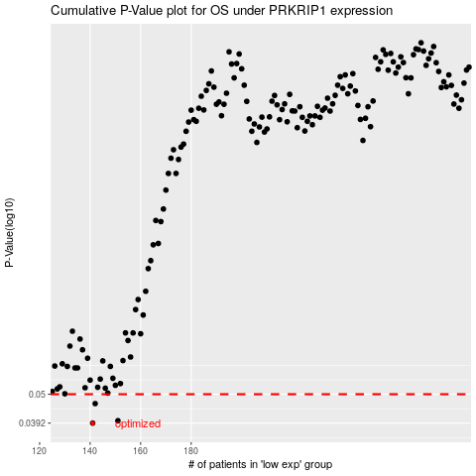

 |  |  |  |  |  | cases_OS | p_OS | rank | exp
 |  |  |  |  |  | 141 | 0.0392 | 187 | -0.51413252917
 |  |  |  |  |  | 151 | 0.04 | 190 | -0.46002636121
 |  |  |  |  |  | 142 | 0.0462 | 367 | -0.508313413
 |  |  |  |  |  |  | cases_RFS | p_RFS | rank | exp
 |  |  |  |  |  |  | 140 | 0.0392 | 198 | -0.51514883157
 |  |  |  |  |  |  | 150 | 0.04 | 68 | -0.46587257304
 |  |  |  |  |  |  | 141 | 0.0462 | 187 | -0.51413252917

