PRKRIR _multivariate
Reported by Tex Li-Hsing Chi. tex@gate.sinica.edu.tw 2019-08-16

Table 2. The clinicopathological features of HNSCC cohort and PRKRIR expression. (Chi square test)
Cutoff at -0.22 (49.8%)
 |  | PRKRIR expression |  | PRKRIR expression |  | (Optimised)
 | Features | Low | (%) | High | (%) | Case no | P-value | Remark | Matthews
Gender | Female | 158 | 38.1 | 148 | 35.7 | 415 | 0.2774 | 0 | 0
2 | Male | 49 | 11.8 | 60 | 14.5
Age at diagnosis | <=65y | 129 | 31.1 | 145 | 34.9 | 415 | 0.1372 | 0 | 0
4 | >65y | 78 | 18.8 | 63 | 15.2
Clinical T Status | T1+T2 | 74 | 17.8 | 75 | 18.1 | 415 | 1 | 0 | 0
6 | T3+T4 | 133 | 32 | 133 | 32
Clinical N Status | N0 | 107 | 25.8 | 109 | 26.3 | 415 | 0.9624 | 0 | 0
8 | N1-3 | 100 | 24.1 | 99 | 23.9
Clinical M Status | M0 | 204 | 49.2 | 208 | 50.1 | 415 | 0.1232 | 0 | 0
10 | M1 | 3 | 0.7 | 0 | 0
Clinical Stage | Stage I+II | 48 | 11.6 | 54 | 13 | 415 | 0.5878 | 0 | 0
12 | Stage III+IV | 159 | 38.3 | 154 | 37.1
Surgical Margin status | Negative | 160 | 38.6 | 158 | 38.1 | 415 | 0.8167 | 0 | 0
14 | Positive | 47 | 11.3 | 50 | 12
Tobacco Exposure | Low | 86 | 20.7 | 75 | 18.1 | 415 | 0.2687 | 0 | 0
16 | High | 121 | 29.2 | 133 | 32

Table 3. Univariate/Multivariate Cox's proportional hazards regression analyses on OS time of PRKRIR gene expression in HNSCC

 |  | Univariate |  |  |  | Multivariate
 | Features | HR | CI95%(L) | CI95%(H) | P-value | HR | CI95%(L) | CI95%(H) | P-value
1 | Female | 1 |  |  |  | 1
Gender | Male | 1.157 | 0.843 | 1.587 | 0.367 | 1.193 | 0.854 | 1.667 | 0.3
11 | <=65y | 1 |  |  |  | 1
Age at diagnosis | >65y | 1.329 | 0.99 | 1.784 | 0.058 | 1.419 | 1.039 | 1.937 | 0.028
12 | T1+T2 | 1 |  |  |  | 1
Clinical T Status | T3+T4 | 1.409 | 1.028 | 1.931 | 0.033 | 2.195 | 1.161 | 4.15 | 0.015
13 | N0 | 1 |  |  |  | 1
Clinical N Status | N1-3 | 1.185 | 0.89 | 1.577 | 0.246 | 1.243 | 0.871 | 1.773 | 0.231
14 | M0 | 1 |  |  |  | 1
Clinical M Status | M1 | 4.097 | 1.009 | 16.644 | 0.049 | 9.924 | 2.15 | 45.806 | 0.003
15 | Stage I+II | 1 |  |  |  | 1
Clinical Stage | Stage III+IV | 1.245 | 0.882 | 1.759 | 0.213 | 0.509 | 0.237 | 1.093 | 0.083
16 | Negative | 1 |  |  |  | 1
Surgical Margin status | Positive | 1.591 | 1.155 | 2.191 | 0.004 | 1.663 | 1.203 | 2.297 | 0.002
17 | Low | 1 |  |  |  | 1
Tobacco Exposure | High | 1.364 | 1.008 | 1.844 | 0.044 | 1.446 | 1.049 | 1.993 | 0.024
18 | Low | 1 |  |  |  | 1
RNAseq(z-score) | High | 1.076 | 0.807 | 1.433 | 0.619 | 1.116 | 0.832 | 1.498 | 0.463

Table 4. Univariate/Multivariate Cox's proportional hazards regression analyses on RFS time of PRKRIR gene expression in HNSCC

 |  | Univariate |  |  |  | Multivariate
 | Features | HR | CI95%(L) | CI95%(H) | P-value | HR | CI95%(L) | CI95%(H) | P-value
1 | Female | 1 |  |  |  | 1
Gender | Male | 1.157 | 0.843 | 1.587 | 0.367 | 1.193 | 0.854 | 1.667 | 0.3
11 | <=65y | 1 |  |  |  | 1
Age at diagnosis | >65y | 1.329 | 0.99 | 1.784 | 0.058 | 1.419 | 1.039 | 1.937 | 0.028
12 | T1+T2 | 1 |  |  |  | 1
Clinical T Status | T3+T4 | 1.409 | 1.028 | 1.931 | 0.033 | 2.195 | 1.161 | 4.15 | 0.015
13 | N0 | 1 |  |  |  | 1
Clinical N Status | N1-3 | 1.185 | 0.89 | 1.577 | 0.246 | 1.243 | 0.871 | 1.773 | 0.231
14 | M0 | 1 |  |  |  | 1
Clinical M Status | M1 | 4.097 | 1.009 | 16.644 | 0.049 | 9.924 | 2.15 | 45.806 | 0.003
15 | Stage I+II | 1 |  |  |  | 1
Clinical Stage | Stage III+IV | 1.245 | 0.882 | 1.759 | 0.213 | 0.509 | 0.237 | 1.093 | 0.083
16 | Negative | 1 |  |  |  | 1
Surgical Margin status | Positive | 1.591 | 1.155 | 2.191 | 0.004 | 1.663 | 1.203 | 2.297 | 0.002
17 | Low | 1 |  |  |  | 1
Tobacco Exposure | High | 1.364 | 1.008 | 1.844 | 0.044 | 1.446 | 1.049 | 1.993 | 0.024
18 | Low | 1 |  |  |  | 1
RNAseq(z-score) | High | 1.076 | 0.807 | 1.433 | 0.619 | 1.116 | 0.832 | 1.498 | 0.463

Kaplan-Meier survival estimate: Cutoff at -0.22 (49.8%)



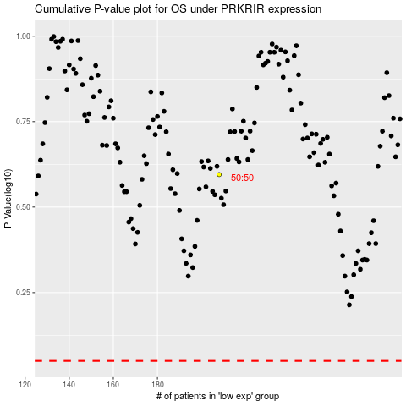

 |  |  |  |  |  | cases_OS | p_OS | rank | exp
 |  |  |  |  |  |  | cases_RFS | p_RFS | rank | exp

