PRKX _multivariate
Reported by Tex Li-Hsing Chi. tex@gate.sinica.edu.tw 2019-08-16

Table 2. The clinicopathological features of HNSCC cohort and PRKX expression. (Chi square test)
Cutoff at -0.405 (49.8%)
 |  | PRKX expression |  | PRKX expression |  | (Optimised)
 | Features | Low | (%) | High | (%) | Case no | P-value | Remark | Matthews
Gender | Female | 170 | 41 | 136 | 32.8 | 415 | 2e-04 | 1 | 0
2 | Male | 37 | 8.9 | 72 | 17.3
Age at diagnosis | <=65y | 137 | 33 | 137 | 33 | 415 | 1 | 0 | 0
4 | >65y | 70 | 16.9 | 71 | 17.1
Clinical T Status | T1+T2 | 77 | 18.6 | 72 | 17.3 | 415 | 0.6556 | 0 | 0
6 | T3+T4 | 130 | 31.3 | 136 | 32.8
Clinical N Status | N0 | 99 | 23.9 | 117 | 28.2 | 415 | 0.1054 | 0 | 0
8 | N1-3 | 108 | 26 | 91 | 21.9
Clinical M Status | M0 | 204 | 49.2 | 208 | 50.1 | 415 | 0.1232 | 0 | 0
10 | M1 | 3 | 0.7 | 0 | 0
Clinical Stage | Stage I+II | 53 | 12.8 | 49 | 11.8 | 415 | 0.7113 | 0 | 0
12 | Stage III+IV | 154 | 37.1 | 159 | 38.3
Surgical Margin status | Negative | 163 | 39.3 | 155 | 37.3 | 415 | 0.3537 | 0 | 0
14 | Positive | 44 | 10.6 | 53 | 12.8
Tobacco Exposure | Low | 86 | 20.7 | 75 | 18.1 | 415 | 0.2687 | 0 | 0
16 | High | 121 | 29.2 | 133 | 32

Table 3. Univariate/Multivariate Cox's proportional hazards regression analyses on OS time of PRKX gene expression in HNSCC

 |  | Univariate |  |  |  | Multivariate
 | Features | HR | CI95%(L) | CI95%(H) | P-value | HR | CI95%(L) | CI95%(H) | P-value
1 | Female | 1 |  |  |  | 1
Gender | Male | 1.157 | 0.843 | 1.587 | 0.367 | 1.238 | 0.881 | 1.739 | 0.218
11 | <=65y | 1 |  |  |  | 1
Age at diagnosis | >65y | 1.329 | 0.99 | 1.784 | 0.058 | 1.379 | 1.014 | 1.876 | 0.04
12 | T1+T2 | 1 |  |  |  | 1
Clinical T Status | T3+T4 | 1.409 | 1.028 | 1.931 | 0.033 | 2.16 | 1.141 | 4.088 | 0.018
13 | N0 | 1 |  |  |  | 1
Clinical N Status | N1-3 | 1.185 | 0.89 | 1.577 | 0.246 | 1.217 | 0.851 | 1.74 | 0.282
14 | M0 | 1 |  |  |  | 1
Clinical M Status | M1 | 4.097 | 1.009 | 16.644 | 0.049 | 8.698 | 1.885 | 40.137 | 0.006
15 | Stage I+II | 1 |  |  |  | 1
Clinical Stage | Stage III+IV | 1.245 | 0.882 | 1.759 | 0.213 | 0.519 | 0.241 | 1.116 | 0.093
16 | Negative | 1 |  |  |  | 1
Surgical Margin status | Positive | 1.591 | 1.155 | 2.191 | 0.004 | 1.682 | 1.217 | 2.324 | 0.002
17 | Low | 1 |  |  |  | 1
Tobacco Exposure | High | 1.364 | 1.008 | 1.844 | 0.044 | 1.498 | 1.08 | 2.076 | 0.015
18 | Low | 1 |  |  |  | 1
RNAseq(z-score) | High | 0.886 | 0.665 | 1.181 | 0.411 | 0.855 | 0.634 | 1.153 | 0.304

Table 4. Univariate/Multivariate Cox's proportional hazards regression analyses on RFS time of PRKX gene expression in HNSCC

 |  | Univariate |  |  |  | Multivariate
 | Features | HR | CI95%(L) | CI95%(H) | P-value | HR | CI95%(L) | CI95%(H) | P-value
1 | Female | 1 |  |  |  | 1
Gender | Male | 1.157 | 0.843 | 1.587 | 0.367 | 1.238 | 0.881 | 1.739 | 0.218
11 | <=65y | 1 |  |  |  | 1
Age at diagnosis | >65y | 1.329 | 0.99 | 1.784 | 0.058 | 1.379 | 1.014 | 1.876 | 0.04
12 | T1+T2 | 1 |  |  |  | 1
Clinical T Status | T3+T4 | 1.409 | 1.028 | 1.931 | 0.033 | 2.16 | 1.141 | 4.088 | 0.018
13 | N0 | 1 |  |  |  | 1
Clinical N Status | N1-3 | 1.185 | 0.89 | 1.577 | 0.246 | 1.217 | 0.851 | 1.74 | 0.282
14 | M0 | 1 |  |  |  | 1
Clinical M Status | M1 | 4.097 | 1.009 | 16.644 | 0.049 | 8.698 | 1.885 | 40.137 | 0.006
15 | Stage I+II | 1 |  |  |  | 1
Clinical Stage | Stage III+IV | 1.245 | 0.882 | 1.759 | 0.213 | 0.519 | 0.241 | 1.116 | 0.093
16 | Negative | 1 |  |  |  | 1
Surgical Margin status | Positive | 1.591 | 1.155 | 2.191 | 0.004 | 1.682 | 1.217 | 2.324 | 0.002
17 | Low | 1 |  |  |  | 1
Tobacco Exposure | High | 1.364 | 1.008 | 1.844 | 0.044 | 1.498 | 1.08 | 2.076 | 0.015
18 | Low | 1 |  |  |  | 1
RNAseq(z-score) | High | 0.886 | 0.665 | 1.181 | 0.411 | 0.855 | 0.634 | 1.153 | 0.304

Kaplan-Meier survival estimate: Cutoff at -0.405 (49.8%)



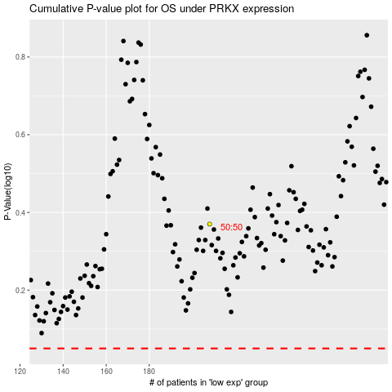

 |  |  |  |  |  | cases_OS | p_OS | rank | exp
 |  |  |  |  |  |  | cases_RFS | p_RFS | rank | exp

