PRMT1 _multivariate
Reported by Tex Li-Hsing Chi. tex@gate.sinica.edu.tw 2019-08-16

Table 2. The clinicopathological features of HNSCC cohort and PRMT1 expression. (Chi square test)
Cutoff at -0.132 (49.8%)
 |  | PRMT1 expression |  | PRMT1 expression |  | (Optimised)
 | Features | Low | (%) | High | (%) | Case no | P-value | Remark | Matthews
Gender | Female | 140 | 33.7 | 166 | 40 | 415 | 0.0068 | 1 | 0
2 | Male | 67 | 16.1 | 42 | 10.1
Age at diagnosis | <=65y | 132 | 31.8 | 142 | 34.2 | 415 | 0.3874 | 0 | 0
4 | >65y | 75 | 18.1 | 66 | 15.9
Clinical T Status | T1+T2 | 85 | 20.5 | 64 | 15.4 | 415 | 0.0372 | 1 | 0
6 | T3+T4 | 122 | 29.4 | 144 | 34.7
Clinical N Status | N0 | 114 | 27.5 | 102 | 24.6 | 415 | 0.2576 | 1 | 0
8 | N1-3 | 93 | 22.4 | 106 | 25.5
Clinical M Status | M0 | 204 | 49.2 | 208 | 50.1 | 415 | 0.1232 | 0 | 0
10 | M1 | 3 | 0.7 | 0 | 0
Clinical Stage | Stage I+II | 60 | 14.5 | 42 | 10.1 | 415 | 0.0493 | 1 | 0
12 | Stage III+IV | 147 | 35.4 | 166 | 40
Surgical Margin status | Negative | 164 | 39.5 | 154 | 37.1 | 415 | 0.2462 | 0 | 0
14 | Positive | 43 | 10.4 | 54 | 13
Tobacco Exposure | Low | 95 | 22.9 | 66 | 15.9 | 415 | 0.0035 | 1 | 0
16 | High | 112 | 27 | 142 | 34.2

Table 3. Univariate/Multivariate Cox's proportional hazards regression analyses on OS time of PRMT1 gene expression in HNSCC

 |  | Univariate |  |  |  | Multivariate
 | Features | HR | CI95%(L) | CI95%(H) | P-value | HR | CI95%(L) | CI95%(H) | P-value
1 | Female | 1 |  |  |  | 1
Gender | Male | 1.157 | 0.843 | 1.587 | 0.367 | 1.208 | 0.863 | 1.69 | 0.271
11 | <=65y | 1 |  |  |  | 1
Age at diagnosis | >65y | 1.329 | 0.99 | 1.784 | 0.058 | 1.394 | 1.025 | 1.896 | 0.034
12 | T1+T2 | 1 |  |  |  | 1
Clinical T Status | T3+T4 | 1.409 | 1.028 | 1.931 | 0.033 | 2.195 | 1.16 | 4.151 | 0.016
13 | N0 | 1 |  |  |  | 1
Clinical N Status | N1-3 | 1.185 | 0.89 | 1.577 | 0.246 | 1.235 | 0.865 | 1.765 | 0.246
14 | M0 | 1 |  |  |  | 1
Clinical M Status | M1 | 4.097 | 1.009 | 16.644 | 0.049 | 9.631 | 2.084 | 44.521 | 0.004
15 | Stage I+II | 1 |  |  |  | 1
Clinical Stage | Stage III+IV | 1.245 | 0.882 | 1.759 | 0.213 | 0.505 | 0.235 | 1.084 | 0.08
16 | Negative | 1 |  |  |  | 1
Surgical Margin status | Positive | 1.591 | 1.155 | 2.191 | 0.004 | 1.666 | 1.205 | 2.304 | 0.002
17 | Low | 1 |  |  |  | 1
Tobacco Exposure | High | 1.364 | 1.008 | 1.844 | 0.044 | 1.447 | 1.049 | 1.996 | 0.024
18 | Low | 1 |  |  |  | 1
RNAseq(z-score) | High | 1.102 | 0.827 | 1.469 | 0.508 | 1.045 | 0.776 | 1.407 | 0.771

Table 4. Univariate/Multivariate Cox's proportional hazards regression analyses on RFS time of PRMT1 gene expression in HNSCC

 |  | Univariate |  |  |  | Multivariate
 | Features | HR | CI95%(L) | CI95%(H) | P-value | HR | CI95%(L) | CI95%(H) | P-value
1 | Female | 1 |  |  |  | 1
Gender | Male | 1.157 | 0.843 | 1.587 | 0.367 | 1.208 | 0.863 | 1.69 | 0.271
11 | <=65y | 1 |  |  |  | 1
Age at diagnosis | >65y | 1.329 | 0.99 | 1.784 | 0.058 | 1.394 | 1.025 | 1.896 | 0.034
12 | T1+T2 | 1 |  |  |  | 1
Clinical T Status | T3+T4 | 1.409 | 1.028 | 1.931 | 0.033 | 2.195 | 1.16 | 4.151 | 0.016
13 | N0 | 1 |  |  |  | 1
Clinical N Status | N1-3 | 1.185 | 0.89 | 1.577 | 0.246 | 1.235 | 0.865 | 1.765 | 0.246
14 | M0 | 1 |  |  |  | 1
Clinical M Status | M1 | 4.097 | 1.009 | 16.644 | 0.049 | 9.631 | 2.084 | 44.521 | 0.004
15 | Stage I+II | 1 |  |  |  | 1
Clinical Stage | Stage III+IV | 1.245 | 0.882 | 1.759 | 0.213 | 0.505 | 0.235 | 1.084 | 0.08
16 | Negative | 1 |  |  |  | 1
Surgical Margin status | Positive | 1.591 | 1.155 | 2.191 | 0.004 | 1.666 | 1.205 | 2.304 | 0.002
17 | Low | 1 |  |  |  | 1
Tobacco Exposure | High | 1.364 | 1.008 | 1.844 | 0.044 | 1.447 | 1.049 | 1.996 | 0.024
18 | Low | 1 |  |  |  | 1
RNAseq(z-score) | High | 1.102 | 0.827 | 1.469 | 0.508 | 1.045 | 0.776 | 1.407 | 0.771

Kaplan-Meier survival estimate: Cutoff at -0.132 (49.8%)



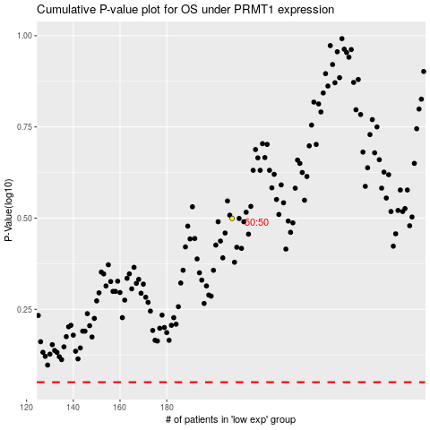

 |  |  |  |  |  | cases_OS | p_OS | rank | exp
 |  |  |  |  |  |  | cases_RFS | p_RFS | rank | exp

