PRMT7 _multivariate
Reported by Tex Li-Hsing Chi. tex@gate.sinica.edu.tw 2019-08-16

Table 2. The clinicopathological features of HNSCC cohort and PRMT7 expression. (Chi square test)
Cutoff at -0.224 (49.8%)
 |  | PRMT7 expression |  | PRMT7 expression |  | (Optimised)
 | Features | Low | (%) | High | (%) | Case no | P-value | Remark | Matthews
Gender | Female | 154 | 37.1 | 152 | 36.6 | 415 | 0.8463 | 0 | 0
2 | Male | 53 | 12.8 | 56 | 13.5
Age at diagnosis | <=65y | 129 | 31.1 | 145 | 34.9 | 415 | 0.1372 | 0 | 0
4 | >65y | 78 | 18.8 | 63 | 15.2
Clinical T Status | T1+T2 | 71 | 17.1 | 78 | 18.8 | 415 | 0.5638 | 0 | 0
6 | T3+T4 | 136 | 32.8 | 130 | 31.3
Clinical N Status | N0 | 98 | 23.6 | 118 | 28.4 | 415 | 0.0694 | 0 | 0
8 | N1-3 | 109 | 26.3 | 90 | 21.7
Clinical M Status | M0 | 207 | 49.9 | 205 | 49.4 | 415 | 0.2482 | 0 | 0
10 | M1 | 0 | 0 | 3 | 0.7
Clinical Stage | Stage I+II | 48 | 11.6 | 54 | 13 | 415 | 0.5878 | 0 | 0
12 | Stage III+IV | 159 | 38.3 | 154 | 37.1
Surgical Margin status | Negative | 155 | 37.3 | 163 | 39.3 | 415 | 0.4187 | 0 | 0
14 | Positive | 52 | 12.5 | 45 | 10.8
Tobacco Exposure | Low | 83 | 20 | 78 | 18.8 | 415 | 0.6152 | 0 | 0
16 | High | 124 | 29.9 | 130 | 31.3

Table 3. Univariate/Multivariate Cox's proportional hazards regression analyses on OS time of PRMT7 gene expression in HNSCC

 |  | Univariate |  |  |  | Multivariate
 | Features | HR | CI95%(L) | CI95%(H) | P-value | HR | CI95%(L) | CI95%(H) | P-value
1 | Female | 1 |  |  |  | 1
Gender | Male | 1.157 | 0.843 | 1.587 | 0.367 | 1.182 | 0.844 | 1.657 | 0.33
11 | <=65y | 1 |  |  |  | 1
Age at diagnosis | >65y | 1.329 | 0.99 | 1.784 | 0.058 | 1.409 | 1.035 | 1.917 | 0.029
12 | T1+T2 | 1 |  |  |  | 1
Clinical T Status | T3+T4 | 1.409 | 1.028 | 1.931 | 0.033 | 2.174 | 1.149 | 4.112 | 0.017
13 | N0 | 1 |  |  |  | 1
Clinical N Status | N1-3 | 1.185 | 0.89 | 1.577 | 0.246 | 1.261 | 0.882 | 1.802 | 0.204
14 | M0 | 1 |  |  |  | 1
Clinical M Status | M1 | 4.097 | 1.009 | 16.644 | 0.049 | 8.593 | 1.853 | 39.848 | 0.006
15 | Stage I+II | 1 |  |  |  | 1
Clinical Stage | Stage III+IV | 1.245 | 0.882 | 1.759 | 0.213 | 0.509 | 0.237 | 1.092 | 0.083
16 | Negative | 1 |  |  |  | 1
Surgical Margin status | Positive | 1.591 | 1.155 | 2.191 | 0.004 | 1.648 | 1.191 | 2.28 | 0.003
17 | Low | 1 |  |  |  | 1
Tobacco Exposure | High | 1.364 | 1.008 | 1.844 | 0.044 | 1.453 | 1.054 | 2.003 | 0.022
18 | Low | 1 |  |  |  | 1
RNAseq(z-score) | High | 1.177 | 0.883 | 1.567 | 0.266 | 1.145 | 0.854 | 1.535 | 0.365

Table 4. Univariate/Multivariate Cox's proportional hazards regression analyses on RFS time of PRMT7 gene expression in HNSCC

 |  | Univariate |  |  |  | Multivariate
 | Features | HR | CI95%(L) | CI95%(H) | P-value | HR | CI95%(L) | CI95%(H) | P-value
1 | Female | 1 |  |  |  | 1
Gender | Male | 1.157 | 0.843 | 1.587 | 0.367 | 1.182 | 0.844 | 1.657 | 0.33
11 | <=65y | 1 |  |  |  | 1
Age at diagnosis | >65y | 1.329 | 0.99 | 1.784 | 0.058 | 1.409 | 1.035 | 1.917 | 0.029
12 | T1+T2 | 1 |  |  |  | 1
Clinical T Status | T3+T4 | 1.409 | 1.028 | 1.931 | 0.033 | 2.174 | 1.149 | 4.112 | 0.017
13 | N0 | 1 |  |  |  | 1
Clinical N Status | N1-3 | 1.185 | 0.89 | 1.577 | 0.246 | 1.261 | 0.882 | 1.802 | 0.204
14 | M0 | 1 |  |  |  | 1
Clinical M Status | M1 | 4.097 | 1.009 | 16.644 | 0.049 | 8.593 | 1.853 | 39.848 | 0.006
15 | Stage I+II | 1 |  |  |  | 1
Clinical Stage | Stage III+IV | 1.245 | 0.882 | 1.759 | 0.213 | 0.509 | 0.237 | 1.092 | 0.083
16 | Negative | 1 |  |  |  | 1
Surgical Margin status | Positive | 1.591 | 1.155 | 2.191 | 0.004 | 1.648 | 1.191 | 2.28 | 0.003
17 | Low | 1 |  |  |  | 1
Tobacco Exposure | High | 1.364 | 1.008 | 1.844 | 0.044 | 1.453 | 1.054 | 2.003 | 0.022
18 | Low | 1 |  |  |  | 1
RNAseq(z-score) | High | 1.177 | 0.883 | 1.567 | 0.266 | 1.145 | 0.854 | 1.535 | 0.365

Kaplan-Meier survival estimate: Cutoff at -0.224 (49.8%)



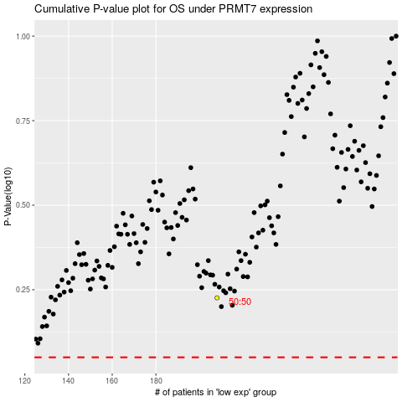

 |  |  |  |  |  | cases_OS | p_OS | rank | exp
 |  |  |  |  |  |  | cases_RFS | p_RFS | rank | exp

