PRNP _multivariate
Reported by Tex Li-Hsing Chi. tex@gate.sinica.edu.tw 2019-08-16

Table 2. The clinicopathological features of HNSCC cohort and PRNP expression. (Chi square test)
Cutoff at -0.157 (50.0%)
 |  | PRNP expression |  | PRNP expression |  | (Optimised)
 | Features | Low | (%) | High | (%) | Case no | P-value | Remark | Matthews
Gender | Female | 162 | 39 | 144 | 34.7 | 415 | 0.0479 | 1 | 0
2 | Male | 45 | 10.8 | 64 | 15.4
Age at diagnosis | <=65y | 135 | 32.5 | 139 | 33.5 | 415 | 0.8084 | 0 | 0
4 | >65y | 72 | 17.3 | 69 | 16.6
Clinical T Status | T1+T2 | 72 | 17.3 | 77 | 18.6 | 415 | 0.7095 | 0 | 0
6 | T3+T4 | 135 | 32.5 | 131 | 31.6
Clinical N Status | N0 | 106 | 25.5 | 110 | 26.5 | 415 | 0.8075 | 0 | 0
8 | N1-3 | 101 | 24.3 | 98 | 23.6
Clinical M Status | M0 | 206 | 49.6 | 206 | 49.6 | 415 | 1 | 0 | 0
10 | M1 | 1 | 0.2 | 2 | 0.5
Clinical Stage | Stage I+II | 42 | 10.1 | 60 | 14.5 | 415 | 0.0561 | 0 | 0
12 | Stage III+IV | 165 | 39.8 | 148 | 35.7
Surgical Margin status | Negative | 159 | 38.3 | 159 | 38.3 | 415 | 1 | 0 | 0
14 | Positive | 48 | 11.6 | 49 | 11.8
Tobacco Exposure | Low | 70 | 16.9 | 91 | 21.9 | 415 | 0.0439 | 1 | 0
16 | High | 137 | 33 | 117 | 28.2

Table 3. Univariate/Multivariate Cox's proportional hazards regression analyses on OS time of PRNP gene expression in HNSCC

 |  | Univariate |  |  |  | Multivariate
 | Features | HR | CI95%(L) | CI95%(H) | P-value | HR | CI95%(L) | CI95%(H) | P-value
1 | Female | 1 |  |  |  | 1
Gender | Male | 1.157 | 0.843 | 1.587 | 0.367 | 1.182 | 0.844 | 1.655 | 0.33
11 | <=65y | 1 |  |  |  | 1
Age at diagnosis | >65y | 1.329 | 0.99 | 1.784 | 0.058 | 1.415 | 1.039 | 1.926 | 0.027
12 | T1+T2 | 1 |  |  |  | 1
Clinical T Status | T3+T4 | 1.409 | 1.028 | 1.931 | 0.033 | 2.157 | 1.14 | 4.079 | 0.018
13 | N0 | 1 |  |  |  | 1
Clinical N Status | N1-3 | 1.185 | 0.89 | 1.577 | 0.246 | 1.23 | 0.862 | 1.755 | 0.254
14 | M0 | 1 |  |  |  | 1
Clinical M Status | M1 | 4.097 | 1.009 | 16.644 | 0.049 | 8.672 | 1.883 | 39.944 | 0.006
15 | Stage I+II | 1 |  |  |  | 1
Clinical Stage | Stage III+IV | 1.245 | 0.882 | 1.759 | 0.213 | 0.537 | 0.249 | 1.161 | 0.114
16 | Negative | 1 |  |  |  | 1
Surgical Margin status | Positive | 1.591 | 1.155 | 2.191 | 0.004 | 1.66 | 1.201 | 2.293 | 0.002
17 | Low | 1 |  |  |  | 1
Tobacco Exposure | High | 1.364 | 1.008 | 1.844 | 0.044 | 1.49 | 1.078 | 2.06 | 0.016
18 | Low | 1 |  |  |  | 1
RNAseq(z-score) | High | 1.182 | 0.888 | 1.575 | 0.252 | 1.214 | 0.902 | 1.634 | 0.201

Table 4. Univariate/Multivariate Cox's proportional hazards regression analyses on RFS time of PRNP gene expression in HNSCC

 |  | Univariate |  |  |  | Multivariate
 | Features | HR | CI95%(L) | CI95%(H) | P-value | HR | CI95%(L) | CI95%(H) | P-value
1 | Female | 1 |  |  |  | 1
Gender | Male | 1.157 | 0.843 | 1.587 | 0.367 | 1.182 | 0.844 | 1.655 | 0.33
11 | <=65y | 1 |  |  |  | 1
Age at diagnosis | >65y | 1.329 | 0.99 | 1.784 | 0.058 | 1.415 | 1.039 | 1.926 | 0.027
12 | T1+T2 | 1 |  |  |  | 1
Clinical T Status | T3+T4 | 1.409 | 1.028 | 1.931 | 0.033 | 2.157 | 1.14 | 4.079 | 0.018
13 | N0 | 1 |  |  |  | 1
Clinical N Status | N1-3 | 1.185 | 0.89 | 1.577 | 0.246 | 1.23 | 0.862 | 1.755 | 0.254
14 | M0 | 1 |  |  |  | 1
Clinical M Status | M1 | 4.097 | 1.009 | 16.644 | 0.049 | 8.672 | 1.883 | 39.944 | 0.006
15 | Stage I+II | 1 |  |  |  | 1
Clinical Stage | Stage III+IV | 1.245 | 0.882 | 1.759 | 0.213 | 0.537 | 0.249 | 1.161 | 0.114
16 | Negative | 1 |  |  |  | 1
Surgical Margin status | Positive | 1.591 | 1.155 | 2.191 | 0.004 | 1.66 | 1.201 | 2.293 | 0.002
17 | Low | 1 |  |  |  | 1
Tobacco Exposure | High | 1.364 | 1.008 | 1.844 | 0.044 | 1.49 | 1.078 | 2.06 | 0.016
18 | Low | 1 |  |  |  | 1
RNAseq(z-score) | High | 1.182 | 0.888 | 1.575 | 0.252 | 1.214 | 0.902 | 1.634 | 0.201

Kaplan-Meier survival estimate: Cutoff at -0.157 (50.0%)



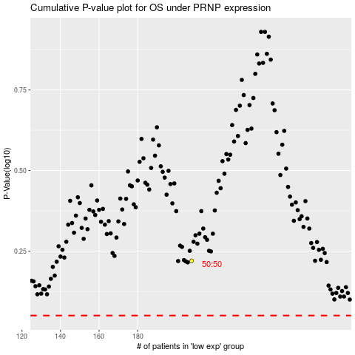

 |  |  |  |  |  | cases_OS | p_OS | rank | exp
 |  |  |  |  |  |  | cases_RFS | p_RFS | rank | exp

