PROC _multivariate
Reported by Tex Li-Hsing Chi. tex@gate.sinica.edu.tw 2019-08-16

Table 2. The clinicopathological features of HNSCC cohort and PROC expression. (Chi square test)
Cutoff at -0.306 (50.0%)
 |  | PROC expression |  | PROC expression |  | (Optimised)
 | Features | Low | (%) | High | (%) | Case no | P-value | Remark | Matthews
Gender | Female | 154 | 37.1 | 152 | 36.6 | 415 | 0.8463 | 0 | 0
2 | Male | 53 | 12.8 | 56 | 13.5
Age at diagnosis | <=65y | 134 | 32.3 | 140 | 33.7 | 415 | 0.6529 | 0 | 0
4 | >65y | 73 | 17.6 | 68 | 16.4
Clinical T Status | T1+T2 | 71 | 17.1 | 78 | 18.8 | 415 | 0.5638 | 0 | 0
6 | T3+T4 | 136 | 32.8 | 130 | 31.3
Clinical N Status | N0 | 107 | 25.8 | 109 | 26.3 | 415 | 0.9624 | 0 | 0
8 | N1-3 | 100 | 24.1 | 99 | 23.9
Clinical M Status | M0 | 206 | 49.6 | 206 | 49.6 | 415 | 1 | 0 | 0
10 | M1 | 1 | 0.2 | 2 | 0.5
Clinical Stage | Stage I+II | 41 | 9.9 | 61 | 14.7 | 415 | 0.0325 | 1 | 0
12 | Stage III+IV | 166 | 40 | 147 | 35.4
Surgical Margin status | Negative | 151 | 36.4 | 167 | 40.2 | 415 | 0.0828 | 0 | 0
14 | Positive | 56 | 13.5 | 41 | 9.9
Tobacco Exposure | Low | 78 | 18.8 | 83 | 20 | 415 | 0.6873 | 0 | 0
16 | High | 129 | 31.1 | 125 | 30.1

Table 3. Univariate/Multivariate Cox's proportional hazards regression analyses on OS time of PROC gene expression in HNSCC

 |  | Univariate |  |  |  | Multivariate
 | Features | HR | CI95%(L) | CI95%(H) | P-value | HR | CI95%(L) | CI95%(H) | P-value
1 | Female | 1 |  |  |  | 1
Gender | Male | 1.157 | 0.843 | 1.587 | 0.367 | 1.2 | 0.859 | 1.676 | 0.286
11 | <=65y | 1 |  |  |  | 1
Age at diagnosis | >65y | 1.329 | 0.99 | 1.784 | 0.058 | 1.397 | 1.026 | 1.901 | 0.034
12 | T1+T2 | 1 |  |  |  | 1
Clinical T Status | T3+T4 | 1.409 | 1.028 | 1.931 | 0.033 | 2.177 | 1.146 | 4.136 | 0.018
13 | N0 | 1 |  |  |  | 1
Clinical N Status | N1-3 | 1.185 | 0.89 | 1.577 | 0.246 | 1.236 | 0.865 | 1.765 | 0.245
14 | M0 | 1 |  |  |  | 1
Clinical M Status | M1 | 4.097 | 1.009 | 16.644 | 0.049 | 9.256 | 2.012 | 42.587 | 0.004
15 | Stage I+II | 1 |  |  |  | 1
Clinical Stage | Stage III+IV | 1.245 | 0.882 | 1.759 | 0.213 | 0.515 | 0.237 | 1.12 | 0.094
16 | Negative | 1 |  |  |  | 1
Surgical Margin status | Positive | 1.591 | 1.155 | 2.191 | 0.004 | 1.676 | 1.212 | 2.316 | 0.002
17 | Low | 1 |  |  |  | 1
Tobacco Exposure | High | 1.364 | 1.008 | 1.844 | 0.044 | 1.449 | 1.051 | 1.997 | 0.024
18 | Low | 1 |  |  |  | 1
RNAseq(z-score) | High | 1.055 | 0.792 | 1.405 | 0.715 | 1.045 | 0.778 | 1.404 | 0.768

Table 4. Univariate/Multivariate Cox's proportional hazards regression analyses on RFS time of PROC gene expression in HNSCC

 |  | Univariate |  |  |  | Multivariate
 | Features | HR | CI95%(L) | CI95%(H) | P-value | HR | CI95%(L) | CI95%(H) | P-value
1 | Female | 1 |  |  |  | 1
Gender | Male | 1.157 | 0.843 | 1.587 | 0.367 | 1.2 | 0.859 | 1.676 | 0.286
11 | <=65y | 1 |  |  |  | 1
Age at diagnosis | >65y | 1.329 | 0.99 | 1.784 | 0.058 | 1.397 | 1.026 | 1.901 | 0.034
12 | T1+T2 | 1 |  |  |  | 1
Clinical T Status | T3+T4 | 1.409 | 1.028 | 1.931 | 0.033 | 2.177 | 1.146 | 4.136 | 0.018
13 | N0 | 1 |  |  |  | 1
Clinical N Status | N1-3 | 1.185 | 0.89 | 1.577 | 0.246 | 1.236 | 0.865 | 1.765 | 0.245
14 | M0 | 1 |  |  |  | 1
Clinical M Status | M1 | 4.097 | 1.009 | 16.644 | 0.049 | 9.256 | 2.012 | 42.587 | 0.004
15 | Stage I+II | 1 |  |  |  | 1
Clinical Stage | Stage III+IV | 1.245 | 0.882 | 1.759 | 0.213 | 0.515 | 0.237 | 1.12 | 0.094
16 | Negative | 1 |  |  |  | 1
Surgical Margin status | Positive | 1.591 | 1.155 | 2.191 | 0.004 | 1.676 | 1.212 | 2.316 | 0.002
17 | Low | 1 |  |  |  | 1
Tobacco Exposure | High | 1.364 | 1.008 | 1.844 | 0.044 | 1.449 | 1.051 | 1.997 | 0.024
18 | Low | 1 |  |  |  | 1
RNAseq(z-score) | High | 1.055 | 0.792 | 1.405 | 0.715 | 1.045 | 0.778 | 1.404 | 0.768

Kaplan-Meier survival estimate: Cutoff at -0.306 (50.0%)



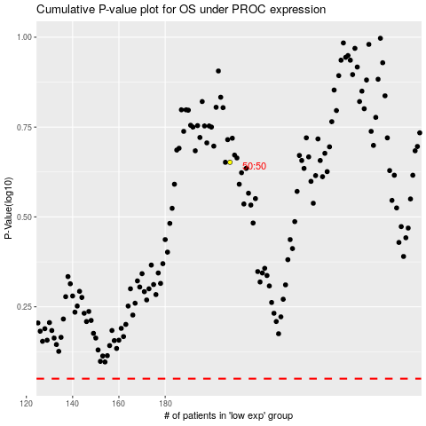

 |  |  |  |  |  | cases_OS | p_OS | rank | exp
 |  |  |  |  |  |  | cases_RFS | p_RFS | rank | exp

