PROSC _multivariate
Reported by Tex Li-Hsing Chi. tex@gate.sinica.edu.tw 2019-08-16

Table 2. The clinicopathological features of HNSCC cohort and PROSC expression. (Chi square test)
Cutoff at -0.261 (49.8%)
 |  | PROSC expression |  | PROSC expression |  | (Optimised)
 | Features | Low | (%) | High | (%) | Case no | P-value | Remark | Matthews
Gender | Female | 145 | 34.9 | 161 | 38.8 | 415 | 0.1116 | 0 | 0
2 | Male | 62 | 14.9 | 47 | 11.3
Age at diagnosis | <=65y | 132 | 31.8 | 142 | 34.2 | 415 | 0.3874 | 0 | 0
4 | >65y | 75 | 18.1 | 66 | 15.9
Clinical T Status | T1+T2 | 65 | 15.7 | 84 | 20.2 | 415 | 0.0711 | 0 | 0
6 | T3+T4 | 142 | 34.2 | 124 | 29.9
Clinical N Status | N0 | 111 | 26.7 | 105 | 25.3 | 415 | 0.5875 | 0 | 0
8 | N1-3 | 96 | 23.1 | 103 | 24.8
Clinical M Status | M0 | 206 | 49.6 | 206 | 49.6 | 415 | 1 | 0 | 0
10 | M1 | 1 | 0.2 | 2 | 0.5
Clinical Stage | Stage I+II | 48 | 11.6 | 54 | 13 | 415 | 0.5878 | 0 | 0
12 | Stage III+IV | 159 | 38.3 | 154 | 37.1
Surgical Margin status | Negative | 156 | 37.6 | 162 | 39 | 415 | 0.5636 | 0 | 0
14 | Positive | 51 | 12.3 | 46 | 11.1
Tobacco Exposure | Low | 91 | 21.9 | 70 | 16.9 | 415 | 0.0346 | 1 | 0
16 | High | 116 | 28 | 138 | 33.3

Table 3. Univariate/Multivariate Cox's proportional hazards regression analyses on OS time of PROSC gene expression in HNSCC

 |  | Univariate |  |  |  | Multivariate
 | Features | HR | CI95%(L) | CI95%(H) | P-value | HR | CI95%(L) | CI95%(H) | P-value
1 | Female | 1 |  |  |  | 1
Gender | Male | 1.157 | 0.843 | 1.587 | 0.367 | 1.191 | 0.852 | 1.665 | 0.307
11 | <=65y | 1 |  |  |  | 1
Age at diagnosis | >65y | 1.329 | 0.99 | 1.784 | 0.058 | 1.379 | 1.014 | 1.876 | 0.04
12 | T1+T2 | 1 |  |  |  | 1
Clinical T Status | T3+T4 | 1.409 | 1.028 | 1.931 | 0.033 | 2.163 | 1.143 | 4.093 | 0.018
13 | N0 | 1 |  |  |  | 1
Clinical N Status | N1-3 | 1.185 | 0.89 | 1.577 | 0.246 | 1.259 | 0.882 | 1.799 | 0.205
14 | M0 | 1 |  |  |  | 1
Clinical M Status | M1 | 4.097 | 1.009 | 16.644 | 0.049 | 9.314 | 2.031 | 42.711 | 0.004
15 | Stage I+II | 1 |  |  |  | 1
Clinical Stage | Stage III+IV | 1.245 | 0.882 | 1.759 | 0.213 | 0.509 | 0.237 | 1.093 | 0.083
16 | Negative | 1 |  |  |  | 1
Surgical Margin status | Positive | 1.591 | 1.155 | 2.191 | 0.004 | 1.651 | 1.194 | 2.284 | 0.002
17 | Low | 1 |  |  |  | 1
Tobacco Exposure | High | 1.364 | 1.008 | 1.844 | 0.044 | 1.47 | 1.066 | 2.028 | 0.019
18 | Low | 1 |  |  |  | 1
RNAseq(z-score) | High | 0.837 | 0.627 | 1.116 | 0.225 | 0.877 | 0.653 | 1.177 | 0.382

Table 4. Univariate/Multivariate Cox's proportional hazards regression analyses on RFS time of PROSC gene expression in HNSCC

 |  | Univariate |  |  |  | Multivariate
 | Features | HR | CI95%(L) | CI95%(H) | P-value | HR | CI95%(L) | CI95%(H) | P-value
1 | Female | 1 |  |  |  | 1
Gender | Male | 1.157 | 0.843 | 1.587 | 0.367 | 1.191 | 0.852 | 1.665 | 0.307
11 | <=65y | 1 |  |  |  | 1
Age at diagnosis | >65y | 1.329 | 0.99 | 1.784 | 0.058 | 1.379 | 1.014 | 1.876 | 0.04
12 | T1+T2 | 1 |  |  |  | 1
Clinical T Status | T3+T4 | 1.409 | 1.028 | 1.931 | 0.033 | 2.163 | 1.143 | 4.093 | 0.018
13 | N0 | 1 |  |  |  | 1
Clinical N Status | N1-3 | 1.185 | 0.89 | 1.577 | 0.246 | 1.259 | 0.882 | 1.799 | 0.205
14 | M0 | 1 |  |  |  | 1
Clinical M Status | M1 | 4.097 | 1.009 | 16.644 | 0.049 | 9.314 | 2.031 | 42.711 | 0.004
15 | Stage I+II | 1 |  |  |  | 1
Clinical Stage | Stage III+IV | 1.245 | 0.882 | 1.759 | 0.213 | 0.509 | 0.237 | 1.093 | 0.083
16 | Negative | 1 |  |  |  | 1
Surgical Margin status | Positive | 1.591 | 1.155 | 2.191 | 0.004 | 1.651 | 1.194 | 2.284 | 0.002
17 | Low | 1 |  |  |  | 1
Tobacco Exposure | High | 1.364 | 1.008 | 1.844 | 0.044 | 1.47 | 1.066 | 2.028 | 0.019
18 | Low | 1 |  |  |  | 1
RNAseq(z-score) | High | 0.837 | 0.627 | 1.116 | 0.225 | 0.877 | 0.653 | 1.177 | 0.382

Kaplan-Meier survival estimate: Cutoff at -0.261 (49.8%)



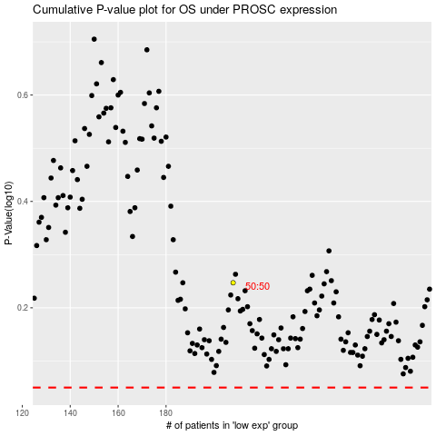

 |  |  |  |  |  | cases_OS | p_OS | rank | exp
 |  |  |  |  |  |  | cases_RFS | p_RFS | rank | exp

