PRPF18 _multivariate
Reported by Tex Li-Hsing Chi. tex@gate.sinica.edu.tw 2019-08-16

Table 2. The clinicopathological features of HNSCC cohort and PRPF18 expression. (Chi square test)
Cutoff at -0.163 (50.0%)
 |  | PRPF18 expression |  | PRPF18 expression |  | (Optimised)
 | Features | Low | (%) | High | (%) | Case no | P-value | Remark | Matthews
Gender | Female | 143 | 34.5 | 163 | 39.3 | 415 | 0.0416 | 1 | 0
2 | Male | 64 | 15.4 | 45 | 10.8
Age at diagnosis | <=65y | 137 | 33 | 137 | 33 | 415 | 1 | 0 | 0
4 | >65y | 70 | 16.9 | 71 | 17.1
Clinical T Status | T1+T2 | 76 | 18.3 | 73 | 17.6 | 415 | 0.8092 | 0 | 0
6 | T3+T4 | 131 | 31.6 | 135 | 32.5
Clinical N Status | N0 | 108 | 26 | 108 | 26 | 415 | 1 | 0 | 0
8 | N1-3 | 99 | 23.9 | 100 | 24.1
Clinical M Status | M0 | 205 | 49.4 | 207 | 49.9 | 415 | 0.6232 | 0 | 0
10 | M1 | 2 | 0.5 | 1 | 0.2
Clinical Stage | Stage I+II | 55 | 13.3 | 47 | 11.3 | 415 | 0.4087 | 0 | 0
12 | Stage III+IV | 152 | 36.6 | 161 | 38.8
Surgical Margin status | Negative | 164 | 39.5 | 154 | 37.1 | 415 | 0.2462 | 0 | 0
14 | Positive | 43 | 10.4 | 54 | 13
Tobacco Exposure | Low | 89 | 21.4 | 72 | 17.3 | 415 | 0.0872 | 0 | 0
16 | High | 118 | 28.4 | 136 | 32.8

Table 3. Univariate/Multivariate Cox's proportional hazards regression analyses on OS time of PRPF18 gene expression in HNSCC

 |  | Univariate |  |  |  | Multivariate
 | Features | HR | CI95%(L) | CI95%(H) | P-value | HR | CI95%(L) | CI95%(H) | P-value
1 | Female | 1 |  |  |  | 1
Gender | Male | 1.157 | 0.843 | 1.587 | 0.367 | 1.204 | 0.862 | 1.682 | 0.276
11 | <=65y | 1 |  |  |  | 1
Age at diagnosis | >65y | 1.329 | 0.99 | 1.784 | 0.058 | 1.394 | 1.026 | 1.896 | 0.034
12 | T1+T2 | 1 |  |  |  | 1
Clinical T Status | T3+T4 | 1.409 | 1.028 | 1.931 | 0.033 | 2.226 | 1.176 | 4.215 | 0.014
13 | N0 | 1 |  |  |  | 1
Clinical N Status | N1-3 | 1.185 | 0.89 | 1.577 | 0.246 | 1.252 | 0.876 | 1.789 | 0.217
14 | M0 | 1 |  |  |  | 1
Clinical M Status | M1 | 4.097 | 1.009 | 16.644 | 0.049 | 9.561 | 2.083 | 43.885 | 0.004
15 | Stage I+II | 1 |  |  |  | 1
Clinical Stage | Stage III+IV | 1.245 | 0.882 | 1.759 | 0.213 | 0.496 | 0.23 | 1.067 | 0.073
16 | Negative | 1 |  |  |  | 1
Surgical Margin status | Positive | 1.591 | 1.155 | 2.191 | 0.004 | 1.664 | 1.204 | 2.3 | 0.002
17 | Low | 1 |  |  |  | 1
Tobacco Exposure | High | 1.364 | 1.008 | 1.844 | 0.044 | 1.432 | 1.035 | 1.982 | 0.03
18 | Low | 1 |  |  |  | 1
RNAseq(z-score) | High | 1.117 | 0.839 | 1.489 | 0.448 | 1.082 | 0.806 | 1.453 | 0.599

Table 4. Univariate/Multivariate Cox's proportional hazards regression analyses on RFS time of PRPF18 gene expression in HNSCC

 |  | Univariate |  |  |  | Multivariate
 | Features | HR | CI95%(L) | CI95%(H) | P-value | HR | CI95%(L) | CI95%(H) | P-value
1 | Female | 1 |  |  |  | 1
Gender | Male | 1.157 | 0.843 | 1.587 | 0.367 | 1.204 | 0.862 | 1.682 | 0.276
11 | <=65y | 1 |  |  |  | 1
Age at diagnosis | >65y | 1.329 | 0.99 | 1.784 | 0.058 | 1.394 | 1.026 | 1.896 | 0.034
12 | T1+T2 | 1 |  |  |  | 1
Clinical T Status | T3+T4 | 1.409 | 1.028 | 1.931 | 0.033 | 2.226 | 1.176 | 4.215 | 0.014
13 | N0 | 1 |  |  |  | 1
Clinical N Status | N1-3 | 1.185 | 0.89 | 1.577 | 0.246 | 1.252 | 0.876 | 1.789 | 0.217
14 | M0 | 1 |  |  |  | 1
Clinical M Status | M1 | 4.097 | 1.009 | 16.644 | 0.049 | 9.561 | 2.083 | 43.885 | 0.004
15 | Stage I+II | 1 |  |  |  | 1
Clinical Stage | Stage III+IV | 1.245 | 0.882 | 1.759 | 0.213 | 0.496 | 0.23 | 1.067 | 0.073
16 | Negative | 1 |  |  |  | 1
Surgical Margin status | Positive | 1.591 | 1.155 | 2.191 | 0.004 | 1.664 | 1.204 | 2.3 | 0.002
17 | Low | 1 |  |  |  | 1
Tobacco Exposure | High | 1.364 | 1.008 | 1.844 | 0.044 | 1.432 | 1.035 | 1.982 | 0.03
18 | Low | 1 |  |  |  | 1
RNAseq(z-score) | High | 1.117 | 0.839 | 1.489 | 0.448 | 1.082 | 0.806 | 1.453 | 0.599

Kaplan-Meier survival estimate: Cutoff at -0.163 (50.0%)



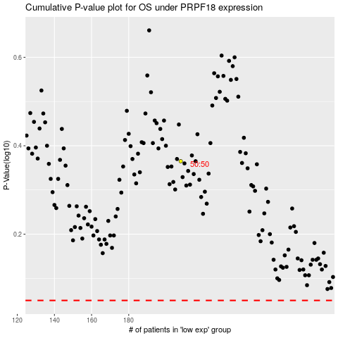

 |  |  |  |  |  | cases_OS | p_OS | rank | exp
 |  |  |  |  |  |  | cases_RFS | p_RFS | rank | exp

