PRPF31 _multivariate
Reported by Tex Li-Hsing Chi. tex@gate.sinica.edu.tw 2019-08-16

Table 2. The clinicopathological features of HNSCC cohort and PRPF31 expression. (Chi square test)
Cutoff at -0.224 (49.8%)
 |  | PRPF31 expression |  | PRPF31 expression |  | (Optimised)
 | Features | Low | (%) | High | (%) | Case no | P-value | Remark | Matthews
Gender | Female | 149 | 35.9 | 157 | 37.8 | 415 | 0.4848 | 0 | 0
2 | Male | 58 | 14 | 51 | 12.3
Age at diagnosis | <=65y | 137 | 33 | 137 | 33 | 415 | 1 | 0 | 0
4 | >65y | 70 | 16.9 | 71 | 17.1
Clinical T Status | T1+T2 | 75 | 18.1 | 74 | 17.8 | 415 | 0.9707 | 0 | 0
6 | T3+T4 | 132 | 31.8 | 134 | 32.3
Clinical N Status | N0 | 108 | 26 | 108 | 26 | 415 | 1 | 0 | 0
8 | N1-3 | 99 | 23.9 | 100 | 24.1
Clinical M Status | M0 | 206 | 49.6 | 206 | 49.6 | 415 | 1 | 0 | 0
10 | M1 | 1 | 0.2 | 2 | 0.5
Clinical Stage | Stage I+II | 52 | 12.5 | 50 | 12 | 415 | 0.8871 | 0 | 0
12 | Stage III+IV | 155 | 37.3 | 158 | 38.1
Surgical Margin status | Negative | 166 | 40 | 152 | 36.6 | 415 | 0.1042 | 0 | 0
14 | Positive | 41 | 9.9 | 56 | 13.5
Tobacco Exposure | Low | 78 | 18.8 | 83 | 20 | 415 | 0.6873 | 0 | 0
16 | High | 129 | 31.1 | 125 | 30.1

Table 3. Univariate/Multivariate Cox's proportional hazards regression analyses on OS time of PRPF31 gene expression in HNSCC

 |  | Univariate |  |  |  | Multivariate
 | Features | HR | CI95%(L) | CI95%(H) | P-value | HR | CI95%(L) | CI95%(H) | P-value
1 | Female | 1 |  |  |  | 1
Gender | Male | 1.157 | 0.843 | 1.587 | 0.367 | 1.201 | 0.859 | 1.677 | 0.284
11 | <=65y | 1 |  |  |  | 1
Age at diagnosis | >65y | 1.329 | 0.99 | 1.784 | 0.058 | 1.393 | 1.025 | 1.894 | 0.034
12 | T1+T2 | 1 |  |  |  | 1
Clinical T Status | T3+T4 | 1.409 | 1.028 | 1.931 | 0.033 | 2.203 | 1.165 | 4.166 | 0.015
13 | N0 | 1 |  |  |  | 1
Clinical N Status | N1-3 | 1.185 | 0.89 | 1.577 | 0.246 | 1.244 | 0.872 | 1.776 | 0.229
14 | M0 | 1 |  |  |  | 1
Clinical M Status | M1 | 4.097 | 1.009 | 16.644 | 0.049 | 9.513 | 2.071 | 43.702 | 0.004
15 | Stage I+II | 1 |  |  |  | 1
Clinical Stage | Stage III+IV | 1.245 | 0.882 | 1.759 | 0.213 | 0.504 | 0.235 | 1.082 | 0.079
16 | Negative | 1 |  |  |  | 1
Surgical Margin status | Positive | 1.591 | 1.155 | 2.191 | 0.004 | 1.678 | 1.213 | 2.322 | 0.002
17 | Low | 1 |  |  |  | 1
Tobacco Exposure | High | 1.364 | 1.008 | 1.844 | 0.044 | 1.452 | 1.054 | 2.001 | 0.022
18 | Low | 1 |  |  |  | 1
RNAseq(z-score) | High | 1.035 | 0.777 | 1.378 | 0.814 | 0.961 | 0.72 | 1.283 | 0.789

Table 4. Univariate/Multivariate Cox's proportional hazards regression analyses on RFS time of PRPF31 gene expression in HNSCC

 |  | Univariate |  |  |  | Multivariate
 | Features | HR | CI95%(L) | CI95%(H) | P-value | HR | CI95%(L) | CI95%(H) | P-value
1 | Female | 1 |  |  |  | 1
Gender | Male | 1.157 | 0.843 | 1.587 | 0.367 | 1.201 | 0.859 | 1.677 | 0.284
11 | <=65y | 1 |  |  |  | 1
Age at diagnosis | >65y | 1.329 | 0.99 | 1.784 | 0.058 | 1.393 | 1.025 | 1.894 | 0.034
12 | T1+T2 | 1 |  |  |  | 1
Clinical T Status | T3+T4 | 1.409 | 1.028 | 1.931 | 0.033 | 2.203 | 1.165 | 4.166 | 0.015
13 | N0 | 1 |  |  |  | 1
Clinical N Status | N1-3 | 1.185 | 0.89 | 1.577 | 0.246 | 1.244 | 0.872 | 1.776 | 0.229
14 | M0 | 1 |  |  |  | 1
Clinical M Status | M1 | 4.097 | 1.009 | 16.644 | 0.049 | 9.513 | 2.071 | 43.702 | 0.004
15 | Stage I+II | 1 |  |  |  | 1
Clinical Stage | Stage III+IV | 1.245 | 0.882 | 1.759 | 0.213 | 0.504 | 0.235 | 1.082 | 0.079
16 | Negative | 1 |  |  |  | 1
Surgical Margin status | Positive | 1.591 | 1.155 | 2.191 | 0.004 | 1.678 | 1.213 | 2.322 | 0.002
17 | Low | 1 |  |  |  | 1
Tobacco Exposure | High | 1.364 | 1.008 | 1.844 | 0.044 | 1.452 | 1.054 | 2.001 | 0.022
18 | Low | 1 |  |  |  | 1
RNAseq(z-score) | High | 1.035 | 0.777 | 1.378 | 0.814 | 0.961 | 0.72 | 1.283 | 0.789

Kaplan-Meier survival estimate: Cutoff at -0.224 (49.8%)



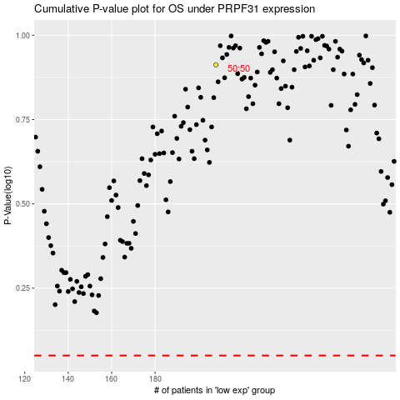

 |  |  |  |  |  | cases_OS | p_OS | rank | exp
 |  |  |  |  |  |  | cases_RFS | p_RFS | rank | exp

