PRPF38A _multivariate
Reported by Tex Li-Hsing Chi. tex@gate.sinica.edu.tw 2019-08-16

Table 2. The clinicopathological features of HNSCC cohort and PRPF38A expression. (Chi square test)
Cutoff at 0.302 (68.4%)
 |  | PRPF38A expression |  | PRPF38A expression |  | (Optimised)
 | Features | Low | (%) | High | (%) | Case no | P-value | Remark | Matthews
Gender | Female | 199 | 48 | 107 | 25.8 | 415 | 0.0174 | 1 | 0
2 | Male | 85 | 20.5 | 24 | 5.8
Age at diagnosis | <=65y | 175 | 42.2 | 99 | 23.9 | 415 | 0.0074 | 1 | 0
4 | >65y | 109 | 26.3 | 32 | 7.7
Clinical T Status | T1+T2 | 97 | 23.4 | 52 | 12.5 | 415 | 0.3255 | 0 | 0
6 | T3+T4 | 187 | 45.1 | 79 | 19
Clinical N Status | N0 | 154 | 37.1 | 62 | 14.9 | 415 | 0.2296 | 0 | 0
8 | N1-3 | 130 | 31.3 | 69 | 16.6
Clinical M Status | M0 | 284 | 68.4 | 128 | 30.8 | 415 | 0.031 | 1 | 0
10 | M1 | 0 | 0 | 3 | 0.7
Clinical Stage | Stage I+II | 74 | 17.8 | 28 | 6.7 | 415 | 0.3644 | 0 | 0
12 | Stage III+IV | 210 | 50.6 | 103 | 24.8
Surgical Margin status | Negative | 223 | 53.7 | 95 | 22.9 | 415 | 0.2119 | 0 | 0
14 | Positive | 61 | 14.7 | 36 | 8.7
Tobacco Exposure | Low | 118 | 28.4 | 43 | 10.4 | 415 | 0.1041 | 0 | 0
16 | High | 166 | 40 | 88 | 21.2

Table 3. Univariate/Multivariate Cox's proportional hazards regression analyses on OS time of PRPF38A gene expression in HNSCC

 |  | Univariate |  |  |  | Multivariate
 | Features | HR | CI95%(L) | CI95%(H) | P-value | HR | CI95%(L) | CI95%(H) | P-value
1 | Female | 1 |  |  |  | 1
Gender | Male | 1.157 | 0.843 | 1.587 | 0.367 | 1.195 | 0.856 | 1.67 | 0.295
11 | <=65y | 1 |  |  |  | 1
Age at diagnosis | >65y | 1.329 | 0.99 | 1.784 | 0.058 | 1.327 | 0.975 | 1.806 | 0.072
12 | T1+T2 | 1 |  |  |  | 1
Clinical T Status | T3+T4 | 1.409 | 1.028 | 1.931 | 0.033 | 2.077 | 1.095 | 3.939 | 0.025
13 | N0 | 1 |  |  |  | 1
Clinical N Status | N1-3 | 1.185 | 0.89 | 1.577 | 0.246 | 1.224 | 0.858 | 1.744 | 0.265
14 | M0 | 1 |  |  |  | 1
Clinical M Status | M1 | 4.097 | 1.009 | 16.644 | 0.049 | 11.721 | 2.521 | 54.501 | 0.002
15 | Stage I+II | 1 |  |  |  | 1
Clinical Stage | Stage III+IV | 1.245 | 0.882 | 1.759 | 0.213 | 0.549 | 0.255 | 1.182 | 0.125
16 | Negative | 1 |  |  |  | 1
Surgical Margin status | Positive | 1.591 | 1.155 | 2.191 | 0.004 | 1.729 | 1.249 | 2.393 | 0.001
17 | Low | 1 |  |  |  | 1
Tobacco Exposure | High | 1.364 | 1.008 | 1.844 | 0.044 | 1.496 | 1.085 | 2.064 | 0.014
18 | Low | 1 |  |  |  | 1
RNAseq(z-score) | High | 0.712 | 0.513 | 0.989 | 0.043 | 0.681 | 0.484 | 0.957 | 0.027

Table 4. Univariate/Multivariate Cox's proportional hazards regression analyses on RFS time of PRPF38A gene expression in HNSCC

 |  | Univariate |  |  |  | Multivariate
 | Features | HR | CI95%(L) | CI95%(H) | P-value | HR | CI95%(L) | CI95%(H) | P-value
1 | Female | 1 |  |  |  | 1
Gender | Male | 1.157 | 0.843 | 1.587 | 0.367 | 1.195 | 0.856 | 1.67 | 0.295
11 | <=65y | 1 |  |  |  | 1
Age at diagnosis | >65y | 1.329 | 0.99 | 1.784 | 0.058 | 1.327 | 0.975 | 1.806 | 0.072
12 | T1+T2 | 1 |  |  |  | 1
Clinical T Status | T3+T4 | 1.409 | 1.028 | 1.931 | 0.033 | 2.077 | 1.095 | 3.939 | 0.025
13 | N0 | 1 |  |  |  | 1
Clinical N Status | N1-3 | 1.185 | 0.89 | 1.577 | 0.246 | 1.224 | 0.858 | 1.744 | 0.265
14 | M0 | 1 |  |  |  | 1
Clinical M Status | M1 | 4.097 | 1.009 | 16.644 | 0.049 | 11.721 | 2.521 | 54.501 | 0.002
15 | Stage I+II | 1 |  |  |  | 1
Clinical Stage | Stage III+IV | 1.245 | 0.882 | 1.759 | 0.213 | 0.549 | 0.255 | 1.182 | 0.125
16 | Negative | 1 |  |  |  | 1
Surgical Margin status | Positive | 1.591 | 1.155 | 2.191 | 0.004 | 1.729 | 1.249 | 2.393 | 0.001
17 | Low | 1 |  |  |  | 1
Tobacco Exposure | High | 1.364 | 1.008 | 1.844 | 0.044 | 1.496 | 1.085 | 2.064 | 0.014
18 | Low | 1 |  |  |  | 1
RNAseq(z-score) | High | 0.712 | 0.513 | 0.989 | 0.043 | 0.681 | 0.484 | 0.957 | 0.027

Kaplan-Meier survival estimate: Cutoff at 0.302 (68.4%)



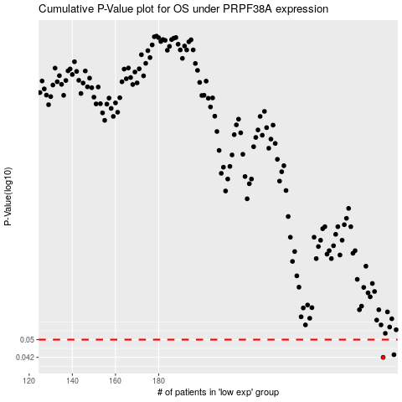

 |  |  |  |  |  | cases_OS | p_OS | rank | exp
 |  |  |  |  |  | 284 | 0.042 | 301 | 0.30179625896
 |  |  |  |  |  | 289 | 0.0431 | 193 | 0.34423182903
 |  |  |  |  |  |  | cases_RFS | p_RFS | rank | exp
 |  |  |  |  |  |  | 283 | 0.042 | 196 | 0.29696346644
 |  |  |  |  |  |  | 288 | 0.0431 | 155 | 0.33663140157

