PRPF40B _multivariate
Reported by Tex Li-Hsing Chi. tex@gate.sinica.edu.tw 2019-08-16

Table 2. The clinicopathological features of HNSCC cohort and PRPF40B expression. (Chi square test)
Cutoff at -0.128 (49.8%)
 |  | PRPF40B expression |  | PRPF40B expression |  | (Optimised)
 | Features | Low | (%) | High | (%) | Case no | P-value | Remark | Matthews
Gender | Female | 147 | 35.4 | 159 | 38.3 | 415 | 0.2523 | 0 | 0
2 | Male | 60 | 14.5 | 49 | 11.8
Age at diagnosis | <=65y | 134 | 32.3 | 140 | 33.7 | 415 | 0.6529 | 0 | 0
4 | >65y | 73 | 17.6 | 68 | 16.4
Clinical T Status | T1+T2 | 76 | 18.3 | 73 | 17.6 | 415 | 0.8092 | 0 | 0
6 | T3+T4 | 131 | 31.6 | 135 | 32.5
Clinical N Status | N0 | 95 | 22.9 | 121 | 29.2 | 415 | 0.0162 | 1 | 0
8 | N1-3 | 112 | 27 | 87 | 21
Clinical M Status | M0 | 206 | 49.6 | 206 | 49.6 | 415 | 1 | 0 | 0
10 | M1 | 1 | 0.2 | 2 | 0.5
Clinical Stage | Stage I+II | 51 | 12.3 | 51 | 12.3 | 415 | 1 | 0 | 0
12 | Stage III+IV | 156 | 37.6 | 157 | 37.8
Surgical Margin status | Negative | 164 | 39.5 | 154 | 37.1 | 415 | 0.2462 | 0 | 0
14 | Positive | 43 | 10.4 | 54 | 13
Tobacco Exposure | Low | 81 | 19.5 | 80 | 19.3 | 415 | 0.9199 | 0 | 0
16 | High | 126 | 30.4 | 128 | 30.8

Table 3. Univariate/Multivariate Cox's proportional hazards regression analyses on OS time of PRPF40B gene expression in HNSCC

 |  | Univariate |  |  |  | Multivariate
 | Features | HR | CI95%(L) | CI95%(H) | P-value | HR | CI95%(L) | CI95%(H) | P-value
1 | Female | 1 |  |  |  | 1
Gender | Male | 1.157 | 0.843 | 1.587 | 0.367 | 1.189 | 0.851 | 1.662 | 0.31
11 | <=65y | 1 |  |  |  | 1
Age at diagnosis | >65y | 1.329 | 0.99 | 1.784 | 0.058 | 1.377 | 1.013 | 1.872 | 0.041
12 | T1+T2 | 1 |  |  |  | 1
Clinical T Status | T3+T4 | 1.409 | 1.028 | 1.931 | 0.033 | 2.158 | 1.141 | 4.081 | 0.018
13 | N0 | 1 |  |  |  | 1
Clinical N Status | N1-3 | 1.185 | 0.89 | 1.577 | 0.246 | 1.18 | 0.82 | 1.697 | 0.373
14 | M0 | 1 |  |  |  | 1
Clinical M Status | M1 | 4.097 | 1.009 | 16.644 | 0.049 | 9.93 | 2.162 | 45.605 | 0.003
15 | Stage I+II | 1 |  |  |  | 1
Clinical Stage | Stage III+IV | 1.245 | 0.882 | 1.759 | 0.213 | 0.531 | 0.246 | 1.144 | 0.106
16 | Negative | 1 |  |  |  | 1
Surgical Margin status | Positive | 1.591 | 1.155 | 2.191 | 0.004 | 1.702 | 1.231 | 2.353 | 0.001
17 | Low | 1 |  |  |  | 1
Tobacco Exposure | High | 1.364 | 1.008 | 1.844 | 0.044 | 1.477 | 1.071 | 2.037 | 0.018
18 | Low | 1 |  |  |  | 1
RNAseq(z-score) | High | 0.857 | 0.643 | 1.144 | 0.296 | 0.827 | 0.614 | 1.116 | 0.214

Table 4. Univariate/Multivariate Cox's proportional hazards regression analyses on RFS time of PRPF40B gene expression in HNSCC

 |  | Univariate |  |  |  | Multivariate
 | Features | HR | CI95%(L) | CI95%(H) | P-value | HR | CI95%(L) | CI95%(H) | P-value
1 | Female | 1 |  |  |  | 1
Gender | Male | 1.157 | 0.843 | 1.587 | 0.367 | 1.189 | 0.851 | 1.662 | 0.31
11 | <=65y | 1 |  |  |  | 1
Age at diagnosis | >65y | 1.329 | 0.99 | 1.784 | 0.058 | 1.377 | 1.013 | 1.872 | 0.041
12 | T1+T2 | 1 |  |  |  | 1
Clinical T Status | T3+T4 | 1.409 | 1.028 | 1.931 | 0.033 | 2.158 | 1.141 | 4.081 | 0.018
13 | N0 | 1 |  |  |  | 1
Clinical N Status | N1-3 | 1.185 | 0.89 | 1.577 | 0.246 | 1.18 | 0.82 | 1.697 | 0.373
14 | M0 | 1 |  |  |  | 1
Clinical M Status | M1 | 4.097 | 1.009 | 16.644 | 0.049 | 9.93 | 2.162 | 45.605 | 0.003
15 | Stage I+II | 1 |  |  |  | 1
Clinical Stage | Stage III+IV | 1.245 | 0.882 | 1.759 | 0.213 | 0.531 | 0.246 | 1.144 | 0.106
16 | Negative | 1 |  |  |  | 1
Surgical Margin status | Positive | 1.591 | 1.155 | 2.191 | 0.004 | 1.702 | 1.231 | 2.353 | 0.001
17 | Low | 1 |  |  |  | 1
Tobacco Exposure | High | 1.364 | 1.008 | 1.844 | 0.044 | 1.477 | 1.071 | 2.037 | 0.018
18 | Low | 1 |  |  |  | 1
RNAseq(z-score) | High | 0.857 | 0.643 | 1.144 | 0.296 | 0.827 | 0.614 | 1.116 | 0.214

Kaplan-Meier survival estimate: Cutoff at -0.128 (49.8%)



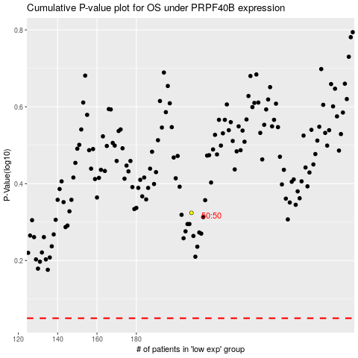

 |  |  |  |  |  | cases_OS | p_OS | rank | exp
 |  |  |  |  |  |  | cases_RFS | p_RFS | rank | exp

