PRPF6 _multivariate
Reported by Tex Li-Hsing Chi. tex@gate.sinica.edu.tw 2019-08-16

Table 2. The clinicopathological features of HNSCC cohort and PRPF6 expression. (Chi square test)
Cutoff at -0.206 (49.8%)
 |  | PRPF6 expression |  | PRPF6 expression |  | (Optimised)
 | Features | Low | (%) | High | (%) | Case no | P-value | Remark | Matthews
Gender | Female | 150 | 36.1 | 156 | 37.6 | 415 | 0.6344 | 0 | 0
2 | Male | 57 | 13.7 | 52 | 12.5
Age at diagnosis | <=65y | 131 | 31.6 | 143 | 34.5 | 415 | 0.2839 | 0 | 0
4 | >65y | 76 | 18.3 | 65 | 15.7
Clinical T Status | T1+T2 | 75 | 18.1 | 74 | 17.8 | 415 | 0.9707 | 0 | 0
6 | T3+T4 | 132 | 31.8 | 134 | 32.3
Clinical N Status | N0 | 110 | 26.5 | 106 | 25.5 | 415 | 0.7294 | 0 | 0
8 | N1-3 | 97 | 23.4 | 102 | 24.6
Clinical M Status | M0 | 207 | 49.9 | 205 | 49.4 | 415 | 0.2482 | 0 | 0
10 | M1 | 0 | 0 | 3 | 0.7
Clinical Stage | Stage I+II | 50 | 12 | 52 | 12.5 | 415 | 0.9315 | 0 | 0
12 | Stage III+IV | 157 | 37.8 | 156 | 37.6
Surgical Margin status | Negative | 157 | 37.8 | 161 | 38.8 | 415 | 0.729 | 0 | 0
14 | Positive | 50 | 12 | 47 | 11.3
Tobacco Exposure | Low | 82 | 19.8 | 79 | 19 | 415 | 0.763 | 0 | 0
16 | High | 125 | 30.1 | 129 | 31.1

Table 3. Univariate/Multivariate Cox's proportional hazards regression analyses on OS time of PRPF6 gene expression in HNSCC

 |  | Univariate |  |  |  | Multivariate
 | Features | HR | CI95%(L) | CI95%(H) | P-value | HR | CI95%(L) | CI95%(H) | P-value
1 | Female | 1 |  |  |  | 1
Gender | Male | 1.157 | 0.843 | 1.587 | 0.367 | 1.196 | 0.855 | 1.672 | 0.296
11 | <=65y | 1 |  |  |  | 1
Age at diagnosis | >65y | 1.329 | 0.99 | 1.784 | 0.058 | 1.389 | 1.022 | 1.888 | 0.036
12 | T1+T2 | 1 |  |  |  | 1
Clinical T Status | T3+T4 | 1.409 | 1.028 | 1.931 | 0.033 | 2.18 | 1.153 | 4.125 | 0.017
13 | N0 | 1 |  |  |  | 1
Clinical N Status | N1-3 | 1.185 | 0.89 | 1.577 | 0.246 | 1.225 | 0.857 | 1.751 | 0.265
14 | M0 | 1 |  |  |  | 1
Clinical M Status | M1 | 4.097 | 1.009 | 16.644 | 0.049 | 8.87 | 1.92 | 40.97 | 0.005
15 | Stage I+II | 1 |  |  |  | 1
Clinical Stage | Stage III+IV | 1.245 | 0.882 | 1.759 | 0.213 | 0.51 | 0.237 | 1.096 | 0.085
16 | Negative | 1 |  |  |  | 1
Surgical Margin status | Positive | 1.591 | 1.155 | 2.191 | 0.004 | 1.668 | 1.207 | 2.305 | 0.002
17 | Low | 1 |  |  |  | 1
Tobacco Exposure | High | 1.364 | 1.008 | 1.844 | 0.044 | 1.451 | 1.053 | 1.998 | 0.023
18 | Low | 1 |  |  |  | 1
RNAseq(z-score) | High | 1.19 | 0.893 | 1.586 | 0.236 | 1.117 | 0.834 | 1.494 | 0.459

Table 4. Univariate/Multivariate Cox's proportional hazards regression analyses on RFS time of PRPF6 gene expression in HNSCC

 |  | Univariate |  |  |  | Multivariate
 | Features | HR | CI95%(L) | CI95%(H) | P-value | HR | CI95%(L) | CI95%(H) | P-value
1 | Female | 1 |  |  |  | 1
Gender | Male | 1.157 | 0.843 | 1.587 | 0.367 | 1.196 | 0.855 | 1.672 | 0.296
11 | <=65y | 1 |  |  |  | 1
Age at diagnosis | >65y | 1.329 | 0.99 | 1.784 | 0.058 | 1.389 | 1.022 | 1.888 | 0.036
12 | T1+T2 | 1 |  |  |  | 1
Clinical T Status | T3+T4 | 1.409 | 1.028 | 1.931 | 0.033 | 2.18 | 1.153 | 4.125 | 0.017
13 | N0 | 1 |  |  |  | 1
Clinical N Status | N1-3 | 1.185 | 0.89 | 1.577 | 0.246 | 1.225 | 0.857 | 1.751 | 0.265
14 | M0 | 1 |  |  |  | 1
Clinical M Status | M1 | 4.097 | 1.009 | 16.644 | 0.049 | 8.87 | 1.92 | 40.97 | 0.005
15 | Stage I+II | 1 |  |  |  | 1
Clinical Stage | Stage III+IV | 1.245 | 0.882 | 1.759 | 0.213 | 0.51 | 0.237 | 1.096 | 0.085
16 | Negative | 1 |  |  |  | 1
Surgical Margin status | Positive | 1.591 | 1.155 | 2.191 | 0.004 | 1.668 | 1.207 | 2.305 | 0.002
17 | Low | 1 |  |  |  | 1
Tobacco Exposure | High | 1.364 | 1.008 | 1.844 | 0.044 | 1.451 | 1.053 | 1.998 | 0.023
18 | Low | 1 |  |  |  | 1
RNAseq(z-score) | High | 1.19 | 0.893 | 1.586 | 0.236 | 1.117 | 0.834 | 1.494 | 0.459

Kaplan-Meier survival estimate: Cutoff at -0.206 (49.8%)



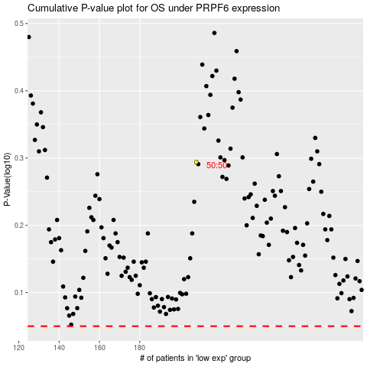

 |  |  |  |  |  | cases_OS | p_OS | rank | exp
 |  |  |  |  |  |  | cases_RFS | p_RFS | rank | exp

