PRPH2 _multivariate
Reported by Tex Li-Hsing Chi. tex@gate.sinica.edu.tw 2019-08-16

Table 2. The clinicopathological features of HNSCC cohort and PRPH2 expression. (Chi square test)
Cutoff at -0.42 (30.2%)
 |  | PRPH2 expression |  | PRPH2 expression |  | (Optimised)
 | Features | Low | (%) | High | (%) | Case no | P-value | Remark | Matthews
Gender | Female | 87 | 21 | 219 | 52.8 | 415 | 0.2563 | 0 | 0
2 | Male | 38 | 9.2 | 71 | 17.1
Age at diagnosis | <=65y | 77 | 18.6 | 197 | 47.5 | 415 | 0.2558 | 0 | 0
4 | >65y | 48 | 11.6 | 93 | 22.4
Clinical T Status | T1+T2 | 44 | 10.6 | 105 | 25.3 | 415 | 0.9325 | 0 | 0
6 | T3+T4 | 81 | 19.5 | 185 | 44.6
Clinical N Status | N0 | 63 | 15.2 | 153 | 36.9 | 415 | 0.7383 | 0 | 0
8 | N1-3 | 62 | 14.9 | 137 | 33
Clinical M Status | M0 | 122 | 29.4 | 290 | 69.9 | 415 | 0.0269 | 1 | 0
10 | M1 | 3 | 0.7 | 0 | 0
Clinical Stage | Stage I+II | 30 | 7.2 | 72 | 17.3 | 415 | 0.9558 | 0 | 0
12 | Stage III+IV | 95 | 22.9 | 218 | 52.5
Surgical Margin status | Negative | 95 | 22.9 | 223 | 53.7 | 415 | 0.8995 | 0 | 0
14 | Positive | 30 | 7.2 | 67 | 16.1
Tobacco Exposure | Low | 58 | 14 | 103 | 24.8 | 415 | 0.0479 | 1 | 0
16 | High | 67 | 16.1 | 187 | 45.1

Table 3. Univariate/Multivariate Cox's proportional hazards regression analyses on OS time of PRPH2 gene expression in HNSCC

 |  | Univariate |  |  |  | Multivariate
 | Features | HR | CI95%(L) | CI95%(H) | P-value | HR | CI95%(L) | CI95%(H) | P-value
1 | Female | 1 |  |  |  | 1
Gender | Male | 1.157 | 0.843 | 1.587 | 0.367 | 1.18 | 0.843 | 1.651 | 0.334
11 | <=65y | 1 |  |  |  | 1
Age at diagnosis | >65y | 1.329 | 0.99 | 1.784 | 0.058 | 1.355 | 0.997 | 1.842 | 0.052
12 | T1+T2 | 1 |  |  |  | 1
Clinical T Status | T3+T4 | 1.409 | 1.028 | 1.931 | 0.033 | 2.246 | 1.187 | 4.249 | 0.013
13 | N0 | 1 |  |  |  | 1
Clinical N Status | N1-3 | 1.185 | 0.89 | 1.577 | 0.246 | 1.199 | 0.84 | 1.712 | 0.318
14 | M0 | 1 |  |  |  | 1
Clinical M Status | M1 | 4.097 | 1.009 | 16.644 | 0.049 | 7.772 | 1.677 | 36.016 | 0.009
15 | Stage I+II | 1 |  |  |  | 1
Clinical Stage | Stage III+IV | 1.245 | 0.882 | 1.759 | 0.213 | 0.502 | 0.234 | 1.076 | 0.076
16 | Negative | 1 |  |  |  | 1
Surgical Margin status | Positive | 1.591 | 1.155 | 2.191 | 0.004 | 1.689 | 1.221 | 2.336 | 0.002
17 | Low | 1 |  |  |  | 1
Tobacco Exposure | High | 1.364 | 1.008 | 1.844 | 0.044 | 1.499 | 1.084 | 2.072 | 0.014
18 | Low | 1 |  |  |  | 1
RNAseq(z-score) | High | 0.719 | 0.532 | 0.972 | 0.032 | 0.725 | 0.531 | 0.989 | 0.042

Table 4. Univariate/Multivariate Cox's proportional hazards regression analyses on RFS time of PRPH2 gene expression in HNSCC

 |  | Univariate |  |  |  | Multivariate
 | Features | HR | CI95%(L) | CI95%(H) | P-value | HR | CI95%(L) | CI95%(H) | P-value
1 | Female | 1 |  |  |  | 1
Gender | Male | 1.157 | 0.843 | 1.587 | 0.367 | 1.18 | 0.843 | 1.651 | 0.334
11 | <=65y | 1 |  |  |  | 1
Age at diagnosis | >65y | 1.329 | 0.99 | 1.784 | 0.058 | 1.355 | 0.997 | 1.842 | 0.052
12 | T1+T2 | 1 |  |  |  | 1
Clinical T Status | T3+T4 | 1.409 | 1.028 | 1.931 | 0.033 | 2.246 | 1.187 | 4.249 | 0.013
13 | N0 | 1 |  |  |  | 1
Clinical N Status | N1-3 | 1.185 | 0.89 | 1.577 | 0.246 | 1.199 | 0.84 | 1.712 | 0.318
14 | M0 | 1 |  |  |  | 1
Clinical M Status | M1 | 4.097 | 1.009 | 16.644 | 0.049 | 7.772 | 1.677 | 36.016 | 0.009
15 | Stage I+II | 1 |  |  |  | 1
Clinical Stage | Stage III+IV | 1.245 | 0.882 | 1.759 | 0.213 | 0.502 | 0.234 | 1.076 | 0.076
16 | Negative | 1 |  |  |  | 1
Surgical Margin status | Positive | 1.591 | 1.155 | 2.191 | 0.004 | 1.689 | 1.221 | 2.336 | 0.002
17 | Low | 1 |  |  |  | 1
Tobacco Exposure | High | 1.364 | 1.008 | 1.844 | 0.044 | 1.499 | 1.084 | 2.072 | 0.014
18 | Low | 1 |  |  |  | 1
RNAseq(z-score) | High | 0.719 | 0.532 | 0.972 | 0.032 | 0.725 | 0.531 | 0.989 | 0.042

Kaplan-Meier survival estimate: Cutoff at -0.42 (30.2%)



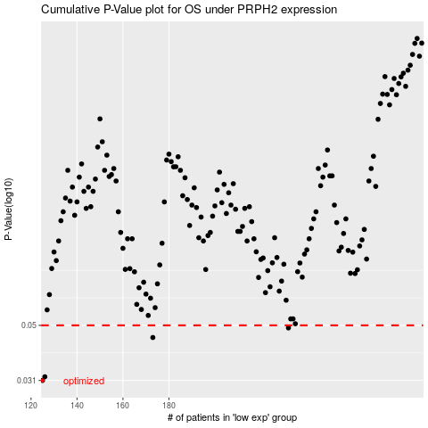

 |  |  |  |  |  | cases_OS | p_OS | rank | exp
 |  |  |  |  |  | 125 | 0.031 | 173 | -0.42007361324
 |  |  |  |  |  | 126 | 0.032 | 230 | -0.41910028407
 |  |  |  |  |  | 173 | 0.045 | 50 | -0.35306193483
 |  |  |  |  |  | 232 | 0.0489 | 238 | -0.25921153704
 |  |  |  |  |  |  | cases_RFS | p_RFS | rank | exp
 |  |  |  |  |  |  |  | 0.031 | 99 | -0.42101363458
 |  |  |  |  |  |  | 125 | 0.032 | 173 | -0.42007361324
 |  |  |  |  |  |  | 172 | 0.045 | 274 | -0.35726242387
 |  |  |  |  |  |  | 231 | 0.0489 | 390 | -0.26130252938

