PRPS1L1 _multivariate
Reported by Tex Li-Hsing Chi. tex@gate.sinica.edu.tw 2019-08-16

Table 2. The clinicopathological features of HNSCC cohort and PRPS1L1 expression. (Chi square test)
Cutoff at -0.171 (49.8%)
 |  | PRPS1L1 expression |  | PRPS1L1 expression |  | (Optimised)
 | Features | Low | (%) | High | (%) | Case no | P-value | Remark | Matthews
Gender | Female | 149 | 35.9 | 157 | 37.8 | 415 | 0.4848 | 0 | 0
2 | Male | 58 | 14 | 51 | 12.3
Age at diagnosis | <=65y | 135 | 32.5 | 139 | 33.5 | 415 | 0.8084 | 0 | 0
4 | >65y | 72 | 17.3 | 69 | 16.6
Clinical T Status | T1+T2 | 70 | 16.9 | 79 | 19 | 415 | 0.4343 | 0 | 0
6 | T3+T4 | 137 | 33 | 129 | 31.1
Clinical N Status | N0 | 104 | 25.1 | 112 | 27 | 415 | 0.5243 | 0 | 0
8 | N1-3 | 103 | 24.8 | 96 | 23.1
Clinical M Status | M0 | 205 | 49.4 | 207 | 49.9 | 415 | 0.6232 | 0 | 0
10 | M1 | 2 | 0.5 | 1 | 0.2
Clinical Stage | Stage I+II | 43 | 10.4 | 59 | 14.2 | 415 | 0.0925 | 0 | 0
12 | Stage III+IV | 164 | 39.5 | 149 | 35.9
Surgical Margin status | Negative | 156 | 37.6 | 162 | 39 | 415 | 0.5636 | 0 | 0
14 | Positive | 51 | 12.3 | 46 | 11.1
Tobacco Exposure | Low | 83 | 20 | 78 | 18.8 | 415 | 0.6152 | 0 | 0
16 | High | 124 | 29.9 | 130 | 31.3

Table 3. Univariate/Multivariate Cox's proportional hazards regression analyses on OS time of PRPS1L1 gene expression in HNSCC

 |  | Univariate |  |  |  | Multivariate
 | Features | HR | CI95%(L) | CI95%(H) | P-value | HR | CI95%(L) | CI95%(H) | P-value
1 | Female | 1 |  |  |  | 1
Gender | Male | 1.157 | 0.843 | 1.587 | 0.367 | 1.217 | 0.871 | 1.701 | 0.249
11 | <=65y | 1 |  |  |  | 1
Age at diagnosis | >65y | 1.329 | 0.99 | 1.784 | 0.058 | 1.396 | 1.027 | 1.898 | 0.033
12 | T1+T2 | 1 |  |  |  | 1
Clinical T Status | T3+T4 | 1.409 | 1.028 | 1.931 | 0.033 | 2.178 | 1.152 | 4.116 | 0.017
13 | N0 | 1 |  |  |  | 1
Clinical N Status | N1-3 | 1.185 | 0.89 | 1.577 | 0.246 | 1.238 | 0.868 | 1.766 | 0.239
14 | M0 | 1 |  |  |  | 1
Clinical M Status | M1 | 4.097 | 1.009 | 16.644 | 0.049 | 9.42 | 2.056 | 43.162 | 0.004
15 | Stage I+II | 1 |  |  |  | 1
Clinical Stage | Stage III+IV | 1.245 | 0.882 | 1.759 | 0.213 | 0.525 | 0.244 | 1.131 | 0.1
16 | Negative | 1 |  |  |  | 1
Surgical Margin status | Positive | 1.591 | 1.155 | 2.191 | 0.004 | 1.66 | 1.202 | 2.293 | 0.002
17 | Low | 1 |  |  |  | 1
Tobacco Exposure | High | 1.364 | 1.008 | 1.844 | 0.044 | 1.455 | 1.056 | 2.005 | 0.022
18 | Low | 1 |  |  |  | 1
RNAseq(z-score) | High | 1.147 | 0.859 | 1.53 | 0.352 | 1.179 | 0.881 | 1.578 | 0.269

Table 4. Univariate/Multivariate Cox's proportional hazards regression analyses on RFS time of PRPS1L1 gene expression in HNSCC

 |  | Univariate |  |  |  | Multivariate
 | Features | HR | CI95%(L) | CI95%(H) | P-value | HR | CI95%(L) | CI95%(H) | P-value
1 | Female | 1 |  |  |  | 1
Gender | Male | 1.157 | 0.843 | 1.587 | 0.367 | 1.217 | 0.871 | 1.701 | 0.249
11 | <=65y | 1 |  |  |  | 1
Age at diagnosis | >65y | 1.329 | 0.99 | 1.784 | 0.058 | 1.396 | 1.027 | 1.898 | 0.033
12 | T1+T2 | 1 |  |  |  | 1
Clinical T Status | T3+T4 | 1.409 | 1.028 | 1.931 | 0.033 | 2.178 | 1.152 | 4.116 | 0.017
13 | N0 | 1 |  |  |  | 1
Clinical N Status | N1-3 | 1.185 | 0.89 | 1.577 | 0.246 | 1.238 | 0.868 | 1.766 | 0.239
14 | M0 | 1 |  |  |  | 1
Clinical M Status | M1 | 4.097 | 1.009 | 16.644 | 0.049 | 9.42 | 2.056 | 43.162 | 0.004
15 | Stage I+II | 1 |  |  |  | 1
Clinical Stage | Stage III+IV | 1.245 | 0.882 | 1.759 | 0.213 | 0.525 | 0.244 | 1.131 | 0.1
16 | Negative | 1 |  |  |  | 1
Surgical Margin status | Positive | 1.591 | 1.155 | 2.191 | 0.004 | 1.66 | 1.202 | 2.293 | 0.002
17 | Low | 1 |  |  |  | 1
Tobacco Exposure | High | 1.364 | 1.008 | 1.844 | 0.044 | 1.455 | 1.056 | 2.005 | 0.022
18 | Low | 1 |  |  |  | 1
RNAseq(z-score) | High | 1.147 | 0.859 | 1.53 | 0.352 | 1.179 | 0.881 | 1.578 | 0.269

Kaplan-Meier survival estimate: Cutoff at -0.171 (49.8%)



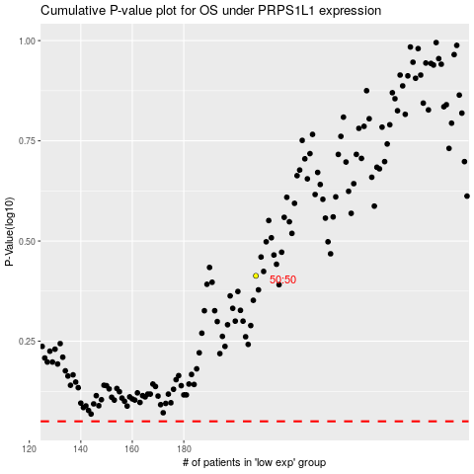

 |  |  |  |  |  | cases_OS | p_OS | rank | exp
 |  |  |  |  |  |  | cases_RFS | p_RFS | rank | exp

