PRR11 _multivariate
Reported by Tex Li-Hsing Chi. tex@gate.sinica.edu.tw 2019-08-16

Table 2. The clinicopathological features of HNSCC cohort and PRR11 expression. (Chi square test)
Cutoff at -0.052 (49.8%)
 |  | PRR11 expression |  | PRR11 expression |  | (Optimised)
 | Features | Low | (%) | High | (%) | Case no | P-value | Remark | Matthews
Gender | Female | 151 | 36.4 | 155 | 37.3 | 415 | 0.8007 | 0 | 0
2 | Male | 56 | 13.5 | 53 | 12.8
Age at diagnosis | <=65y | 135 | 32.5 | 139 | 33.5 | 415 | 0.8084 | 0 | 0
4 | >65y | 72 | 17.3 | 69 | 16.6
Clinical T Status | T1+T2 | 75 | 18.1 | 74 | 17.8 | 415 | 0.9707 | 0 | 0
6 | T3+T4 | 132 | 31.8 | 134 | 32.3
Clinical N Status | N0 | 119 | 28.7 | 97 | 23.4 | 415 | 0.0345 | 1 | 0
8 | N1-3 | 88 | 21.2 | 111 | 26.7
Clinical M Status | M0 | 206 | 49.6 | 206 | 49.6 | 415 | 1 | 0 | 0
10 | M1 | 1 | 0.2 | 2 | 0.5
Clinical Stage | Stage I+II | 53 | 12.8 | 49 | 11.8 | 415 | 0.7113 | 0 | 0
12 | Stage III+IV | 154 | 37.1 | 159 | 38.3
Surgical Margin status | Negative | 154 | 37.1 | 164 | 39.5 | 415 | 0.2984 | 0 | 0
14 | Positive | 53 | 12.8 | 44 | 10.6
Tobacco Exposure | Low | 89 | 21.4 | 72 | 17.3 | 415 | 0.0872 | 0 | 0
16 | High | 118 | 28.4 | 136 | 32.8

Table 3. Univariate/Multivariate Cox's proportional hazards regression analyses on OS time of PRR11 gene expression in HNSCC

 |  | Univariate |  |  |  | Multivariate
 | Features | HR | CI95%(L) | CI95%(H) | P-value | HR | CI95%(L) | CI95%(H) | P-value
1 | Female | 1 |  |  |  | 1
Gender | Male | 1.157 | 0.843 | 1.587 | 0.367 | 1.221 | 0.873 | 1.709 | 0.244
11 | <=65y | 1 |  |  |  | 1
Age at diagnosis | >65y | 1.329 | 0.99 | 1.784 | 0.058 | 1.387 | 1.021 | 1.885 | 0.037
12 | T1+T2 | 1 |  |  |  | 1
Clinical T Status | T3+T4 | 1.409 | 1.028 | 1.931 | 0.033 | 2.217 | 1.173 | 4.193 | 0.014
13 | N0 | 1 |  |  |  | 1
Clinical N Status | N1-3 | 1.185 | 0.89 | 1.577 | 0.246 | 1.218 | 0.852 | 1.741 | 0.28
14 | M0 | 1 |  |  |  | 1
Clinical M Status | M1 | 4.097 | 1.009 | 16.644 | 0.049 | 9.471 | 2.066 | 43.424 | 0.004
15 | Stage I+II | 1 |  |  |  | 1
Clinical Stage | Stage III+IV | 1.245 | 0.882 | 1.759 | 0.213 | 0.505 | 0.235 | 1.084 | 0.08
16 | Negative | 1 |  |  |  | 1
Surgical Margin status | Positive | 1.591 | 1.155 | 2.191 | 0.004 | 1.688 | 1.221 | 2.334 | 0.002
17 | Low | 1 |  |  |  | 1
Tobacco Exposure | High | 1.364 | 1.008 | 1.844 | 0.044 | 1.448 | 1.051 | 1.996 | 0.024
18 | Low | 1 |  |  |  | 1
RNAseq(z-score) | High | 1.141 | 0.857 | 1.52 | 0.367 | 1.162 | 0.868 | 1.555 | 0.312

Table 4. Univariate/Multivariate Cox's proportional hazards regression analyses on RFS time of PRR11 gene expression in HNSCC

 |  | Univariate |  |  |  | Multivariate
 | Features | HR | CI95%(L) | CI95%(H) | P-value | HR | CI95%(L) | CI95%(H) | P-value
1 | Female | 1 |  |  |  | 1
Gender | Male | 1.157 | 0.843 | 1.587 | 0.367 | 1.221 | 0.873 | 1.709 | 0.244
11 | <=65y | 1 |  |  |  | 1
Age at diagnosis | >65y | 1.329 | 0.99 | 1.784 | 0.058 | 1.387 | 1.021 | 1.885 | 0.037
12 | T1+T2 | 1 |  |  |  | 1
Clinical T Status | T3+T4 | 1.409 | 1.028 | 1.931 | 0.033 | 2.217 | 1.173 | 4.193 | 0.014
13 | N0 | 1 |  |  |  | 1
Clinical N Status | N1-3 | 1.185 | 0.89 | 1.577 | 0.246 | 1.218 | 0.852 | 1.741 | 0.28
14 | M0 | 1 |  |  |  | 1
Clinical M Status | M1 | 4.097 | 1.009 | 16.644 | 0.049 | 9.471 | 2.066 | 43.424 | 0.004
15 | Stage I+II | 1 |  |  |  | 1
Clinical Stage | Stage III+IV | 1.245 | 0.882 | 1.759 | 0.213 | 0.505 | 0.235 | 1.084 | 0.08
16 | Negative | 1 |  |  |  | 1
Surgical Margin status | Positive | 1.591 | 1.155 | 2.191 | 0.004 | 1.688 | 1.221 | 2.334 | 0.002
17 | Low | 1 |  |  |  | 1
Tobacco Exposure | High | 1.364 | 1.008 | 1.844 | 0.044 | 1.448 | 1.051 | 1.996 | 0.024
18 | Low | 1 |  |  |  | 1
RNAseq(z-score) | High | 1.141 | 0.857 | 1.52 | 0.367 | 1.162 | 0.868 | 1.555 | 0.312

Kaplan-Meier survival estimate: Cutoff at -0.052 (49.8%)



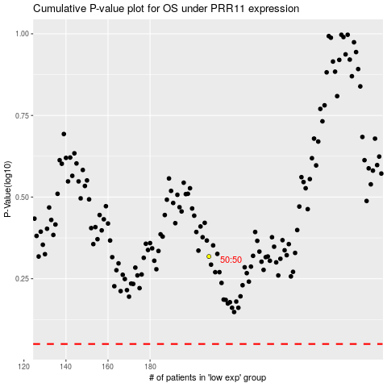

 |  |  |  |  |  | cases_OS | p_OS | rank | exp
 |  |  |  |  |  |  | cases_RFS | p_RFS | rank | exp

