PRR13 _multivariate
Reported by Tex Li-Hsing Chi. tex@gate.sinica.edu.tw 2019-08-16

Table 2. The clinicopathological features of HNSCC cohort and PRR13 expression. (Chi square test)
Cutoff at -0.59 (30.2%)
 |  | PRR13 expression |  | PRR13 expression |  | (Optimised)
 | Features | Low | (%) | High | (%) | Case no | P-value | Remark | Matthews
Gender | Female | 98 | 23.6 | 208 | 50.1 | 415 | 0.1949 | 0 | 0
2 | Male | 27 | 6.5 | 82 | 19.8
Age at diagnosis | <=65y | 87 | 21 | 187 | 45.1 | 415 | 0.3698 | 0 | 0
4 | >65y | 38 | 9.2 | 103 | 24.8
Clinical T Status | T1+T2 | 47 | 11.3 | 102 | 24.6 | 415 | 0.7178 | 0 | 0
6 | T3+T4 | 78 | 18.8 | 188 | 45.3
Clinical N Status | N0 | 67 | 16.1 | 149 | 35.9 | 415 | 0.7578 | 0 | 0
8 | N1-3 | 58 | 14 | 141 | 34
Clinical M Status | M0 | 125 | 30.1 | 287 | 69.2 | 415 | 0.5571 | 0 | 0
10 | M1 | 0 | 0 | 3 | 0.7
Clinical Stage | Stage I+II | 31 | 7.5 | 71 | 17.1 | 415 | 1 | 0 | 0
12 | Stage III+IV | 94 | 22.7 | 219 | 52.8
Surgical Margin status | Negative | 95 | 22.9 | 223 | 53.7 | 415 | 0.8995 | 0 | 0
14 | Positive | 30 | 7.2 | 67 | 16.1
Tobacco Exposure | Low | 41 | 9.9 | 120 | 28.9 | 415 | 0.1241 | 0 | 0
16 | High | 84 | 20.2 | 170 | 41

Table 3. Univariate/Multivariate Cox's proportional hazards regression analyses on OS time of PRR13 gene expression in HNSCC

 |  | Univariate |  |  |  | Multivariate
 | Features | HR | CI95%(L) | CI95%(H) | P-value | HR | CI95%(L) | CI95%(H) | P-value
1 | Female | 1 |  |  |  | 1
Gender | Male | 1.157 | 0.843 | 1.587 | 0.367 | 1.184 | 0.847 | 1.654 | 0.324
11 | <=65y | 1 |  |  |  | 1
Age at diagnosis | >65y | 1.329 | 0.99 | 1.784 | 0.058 | 1.389 | 1.022 | 1.888 | 0.036
12 | T1+T2 | 1 |  |  |  | 1
Clinical T Status | T3+T4 | 1.409 | 1.028 | 1.931 | 0.033 | 2.115 | 1.119 | 4 | 0.021
13 | N0 | 1 |  |  |  | 1
Clinical N Status | N1-3 | 1.185 | 0.89 | 1.577 | 0.246 | 1.218 | 0.854 | 1.737 | 0.277
14 | M0 | 1 |  |  |  | 1
Clinical M Status | M1 | 4.097 | 1.009 | 16.644 | 0.049 | 8.137 | 1.771 | 37.385 | 0.007
15 | Stage I+II | 1 |  |  |  | 1
Clinical Stage | Stage III+IV | 1.245 | 0.882 | 1.759 | 0.213 | 0.519 | 0.242 | 1.115 | 0.093
16 | Negative | 1 |  |  |  | 1
Surgical Margin status | Positive | 1.591 | 1.155 | 2.191 | 0.004 | 1.626 | 1.178 | 2.246 | 0.003
17 | Low | 1 |  |  |  | 1
Tobacco Exposure | High | 1.364 | 1.008 | 1.844 | 0.044 | 1.532 | 1.107 | 2.12 | 0.01
18 | Low | 1 |  |  |  | 1
RNAseq(z-score) | High | 1.576 | 1.121 | 2.217 | 0.009 | 1.553 | 1.099 | 2.196 | 0.013

Table 4. Univariate/Multivariate Cox's proportional hazards regression analyses on RFS time of PRR13 gene expression in HNSCC

 |  | Univariate |  |  |  | Multivariate
 | Features | HR | CI95%(L) | CI95%(H) | P-value | HR | CI95%(L) | CI95%(H) | P-value
1 | Female | 1 |  |  |  | 1
Gender | Male | 1.157 | 0.843 | 1.587 | 0.367 | 1.184 | 0.847 | 1.654 | 0.324
11 | <=65y | 1 |  |  |  | 1
Age at diagnosis | >65y | 1.329 | 0.99 | 1.784 | 0.058 | 1.389 | 1.022 | 1.888 | 0.036
12 | T1+T2 | 1 |  |  |  | 1
Clinical T Status | T3+T4 | 1.409 | 1.028 | 1.931 | 0.033 | 2.115 | 1.119 | 4 | 0.021
13 | N0 | 1 |  |  |  | 1
Clinical N Status | N1-3 | 1.185 | 0.89 | 1.577 | 0.246 | 1.218 | 0.854 | 1.737 | 0.277
14 | M0 | 1 |  |  |  | 1
Clinical M Status | M1 | 4.097 | 1.009 | 16.644 | 0.049 | 8.137 | 1.771 | 37.385 | 0.007
15 | Stage I+II | 1 |  |  |  | 1
Clinical Stage | Stage III+IV | 1.245 | 0.882 | 1.759 | 0.213 | 0.519 | 0.242 | 1.115 | 0.093
16 | Negative | 1 |  |  |  | 1
Surgical Margin status | Positive | 1.591 | 1.155 | 2.191 | 0.004 | 1.626 | 1.178 | 2.246 | 0.003
17 | Low | 1 |  |  |  | 1
Tobacco Exposure | High | 1.364 | 1.008 | 1.844 | 0.044 | 1.532 | 1.107 | 2.12 | 0.01
18 | Low | 1 |  |  |  | 1
RNAseq(z-score) | High | 1.576 | 1.121 | 2.217 | 0.009 | 1.553 | 1.099 | 2.196 | 0.013

Kaplan-Meier survival estimate: Cutoff at -0.59 (30.2%)

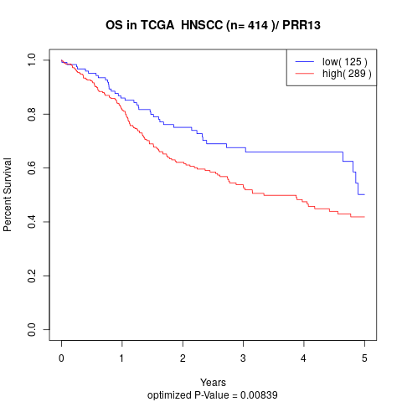

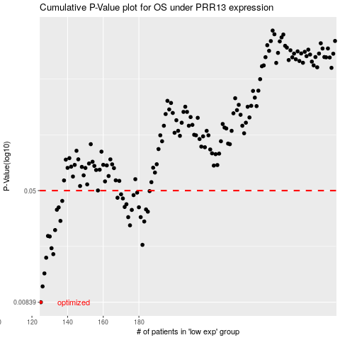

 |  |  |  |  |  | cases_OS | p_OS | rank | exp
 |  |  |  |  |  | 125 | 0.00839 | 209 | -0.59025930632
 |  |  |  |  |  | 126 | 0.0108 | 153 | -0.58852789133
 |  |  |  |  |  | 127 | 0.0133 | 249 | -0.58009733044
 |  |  |  |  |  | 128 | 0.0171 | 308 | -0.57813893401
 |  |  |  |  |  | 132 | 0.0181 | 239 | -0.56628542457
 |  |  |  |  |  | 131 | 0.0199 | 252 | -0.56645647852
 |  |  |  |  |  | 182 | 0.021 | 241 | -0.30973315603
 |  |  |  |  |  | 130 | 0.024 | 167 | -0.566571605
 |  |  |  |  |  | 129 | 0.0242 | 306 | -0.5702486419
 |  |  |  |  |  | 133 | 0.0266 | 204 | -0.56288428617
 |  |  |  |  |  | 175 | 0.0287 | 181 | -0.34642158111
 |  |  |  |  |  | 183 | 0.0305 | 371 | -0.30437860638
 |  |  |  |  |  | 136 | 0.0308 | 355 | -0.54171145189
 |  |  |  |  |  | 174 | 0.0327 | 104 | -0.34843465872
 |  |  |  |  |  | 181 | 0.0327 | 183 | -0.31172364454
 |  |  |  |  |  | 185 | 0.0357 | 210 | -0.28757979934
 |  |  |  |  |  | 176 | 0.0367 | 143 | -0.34353656454
 |  |  |  |  |  | 134 | 0.0368 | 228 | -0.56194208733
 |  |  |  |  |  | 184 | 0.037 | 391 | -0.29071454223
 |  |  |  |  |  | 135 | 0.0382 | 347 | -0.55937066968
 |  |  |  |  |  | 180 | 0.0383 | 162 | -0.31245615429
 |  |  |  |  |  | 172 | 0.0385 | 280 | -0.35060726206
 |  |  |  |  |  | 173 | 0.0402 | 30 | -0.35044649004
 |  |  |  |  |  | 137 | 0.0424 | 191 | -0.54105216196
 |  |  |  |  |  | 171 | 0.0441 | 269 | -0.35197709579
 |  |  |  |  |  | 168 | 0.0446 | 58 | -0.36279228591
 |  |  |  |  |  | 177 | 0.0465 | 385 | -0.33319185068
 |  |  |  |  |  | 170 | 0.0471 | 98 | -0.35429380195
 |  |  |  |  |  | 179 | 0.0484 | 363 | -0.31269777968
 |  |  |  |  |  | 186 | 0.0496 | 322 | -0.28383000999
 |  |  |  |  |  |  | cases_RFS | p_RFS | rank | exp
 |  |  |  |  |  |  |  | 0.00839 | 108 | -0.59143456228
 |  |  |  |  |  |  | 125 | 0.0108 | 209 | -0.59025930632
 |  |  |  |  |  |  | 126 | 0.0133 | 153 | -0.58852789133
 |  |  |  |  |  |  | 127 | 0.0171 | 249 | -0.58009733044
 |  |  |  |  |  |  | 131 | 0.0181 | 252 | -0.56645647852
 |  |  |  |  |  |  | 130 | 0.0199 | 167 | -0.566571605
 |  |  |  |  |  |  | 181 | 0.021 | 183 | -0.31172364454
 |  |  |  |  |  |  | 129 | 0.024 | 306 | -0.5702486419
 |  |  |  |  |  |  | 128 | 0.0242 | 308 | -0.57813893401
 |  |  |  |  |  |  | 132 | 0.0266 | 239 | -0.56628542457
 |  |  |  |  |  |  | 174 | 0.0287 | 104 | -0.34843465872
 |  |  |  |  |  |  | 182 | 0.0305 | 241 | -0.30973315603
 |  |  |  |  |  |  | 135 | 0.0308 | 347 | -0.55937066968
 |  |  |  |  |  |  | 173 | 0.0327 | 30 | -0.35044649004
 |  |  |  |  |  |  | 180 | 0.0327 | 162 | -0.31245615429
 |  |  |  |  |  |  | 184 | 0.0357 | 391 | -0.29071454223
 |  |  |  |  |  |  | 175 | 0.0367 | 181 | -0.34642158111
 |  |  |  |  |  |  | 133 | 0.0368 | 204 | -0.56288428617
 |  |  |  |  |  |  | 183 | 0.037 | 371 | -0.30437860638
 |  |  |  |  |  |  | 134 | 0.0382 | 228 | -0.56194208733
 |  |  |  |  |  |  | 179 | 0.0383 | 363 | -0.31269777968
 |  |  |  |  |  |  | 171 | 0.0385 | 269 | -0.35197709579
 |  |  |  |  |  |  | 172 | 0.0402 | 280 | -0.35060726206
 |  |  |  |  |  |  | 136 | 0.0424 | 355 | -0.54171145189
 |  |  |  |  |  |  | 170 | 0.0441 | 98 | -0.35429380195
 |  |  |  |  |  |  | 167 | 0.0446 | 190 | -0.37818200094
 |  |  |  |  |  |  | 176 | 0.0465 | 143 | -0.34353656454
 |  |  |  |  |  |  | 169 | 0.0471 | 165 | -0.35745923485
 |  |  |  |  |  |  | 178 | 0.0484 | 149 | -0.31440909817
 |  |  |  |  |  |  | 185 | 0.0496 | 210 | -0.28757979934

