PRR14 _multivariate
Reported by Tex Li-Hsing Chi. tex@gate.sinica.edu.tw 2019-08-16

Table 2. The clinicopathological features of HNSCC cohort and PRR14 expression. (Chi square test)
Cutoff at -0.615 (30.2%)
 |  | PRR14 expression |  | PRR14 expression |  | (Optimised)
 | Features | Low | (%) | High | (%) | Case no | P-value | Remark | Matthews
Gender | Female | 81 | 19.5 | 225 | 54.2 | 415 | 0.0095 | 1 | 0
2 | Male | 44 | 10.6 | 65 | 15.7
Age at diagnosis | <=65y | 76 | 18.3 | 198 | 47.7 | 415 | 0.1731 | 0 | 0
4 | >65y | 49 | 11.8 | 92 | 22.2
Clinical T Status | T1+T2 | 46 | 11.1 | 103 | 24.8 | 415 | 0.8899 | 0 | 0
6 | T3+T4 | 79 | 19 | 187 | 45.1
Clinical N Status | N0 | 65 | 15.7 | 151 | 36.4 | 415 | 1 | 0 | 0
8 | N1-3 | 60 | 14.5 | 139 | 33.5
Clinical M Status | M0 | 125 | 30.1 | 287 | 69.2 | 415 | 0.5571 | 0 | 0
10 | M1 | 0 | 0 | 3 | 0.7
Clinical Stage | Stage I+II | 34 | 8.2 | 68 | 16.4 | 415 | 0.4901 | 0 | 0
12 | Stage III+IV | 91 | 21.9 | 222 | 53.5
Surgical Margin status | Negative | 94 | 22.7 | 224 | 54 | 415 | 0.7047 | 0 | 0
14 | Positive | 31 | 7.5 | 66 | 15.9
Tobacco Exposure | Low | 51 | 12.3 | 110 | 26.5 | 415 | 0.585 | 0 | 0
16 | High | 74 | 17.8 | 180 | 43.4

Table 3. Univariate/Multivariate Cox's proportional hazards regression analyses on OS time of PRR14 gene expression in HNSCC

 |  | Univariate |  |  |  | Multivariate
 | Features | HR | CI95%(L) | CI95%(H) | P-value | HR | CI95%(L) | CI95%(H) | P-value
1 | Female | 1 |  |  |  | 1
Gender | Male | 1.157 | 0.843 | 1.587 | 0.367 | 1.172 | 0.838 | 1.638 | 0.354
11 | <=65y | 1 |  |  |  | 1
Age at diagnosis | >65y | 1.329 | 0.99 | 1.784 | 0.058 | 1.359 | 0.997 | 1.852 | 0.053
12 | T1+T2 | 1 |  |  |  | 1
Clinical T Status | T3+T4 | 1.409 | 1.028 | 1.931 | 0.033 | 2.179 | 1.153 | 4.119 | 0.016
13 | N0 | 1 |  |  |  | 1
Clinical N Status | N1-3 | 1.185 | 0.89 | 1.577 | 0.246 | 1.235 | 0.865 | 1.763 | 0.245
14 | M0 | 1 |  |  |  | 1
Clinical M Status | M1 | 4.097 | 1.009 | 16.644 | 0.049 | 10.262 | 2.232 | 47.175 | 0.003
15 | Stage I+II | 1 |  |  |  | 1
Clinical Stage | Stage III+IV | 1.245 | 0.882 | 1.759 | 0.213 | 0.522 | 0.243 | 1.12 | 0.095
16 | Negative | 1 |  |  |  | 1
Surgical Margin status | Positive | 1.591 | 1.155 | 2.191 | 0.004 | 1.667 | 1.206 | 2.303 | 0.002
17 | Low | 1 |  |  |  | 1
Tobacco Exposure | High | 1.364 | 1.008 | 1.844 | 0.044 | 1.49 | 1.078 | 2.058 | 0.016
18 | Low | 1 |  |  |  | 1
RNAseq(z-score) | High | 0.736 | 0.542 | 0.998 | 0.048 | 0.73 | 0.534 | 0.998 | 0.049

Table 4. Univariate/Multivariate Cox's proportional hazards regression analyses on RFS time of PRR14 gene expression in HNSCC

 |  | Univariate |  |  |  | Multivariate
 | Features | HR | CI95%(L) | CI95%(H) | P-value | HR | CI95%(L) | CI95%(H) | P-value
1 | Female | 1 |  |  |  | 1
Gender | Male | 1.157 | 0.843 | 1.587 | 0.367 | 1.172 | 0.838 | 1.638 | 0.354
11 | <=65y | 1 |  |  |  | 1
Age at diagnosis | >65y | 1.329 | 0.99 | 1.784 | 0.058 | 1.359 | 0.997 | 1.852 | 0.053
12 | T1+T2 | 1 |  |  |  | 1
Clinical T Status | T3+T4 | 1.409 | 1.028 | 1.931 | 0.033 | 2.179 | 1.153 | 4.119 | 0.016
13 | N0 | 1 |  |  |  | 1
Clinical N Status | N1-3 | 1.185 | 0.89 | 1.577 | 0.246 | 1.235 | 0.865 | 1.763 | 0.245
14 | M0 | 1 |  |  |  | 1
Clinical M Status | M1 | 4.097 | 1.009 | 16.644 | 0.049 | 10.262 | 2.232 | 47.175 | 0.003
15 | Stage I+II | 1 |  |  |  | 1
Clinical Stage | Stage III+IV | 1.245 | 0.882 | 1.759 | 0.213 | 0.522 | 0.243 | 1.12 | 0.095
16 | Negative | 1 |  |  |  | 1
Surgical Margin status | Positive | 1.591 | 1.155 | 2.191 | 0.004 | 1.667 | 1.206 | 2.303 | 0.002
17 | Low | 1 |  |  |  | 1
Tobacco Exposure | High | 1.364 | 1.008 | 1.844 | 0.044 | 1.49 | 1.078 | 2.058 | 0.016
18 | Low | 1 |  |  |  | 1
RNAseq(z-score) | High | 0.736 | 0.542 | 0.998 | 0.048 | 0.73 | 0.534 | 0.998 | 0.049

Kaplan-Meier survival estimate: Cutoff at -0.615 (30.2%)



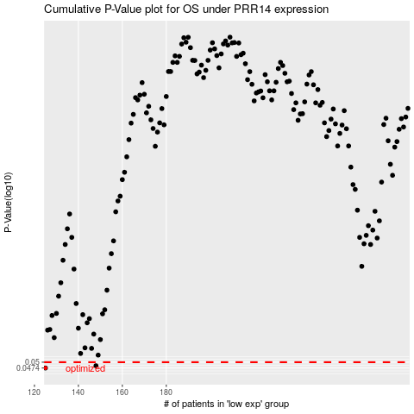

 |  |  |  |  |  | cases_OS | p_OS | rank | exp
 |  |  |  |  |  | 125 | 0.0474 | 32 | -0.61450011339
 |  |  |  |  |  | 148 | 0.0484 | 348 | -0.4906227257
 |  |  |  |  |  |  | cases_RFS | p_RFS | rank | exp
 |  |  |  |  |  |  |  | 0.0474 | 105 | -0.61692907318
 |  |  |  |  |  |  | 147 | 0.0484 | 133 | -0.50063752724

