PRR15 _multivariate
Reported by Tex Li-Hsing Chi. tex@gate.sinica.edu.tw 2019-08-16

Table 2. The clinicopathological features of HNSCC cohort and PRR15 expression. (Chi square test)
Cutoff at -0.329 (49.8%)
 |  | PRR15 expression |  | PRR15 expression |  | (Optimised)
 | Features | Low | (%) | High | (%) | Case no | P-value | Remark | Matthews
Gender | Female | 149 | 35.9 | 157 | 37.8 | 415 | 0.4848 | 0 | 0
2 | Male | 58 | 14 | 51 | 12.3
Age at diagnosis | <=65y | 133 | 32 | 141 | 34 | 415 | 0.5111 | 0 | 0
4 | >65y | 74 | 17.8 | 67 | 16.1
Clinical T Status | T1+T2 | 65 | 15.7 | 84 | 20.2 | 415 | 0.0711 | 0 | 0
6 | T3+T4 | 142 | 34.2 | 124 | 29.9
Clinical N Status | N0 | 107 | 25.8 | 109 | 26.3 | 415 | 0.9624 | 0 | 0
8 | N1-3 | 100 | 24.1 | 99 | 23.9
Clinical M Status | M0 | 206 | 49.6 | 206 | 49.6 | 415 | 1 | 0 | 0
10 | M1 | 1 | 0.2 | 2 | 0.5
Clinical Stage | Stage I+II | 46 | 11.1 | 56 | 13.5 | 415 | 0.3182 | 0 | 0
12 | Stage III+IV | 161 | 38.8 | 152 | 36.6
Surgical Margin status | Negative | 156 | 37.6 | 162 | 39 | 415 | 0.5636 | 0 | 0
14 | Positive | 51 | 12.3 | 46 | 11.1
Tobacco Exposure | Low | 97 | 23.4 | 64 | 15.4 | 415 | 9e-04 | 1 | 0
16 | High | 110 | 26.5 | 144 | 34.7

Table 3. Univariate/Multivariate Cox's proportional hazards regression analyses on OS time of PRR15 gene expression in HNSCC

 |  | Univariate |  |  |  | Multivariate
 | Features | HR | CI95%(L) | CI95%(H) | P-value | HR | CI95%(L) | CI95%(H) | P-value
1 | Female | 1 |  |  |  | 1
Gender | Male | 1.157 | 0.843 | 1.587 | 0.367 | 1.221 | 0.873 | 1.708 | 0.244
11 | <=65y | 1 |  |  |  | 1
Age at diagnosis | >65y | 1.329 | 0.99 | 1.784 | 0.058 | 1.386 | 1.02 | 1.884 | 0.037
12 | T1+T2 | 1 |  |  |  | 1
Clinical T Status | T3+T4 | 1.409 | 1.028 | 1.931 | 0.033 | 2.271 | 1.197 | 4.308 | 0.012
13 | N0 | 1 |  |  |  | 1
Clinical N Status | N1-3 | 1.185 | 0.89 | 1.577 | 0.246 | 1.243 | 0.871 | 1.773 | 0.23
14 | M0 | 1 |  |  |  | 1
Clinical M Status | M1 | 4.097 | 1.009 | 16.644 | 0.049 | 9.499 | 2.071 | 43.562 | 0.004
15 | Stage I+II | 1 |  |  |  | 1
Clinical Stage | Stage III+IV | 1.245 | 0.882 | 1.759 | 0.213 | 0.49 | 0.228 | 1.054 | 0.068
16 | Negative | 1 |  |  |  | 1
Surgical Margin status | Positive | 1.591 | 1.155 | 2.191 | 0.004 | 1.688 | 1.22 | 2.334 | 0.002
17 | Low | 1 |  |  |  | 1
Tobacco Exposure | High | 1.364 | 1.008 | 1.844 | 0.044 | 1.411 | 1.019 | 1.955 | 0.038
18 | Low | 1 |  |  |  | 1
RNAseq(z-score) | High | 1.146 | 0.859 | 1.529 | 0.354 | 1.161 | 0.862 | 1.563 | 0.326

Table 4. Univariate/Multivariate Cox's proportional hazards regression analyses on RFS time of PRR15 gene expression in HNSCC

 |  | Univariate |  |  |  | Multivariate
 | Features | HR | CI95%(L) | CI95%(H) | P-value | HR | CI95%(L) | CI95%(H) | P-value
1 | Female | 1 |  |  |  | 1
Gender | Male | 1.157 | 0.843 | 1.587 | 0.367 | 1.221 | 0.873 | 1.708 | 0.244
11 | <=65y | 1 |  |  |  | 1
Age at diagnosis | >65y | 1.329 | 0.99 | 1.784 | 0.058 | 1.386 | 1.02 | 1.884 | 0.037
12 | T1+T2 | 1 |  |  |  | 1
Clinical T Status | T3+T4 | 1.409 | 1.028 | 1.931 | 0.033 | 2.271 | 1.197 | 4.308 | 0.012
13 | N0 | 1 |  |  |  | 1
Clinical N Status | N1-3 | 1.185 | 0.89 | 1.577 | 0.246 | 1.243 | 0.871 | 1.773 | 0.23
14 | M0 | 1 |  |  |  | 1
Clinical M Status | M1 | 4.097 | 1.009 | 16.644 | 0.049 | 9.499 | 2.071 | 43.562 | 0.004
15 | Stage I+II | 1 |  |  |  | 1
Clinical Stage | Stage III+IV | 1.245 | 0.882 | 1.759 | 0.213 | 0.49 | 0.228 | 1.054 | 0.068
16 | Negative | 1 |  |  |  | 1
Surgical Margin status | Positive | 1.591 | 1.155 | 2.191 | 0.004 | 1.688 | 1.22 | 2.334 | 0.002
17 | Low | 1 |  |  |  | 1
Tobacco Exposure | High | 1.364 | 1.008 | 1.844 | 0.044 | 1.411 | 1.019 | 1.955 | 0.038
18 | Low | 1 |  |  |  | 1
RNAseq(z-score) | High | 1.146 | 0.859 | 1.529 | 0.354 | 1.161 | 0.862 | 1.563 | 0.326

Kaplan-Meier survival estimate: Cutoff at -0.329 (49.8%)



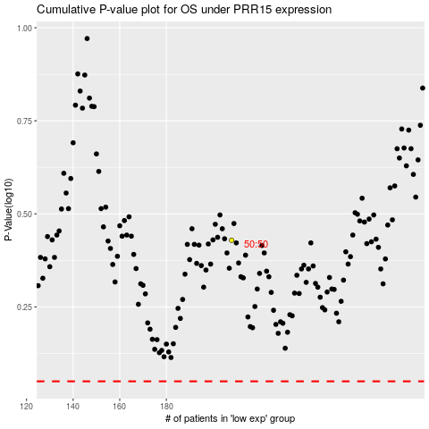

 |  |  |  |  |  | cases_OS | p_OS | rank | exp
 |  |  |  |  |  |  | cases_RFS | p_RFS | rank | exp

