PRR16 _multivariate
Reported by Tex Li-Hsing Chi. tex@gate.sinica.edu.tw 2019-08-16

Table 2. The clinicopathological features of HNSCC cohort and PRR16 expression. (Chi square test)
Cutoff at -0.259 (50.0%)
 |  | PRR16 expression |  | PRR16 expression |  | (Optimised)
 | Features | Low | (%) | High | (%) | Case no | P-value | Remark | Matthews
Gender | Female | 160 | 38.6 | 146 | 35.2 | 415 | 0.1254 | 0 | 0
2 | Male | 47 | 11.3 | 62 | 14.9
Age at diagnosis | <=65y | 131 | 31.6 | 143 | 34.5 | 415 | 0.2839 | 0 | 0
4 | >65y | 76 | 18.3 | 65 | 15.7
Clinical T Status | T1+T2 | 68 | 16.4 | 81 | 19.5 | 415 | 0.2336 | 0 | 0
6 | T3+T4 | 139 | 33.5 | 127 | 30.6
Clinical N Status | N0 | 114 | 27.5 | 102 | 24.6 | 415 | 0.2576 | 1 | 0
8 | N1-3 | 93 | 22.4 | 106 | 25.5
Clinical M Status | M0 | 205 | 49.4 | 207 | 49.9 | 415 | 0.6232 | 0 | 0
10 | M1 | 2 | 0.5 | 1 | 0.2
Clinical Stage | Stage I+II | 48 | 11.6 | 54 | 13 | 415 | 0.5878 | 0 | 0
12 | Stage III+IV | 159 | 38.3 | 154 | 37.1
Surgical Margin status | Negative | 160 | 38.6 | 158 | 38.1 | 415 | 0.8167 | 0 | 0
14 | Positive | 47 | 11.3 | 50 | 12
Tobacco Exposure | Low | 81 | 19.5 | 80 | 19.3 | 415 | 0.9199 | 0 | 0
16 | High | 126 | 30.4 | 128 | 30.8

Table 3. Univariate/Multivariate Cox's proportional hazards regression analyses on OS time of PRR16 gene expression in HNSCC

 |  | Univariate |  |  |  | Multivariate
 | Features | HR | CI95%(L) | CI95%(H) | P-value | HR | CI95%(L) | CI95%(H) | P-value
1 | Female | 1 |  |  |  | 1
Gender | Male | 1.157 | 0.843 | 1.587 | 0.367 | 1.209 | 0.865 | 1.691 | 0.267
11 | <=65y | 1 |  |  |  | 1
Age at diagnosis | >65y | 1.329 | 0.99 | 1.784 | 0.058 | 1.379 | 1.013 | 1.879 | 0.041
12 | T1+T2 | 1 |  |  |  | 1
Clinical T Status | T3+T4 | 1.409 | 1.028 | 1.931 | 0.033 | 2.179 | 1.15 | 4.126 | 0.017
13 | N0 | 1 |  |  |  | 1
Clinical N Status | N1-3 | 1.185 | 0.89 | 1.577 | 0.246 | 1.24 | 0.869 | 1.769 | 0.235
14 | M0 | 1 |  |  |  | 1
Clinical M Status | M1 | 4.097 | 1.009 | 16.644 | 0.049 | 9.266 | 2.019 | 42.527 | 0.004
15 | Stage I+II | 1 |  |  |  | 1
Clinical Stage | Stage III+IV | 1.245 | 0.882 | 1.759 | 0.213 | 0.509 | 0.237 | 1.092 | 0.083
16 | Negative | 1 |  |  |  | 1
Surgical Margin status | Positive | 1.591 | 1.155 | 2.191 | 0.004 | 1.672 | 1.21 | 2.311 | 0.002
17 | Low | 1 |  |  |  | 1
Tobacco Exposure | High | 1.364 | 1.008 | 1.844 | 0.044 | 1.451 | 1.053 | 2 | 0.023
18 | Low | 1 |  |  |  | 1
RNAseq(z-score) | High | 0.896 | 0.673 | 1.194 | 0.454 | 0.933 | 0.698 | 1.247 | 0.638

Table 4. Univariate/Multivariate Cox's proportional hazards regression analyses on RFS time of PRR16 gene expression in HNSCC

 |  | Univariate |  |  |  | Multivariate
 | Features | HR | CI95%(L) | CI95%(H) | P-value | HR | CI95%(L) | CI95%(H) | P-value
1 | Female | 1 |  |  |  | 1
Gender | Male | 1.157 | 0.843 | 1.587 | 0.367 | 1.209 | 0.865 | 1.691 | 0.267
11 | <=65y | 1 |  |  |  | 1
Age at diagnosis | >65y | 1.329 | 0.99 | 1.784 | 0.058 | 1.379 | 1.013 | 1.879 | 0.041
12 | T1+T2 | 1 |  |  |  | 1
Clinical T Status | T3+T4 | 1.409 | 1.028 | 1.931 | 0.033 | 2.179 | 1.15 | 4.126 | 0.017
13 | N0 | 1 |  |  |  | 1
Clinical N Status | N1-3 | 1.185 | 0.89 | 1.577 | 0.246 | 1.24 | 0.869 | 1.769 | 0.235
14 | M0 | 1 |  |  |  | 1
Clinical M Status | M1 | 4.097 | 1.009 | 16.644 | 0.049 | 9.266 | 2.019 | 42.527 | 0.004
15 | Stage I+II | 1 |  |  |  | 1
Clinical Stage | Stage III+IV | 1.245 | 0.882 | 1.759 | 0.213 | 0.509 | 0.237 | 1.092 | 0.083
16 | Negative | 1 |  |  |  | 1
Surgical Margin status | Positive | 1.591 | 1.155 | 2.191 | 0.004 | 1.672 | 1.21 | 2.311 | 0.002
17 | Low | 1 |  |  |  | 1
Tobacco Exposure | High | 1.364 | 1.008 | 1.844 | 0.044 | 1.451 | 1.053 | 2 | 0.023
18 | Low | 1 |  |  |  | 1
RNAseq(z-score) | High | 0.896 | 0.673 | 1.194 | 0.454 | 0.933 | 0.698 | 1.247 | 0.638

Kaplan-Meier survival estimate: Cutoff at -0.259 (50.0%)



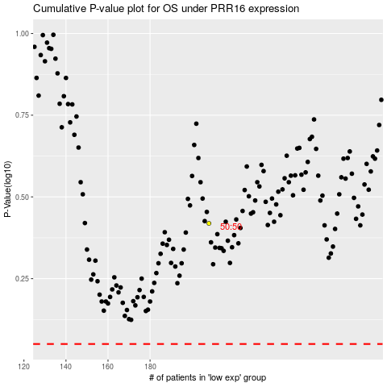

 |  |  |  |  |  | cases_OS | p_OS | rank | exp
 |  |  |  |  |  |  | cases_RFS | p_RFS | rank | exp

