PRR22 _multivariate
Reported by Tex Li-Hsing Chi. tex@gate.sinica.edu.tw 2019-08-16

Table 2. The clinicopathological features of HNSCC cohort and PRR22 expression. (Chi square test)
Cutoff at -0.322 (50.0%)
 |  | PRR22 expression |  | PRR22 expression |  | (Optimised)
 | Features | Low | (%) | High | (%) | Case no | P-value | Remark | Matthews
Gender | Female | 152 | 36.6 | 154 | 37.1 | 415 | 0.9766 | 0 | 0
2 | Male | 55 | 13.3 | 54 | 13
Age at diagnosis | <=65y | 144 | 34.7 | 130 | 31.3 | 415 | 0.1568 | 0 | 0
4 | >65y | 63 | 15.2 | 78 | 18.8
Clinical T Status | T1+T2 | 79 | 19 | 70 | 16.9 | 415 | 0.3924 | 0 | 0
6 | T3+T4 | 128 | 30.8 | 138 | 33.3
Clinical N Status | N0 | 105 | 25.3 | 111 | 26.7 | 415 | 0.6598 | 0 | 0
8 | N1-3 | 102 | 24.6 | 97 | 23.4
Clinical M Status | M0 | 206 | 49.6 | 206 | 49.6 | 415 | 1 | 0 | 0
10 | M1 | 1 | 0.2 | 2 | 0.5
Clinical Stage | Stage I+II | 55 | 13.3 | 47 | 11.3 | 415 | 0.4087 | 0 | 0
12 | Stage III+IV | 152 | 36.6 | 161 | 38.8
Surgical Margin status | Negative | 161 | 38.8 | 157 | 37.8 | 415 | 0.6429 | 0 | 0
14 | Positive | 46 | 11.1 | 51 | 12.3
Tobacco Exposure | Low | 82 | 19.8 | 79 | 19 | 415 | 0.763 | 0 | 0
16 | High | 125 | 30.1 | 129 | 31.1

Table 3. Univariate/Multivariate Cox's proportional hazards regression analyses on OS time of PRR22 gene expression in HNSCC

 |  | Univariate |  |  |  | Multivariate
 | Features | HR | CI95%(L) | CI95%(H) | P-value | HR | CI95%(L) | CI95%(H) | P-value
1 | Female | 1 |  |  |  | 1
Gender | Male | 1.157 | 0.843 | 1.587 | 0.367 | 1.195 | 0.856 | 1.667 | 0.295
11 | <=65y | 1 |  |  |  | 1
Age at diagnosis | >65y | 1.329 | 0.99 | 1.784 | 0.058 | 1.479 | 1.082 | 2.022 | 0.014
12 | T1+T2 | 1 |  |  |  | 1
Clinical T Status | T3+T4 | 1.409 | 1.028 | 1.931 | 0.033 | 2.262 | 1.195 | 4.281 | 0.012
13 | N0 | 1 |  |  |  | 1
Clinical N Status | N1-3 | 1.185 | 0.89 | 1.577 | 0.246 | 1.244 | 0.872 | 1.775 | 0.228
14 | M0 | 1 |  |  |  | 1
Clinical M Status | M1 | 4.097 | 1.009 | 16.644 | 0.049 | 10.127 | 2.206 | 46.494 | 0.003
15 | Stage I+II | 1 |  |  |  | 1
Clinical Stage | Stage III+IV | 1.245 | 0.882 | 1.759 | 0.213 | 0.505 | 0.235 | 1.085 | 0.08
16 | Negative | 1 |  |  |  | 1
Surgical Margin status | Positive | 1.591 | 1.155 | 2.191 | 0.004 | 1.728 | 1.248 | 2.392 | 0.001
17 | Low | 1 |  |  |  | 1
Tobacco Exposure | High | 1.364 | 1.008 | 1.844 | 0.044 | 1.49 | 1.08 | 2.055 | 0.015
18 | Low | 1 |  |  |  | 1
RNAseq(z-score) | High | 0.79 | 0.59 | 1.057 | 0.112 | 0.696 | 0.517 | 0.937 | 0.017

Table 4. Univariate/Multivariate Cox's proportional hazards regression analyses on RFS time of PRR22 gene expression in HNSCC

 |  | Univariate |  |  |  | Multivariate
 | Features | HR | CI95%(L) | CI95%(H) | P-value | HR | CI95%(L) | CI95%(H) | P-value
1 | Female | 1 |  |  |  | 1
Gender | Male | 1.157 | 0.843 | 1.587 | 0.367 | 1.195 | 0.856 | 1.667 | 0.295
11 | <=65y | 1 |  |  |  | 1
Age at diagnosis | >65y | 1.329 | 0.99 | 1.784 | 0.058 | 1.479 | 1.082 | 2.022 | 0.014
12 | T1+T2 | 1 |  |  |  | 1
Clinical T Status | T3+T4 | 1.409 | 1.028 | 1.931 | 0.033 | 2.262 | 1.195 | 4.281 | 0.012
13 | N0 | 1 |  |  |  | 1
Clinical N Status | N1-3 | 1.185 | 0.89 | 1.577 | 0.246 | 1.244 | 0.872 | 1.775 | 0.228
14 | M0 | 1 |  |  |  | 1
Clinical M Status | M1 | 4.097 | 1.009 | 16.644 | 0.049 | 10.127 | 2.206 | 46.494 | 0.003
15 | Stage I+II | 1 |  |  |  | 1
Clinical Stage | Stage III+IV | 1.245 | 0.882 | 1.759 | 0.213 | 0.505 | 0.235 | 1.085 | 0.08
16 | Negative | 1 |  |  |  | 1
Surgical Margin status | Positive | 1.591 | 1.155 | 2.191 | 0.004 | 1.728 | 1.248 | 2.392 | 0.001
17 | Low | 1 |  |  |  | 1
Tobacco Exposure | High | 1.364 | 1.008 | 1.844 | 0.044 | 1.49 | 1.08 | 2.055 | 0.015
18 | Low | 1 |  |  |  | 1
RNAseq(z-score) | High | 0.79 | 0.59 | 1.057 | 0.112 | 0.696 | 0.517 | 0.937 | 0.017

Kaplan-Meier survival estimate: Cutoff at -0.322 (50.0%)



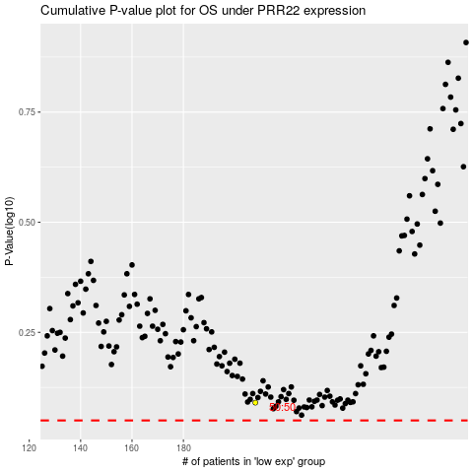

 |  |  |  |  |  | cases_OS | p_OS | rank | exp
 |  |  |  |  |  |  | cases_RFS | p_RFS | rank | exp

