PRR3 _multivariate
Reported by Tex Li-Hsing Chi. tex@gate.sinica.edu.tw 2019-08-16

Table 2. The clinicopathological features of HNSCC cohort and PRR3 expression. (Chi square test)
Cutoff at 0.059 (65.5%)
 |  | PRR3 expression |  | PRR3 expression |  | (Optimised)
 | Features | Low | (%) | High | (%) | Case no | P-value | Remark | Matthews
Gender | Female | 191 | 46 | 115 | 27.7 | 415 | 0.0335 | 1 | 0
2 | Male | 81 | 19.5 | 28 | 6.7
Age at diagnosis | <=65y | 177 | 42.7 | 97 | 23.4 | 415 | 0.6492 | 0 | 0
4 | >65y | 95 | 22.9 | 46 | 11.1
Clinical T Status | T1+T2 | 100 | 24.1 | 49 | 11.8 | 415 | 0.6916 | 0 | 0
6 | T3+T4 | 172 | 41.4 | 94 | 22.7
Clinical N Status | N0 | 144 | 34.7 | 72 | 17.3 | 415 | 0.69 | 0 | 0
8 | N1-3 | 128 | 30.8 | 71 | 17.1
Clinical M Status | M0 | 271 | 65.3 | 141 | 34 | 415 | 0.2739 | 0 | 0
10 | M1 | 1 | 0.2 | 2 | 0.5
Clinical Stage | Stage I+II | 74 | 17.8 | 28 | 6.7 | 415 | 0.1108 | 0 | 0
12 | Stage III+IV | 198 | 47.7 | 115 | 27.7
Surgical Margin status | Negative | 213 | 51.3 | 105 | 25.3 | 415 | 0.2739 | 0 | 0
14 | Positive | 59 | 14.2 | 38 | 9.2
Tobacco Exposure | Low | 116 | 28 | 45 | 10.8 | 415 | 0.0338 | 1 | 0
16 | High | 156 | 37.6 | 98 | 23.6

Table 3. Univariate/Multivariate Cox's proportional hazards regression analyses on OS time of PRR3 gene expression in HNSCC

 |  | Univariate |  |  |  | Multivariate
 | Features | HR | CI95%(L) | CI95%(H) | P-value | HR | CI95%(L) | CI95%(H) | P-value
1 | Female | 1 |  |  |  | 1
Gender | Male | 1.157 | 0.843 | 1.587 | 0.367 | 1.19 | 0.854 | 1.659 | 0.305
11 | <=65y | 1 |  |  |  | 1
Age at diagnosis | >65y | 1.329 | 0.99 | 1.784 | 0.058 | 1.41 | 1.038 | 1.917 | 0.028
12 | T1+T2 | 1 |  |  |  | 1
Clinical T Status | T3+T4 | 1.409 | 1.028 | 1.931 | 0.033 | 2.121 | 1.121 | 4.014 | 0.021
13 | N0 | 1 |  |  |  | 1
Clinical N Status | N1-3 | 1.185 | 0.89 | 1.577 | 0.246 | 1.214 | 0.851 | 1.733 | 0.285
14 | M0 | 1 |  |  |  | 1
Clinical M Status | M1 | 4.097 | 1.009 | 16.644 | 0.049 | 11.084 | 2.406 | 51.051 | 0.002
15 | Stage I+II | 1 |  |  |  | 1
Clinical Stage | Stage III+IV | 1.245 | 0.882 | 1.759 | 0.213 | 0.549 | 0.255 | 1.18 | 0.125
16 | Negative | 1 |  |  |  | 1
Surgical Margin status | Positive | 1.591 | 1.155 | 2.191 | 0.004 | 1.736 | 1.254 | 2.402 | 0.001
17 | Low | 1 |  |  |  | 1
Tobacco Exposure | High | 1.364 | 1.008 | 1.844 | 0.044 | 1.511 | 1.096 | 2.084 | 0.012
18 | Low | 1 |  |  |  | 1
RNAseq(z-score) | High | 0.718 | 0.526 | 0.979 | 0.037 | 0.648 | 0.472 | 0.89 | 0.007

Table 4. Univariate/Multivariate Cox's proportional hazards regression analyses on RFS time of PRR3 gene expression in HNSCC

 |  | Univariate |  |  |  | Multivariate
 | Features | HR | CI95%(L) | CI95%(H) | P-value | HR | CI95%(L) | CI95%(H) | P-value
1 | Female | 1 |  |  |  | 1
Gender | Male | 1.157 | 0.843 | 1.587 | 0.367 | 1.19 | 0.854 | 1.659 | 0.305
11 | <=65y | 1 |  |  |  | 1
Age at diagnosis | >65y | 1.329 | 0.99 | 1.784 | 0.058 | 1.41 | 1.038 | 1.917 | 0.028
12 | T1+T2 | 1 |  |  |  | 1
Clinical T Status | T3+T4 | 1.409 | 1.028 | 1.931 | 0.033 | 2.121 | 1.121 | 4.014 | 0.021
13 | N0 | 1 |  |  |  | 1
Clinical N Status | N1-3 | 1.185 | 0.89 | 1.577 | 0.246 | 1.214 | 0.851 | 1.733 | 0.285
14 | M0 | 1 |  |  |  | 1
Clinical M Status | M1 | 4.097 | 1.009 | 16.644 | 0.049 | 11.084 | 2.406 | 51.051 | 0.002
15 | Stage I+II | 1 |  |  |  | 1
Clinical Stage | Stage III+IV | 1.245 | 0.882 | 1.759 | 0.213 | 0.549 | 0.255 | 1.18 | 0.125
16 | Negative | 1 |  |  |  | 1
Surgical Margin status | Positive | 1.591 | 1.155 | 2.191 | 0.004 | 1.736 | 1.254 | 2.402 | 0.001
17 | Low | 1 |  |  |  | 1
Tobacco Exposure | High | 1.364 | 1.008 | 1.844 | 0.044 | 1.511 | 1.096 | 2.084 | 0.012
18 | Low | 1 |  |  |  | 1
RNAseq(z-score) | High | 0.718 | 0.526 | 0.979 | 0.037 | 0.648 | 0.472 | 0.89 | 0.007

Kaplan-Meier survival estimate: Cutoff at 0.059 (65.5%)



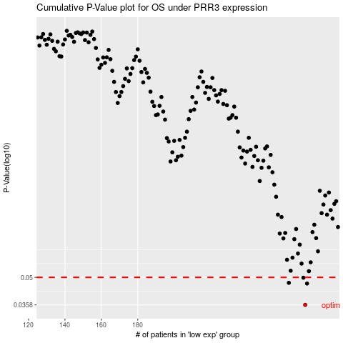

 |  |  |  |  |  | cases_OS | p_OS | rank | exp
 |  |  |  |  |  | 272 | 0.0358 | 45 | 0.059054644656
 |  |  |  |  |  | 273 | 0.0464 | 235 | 0.059401091417
 |  |  |  |  |  | 263 | 0.0468 | 37 | 0.012103125868
 |  |  |  |  |  | 271 | 0.0498 | 191 | 0.04858381017
 |  |  |  |  |  |  | cases_RFS | p_RFS | rank | exp
 |  |  |  |  |  |  | 271 | 0.0358 | 191 | 0.04858381017
 |  |  |  |  |  |  | 272 | 0.0464 | 45 | 0.059054644656
 |  |  |  |  |  |  | 262 | 0.0468 | 97 | 0.010563273788
 |  |  |  |  |  |  | 270 | 0.0498 | 412 | 0.040643473917

