PRR4 _multivariate
Reported by Tex Li-Hsing Chi. tex@gate.sinica.edu.tw 2019-08-16

Table 2. The clinicopathological features of HNSCC cohort and PRR4 expression. (Chi square test)
Cutoff at -0.107 (49.8%)
 |  | PRR4 expression |  | PRR4 expression |  | (Optimised)
 | Features | Low | (%) | High | (%) | Case no | P-value | Remark | Matthews
Gender | Female | 143 | 34.5 | 163 | 39.3 | 415 | 0.0416 | 1 | 0
2 | Male | 64 | 15.4 | 45 | 10.8
Age at diagnosis | <=65y | 126 | 30.4 | 148 | 35.7 | 415 | 0.035 | 1 | 0
4 | >65y | 81 | 19.5 | 60 | 14.5
Clinical T Status | T1+T2 | 70 | 16.9 | 79 | 19 | 415 | 0.4343 | 0 | 0
6 | T3+T4 | 137 | 33 | 129 | 31.1
Clinical N Status | N0 | 109 | 26.3 | 107 | 25.8 | 415 | 0.8812 | 0 | 0
8 | N1-3 | 98 | 23.6 | 101 | 24.3
Clinical M Status | M0 | 205 | 49.4 | 207 | 49.9 | 415 | 0.6232 | 0 | 0
10 | M1 | 2 | 0.5 | 1 | 0.2
Clinical Stage | Stage I+II | 47 | 11.3 | 55 | 13.3 | 415 | 0.4413 | 0 | 0
12 | Stage III+IV | 160 | 38.6 | 153 | 36.9
Surgical Margin status | Negative | 165 | 39.8 | 153 | 36.9 | 415 | 0.1639 | 0 | 0
14 | Positive | 42 | 10.1 | 55 | 13.3
Tobacco Exposure | Low | 93 | 22.4 | 68 | 16.4 | 415 | 0.0118 | 1 | 0
16 | High | 114 | 27.5 | 140 | 33.7

Table 3. Univariate/Multivariate Cox's proportional hazards regression analyses on OS time of PRR4 gene expression in HNSCC

 |  | Univariate |  |  |  | Multivariate
 | Features | HR | CI95%(L) | CI95%(H) | P-value | HR | CI95%(L) | CI95%(H) | P-value
1 | Female | 1 |  |  |  | 1
Gender | Male | 1.157 | 0.843 | 1.587 | 0.367 | 1.198 | 0.857 | 1.675 | 0.29
11 | <=65y | 1 |  |  |  | 1
Age at diagnosis | >65y | 1.329 | 0.99 | 1.784 | 0.058 | 1.392 | 1.024 | 1.893 | 0.035
12 | T1+T2 | 1 |  |  |  | 1
Clinical T Status | T3+T4 | 1.409 | 1.028 | 1.931 | 0.033 | 2.202 | 1.165 | 4.164 | 0.015
13 | N0 | 1 |  |  |  | 1
Clinical N Status | N1-3 | 1.185 | 0.89 | 1.577 | 0.246 | 1.242 | 0.87 | 1.772 | 0.232
14 | M0 | 1 |  |  |  | 1
Clinical M Status | M1 | 4.097 | 1.009 | 16.644 | 0.049 | 9.375 | 2.045 | 42.98 | 0.004
15 | Stage I+II | 1 |  |  |  | 1
Clinical Stage | Stage III+IV | 1.245 | 0.882 | 1.759 | 0.213 | 0.504 | 0.235 | 1.081 | 0.079
16 | Negative | 1 |  |  |  | 1
Surgical Margin status | Positive | 1.591 | 1.155 | 2.191 | 0.004 | 1.682 | 1.213 | 2.333 | 0.002
17 | Low | 1 |  |  |  | 1
Tobacco Exposure | High | 1.364 | 1.008 | 1.844 | 0.044 | 1.461 | 1.058 | 2.018 | 0.021
18 | Low | 1 |  |  |  | 1
RNAseq(z-score) | High | 1.041 | 0.778 | 1.392 | 0.788 | 0.961 | 0.713 | 1.295 | 0.794

Table 4. Univariate/Multivariate Cox's proportional hazards regression analyses on RFS time of PRR4 gene expression in HNSCC

 |  | Univariate |  |  |  | Multivariate
 | Features | HR | CI95%(L) | CI95%(H) | P-value | HR | CI95%(L) | CI95%(H) | P-value
1 | Female | 1 |  |  |  | 1
Gender | Male | 1.157 | 0.843 | 1.587 | 0.367 | 1.198 | 0.857 | 1.675 | 0.29
11 | <=65y | 1 |  |  |  | 1
Age at diagnosis | >65y | 1.329 | 0.99 | 1.784 | 0.058 | 1.392 | 1.024 | 1.893 | 0.035
12 | T1+T2 | 1 |  |  |  | 1
Clinical T Status | T3+T4 | 1.409 | 1.028 | 1.931 | 0.033 | 2.202 | 1.165 | 4.164 | 0.015
13 | N0 | 1 |  |  |  | 1
Clinical N Status | N1-3 | 1.185 | 0.89 | 1.577 | 0.246 | 1.242 | 0.87 | 1.772 | 0.232
14 | M0 | 1 |  |  |  | 1
Clinical M Status | M1 | 4.097 | 1.009 | 16.644 | 0.049 | 9.375 | 2.045 | 42.98 | 0.004
15 | Stage I+II | 1 |  |  |  | 1
Clinical Stage | Stage III+IV | 1.245 | 0.882 | 1.759 | 0.213 | 0.504 | 0.235 | 1.081 | 0.079
16 | Negative | 1 |  |  |  | 1
Surgical Margin status | Positive | 1.591 | 1.155 | 2.191 | 0.004 | 1.682 | 1.213 | 2.333 | 0.002
17 | Low | 1 |  |  |  | 1
Tobacco Exposure | High | 1.364 | 1.008 | 1.844 | 0.044 | 1.461 | 1.058 | 2.018 | 0.021
18 | Low | 1 |  |  |  | 1
RNAseq(z-score) | High | 1.041 | 0.778 | 1.392 | 0.788 | 0.961 | 0.713 | 1.295 | 0.794

Kaplan-Meier survival estimate: Cutoff at -0.107 (49.8%)

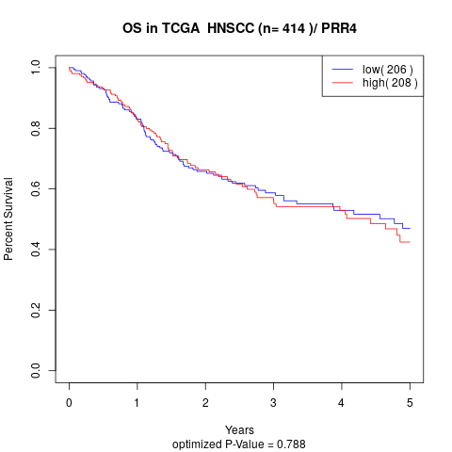

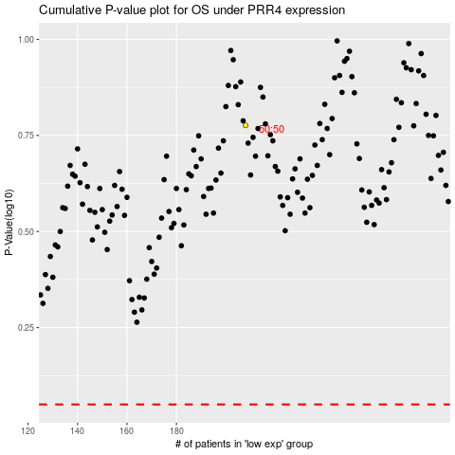

 |  |  |  |  |  | cases_OS | p_OS | rank | exp
 |  |  |  |  |  |  | cases_RFS | p_RFS | rank | exp

