PRR5 _multivariate
Reported by Tex Li-Hsing Chi. tex@gate.sinica.edu.tw 2019-08-16

Table 2. The clinicopathological features of HNSCC cohort and PRR5 expression. (Chi square test)
Cutoff at -0.19 (49.8%)
 |  | PRR5 expression |  | PRR5 expression |  | (Optimised)
 | Features | Low | (%) | High | (%) | Case no | P-value | Remark | Matthews
Gender | Female | 143 | 34.5 | 163 | 39.3 | 415 | 0.0416 | 1 | 0
2 | Male | 64 | 15.4 | 45 | 10.8
Age at diagnosis | <=65y | 134 | 32.3 | 140 | 33.7 | 415 | 0.6529 | 0 | 0
4 | >65y | 73 | 17.6 | 68 | 16.4
Clinical T Status | T1+T2 | 87 | 21 | 62 | 14.9 | 415 | 0.0127 | 1 | 0
6 | T3+T4 | 120 | 28.9 | 146 | 35.2
Clinical N Status | N0 | 105 | 25.3 | 111 | 26.7 | 415 | 0.6598 | 0 | 0
8 | N1-3 | 102 | 24.6 | 97 | 23.4
Clinical M Status | M0 | 207 | 49.9 | 205 | 49.4 | 415 | 0.2482 | 0 | 0
10 | M1 | 0 | 0 | 3 | 0.7
Clinical Stage | Stage I+II | 58 | 14 | 44 | 10.6 | 415 | 0.131 | 0 | 0
12 | Stage III+IV | 149 | 35.9 | 164 | 39.5
Surgical Margin status | Negative | 161 | 38.8 | 157 | 37.8 | 415 | 0.6429 | 0 | 0
14 | Positive | 46 | 11.1 | 51 | 12.3
Tobacco Exposure | Low | 101 | 24.3 | 60 | 14.5 | 415 | 0 | 1 | 0
16 | High | 106 | 25.5 | 148 | 35.7

Table 3. Univariate/Multivariate Cox's proportional hazards regression analyses on OS time of PRR5 gene expression in HNSCC

 |  | Univariate |  |  |  | Multivariate
 | Features | HR | CI95%(L) | CI95%(H) | P-value | HR | CI95%(L) | CI95%(H) | P-value
1 | Female | 1 |  |  |  | 1
Gender | Male | 1.157 | 0.843 | 1.587 | 0.367 | 1.193 | 0.857 | 1.66 | 0.296
11 | <=65y | 1 |  |  |  | 1
Age at diagnosis | >65y | 1.329 | 0.99 | 1.784 | 0.058 | 1.381 | 1.016 | 1.878 | 0.04
12 | T1+T2 | 1 |  |  |  | 1
Clinical T Status | T3+T4 | 1.409 | 1.028 | 1.931 | 0.033 | 2.355 | 1.243 | 4.464 | 0.009
13 | N0 | 1 |  |  |  | 1
Clinical N Status | N1-3 | 1.185 | 0.89 | 1.577 | 0.246 | 1.212 | 0.85 | 1.729 | 0.287
14 | M0 | 1 |  |  |  | 1
Clinical M Status | M1 | 4.097 | 1.009 | 16.644 | 0.049 | 12.273 | 2.635 | 57.154 | 0.001
15 | Stage I+II | 1 |  |  |  | 1
Clinical Stage | Stage III+IV | 1.245 | 0.882 | 1.759 | 0.213 | 0.501 | 0.233 | 1.075 | 0.076
16 | Negative | 1 |  |  |  | 1
Surgical Margin status | Positive | 1.591 | 1.155 | 2.191 | 0.004 | 1.736 | 1.254 | 2.404 | 0.001
17 | Low | 1 |  |  |  | 1
Tobacco Exposure | High | 1.364 | 1.008 | 1.844 | 0.044 | 1.568 | 1.133 | 2.168 | 0.007
18 | Low | 1 |  |  |  | 1
RNAseq(z-score) | High | 0.817 | 0.613 | 1.089 | 0.168 | 0.682 | 0.505 | 0.922 | 0.013

Table 4. Univariate/Multivariate Cox's proportional hazards regression analyses on RFS time of PRR5 gene expression in HNSCC

 |  | Univariate |  |  |  | Multivariate
 | Features | HR | CI95%(L) | CI95%(H) | P-value | HR | CI95%(L) | CI95%(H) | P-value
1 | Female | 1 |  |  |  | 1
Gender | Male | 1.157 | 0.843 | 1.587 | 0.367 | 1.193 | 0.857 | 1.66 | 0.296
11 | <=65y | 1 |  |  |  | 1
Age at diagnosis | >65y | 1.329 | 0.99 | 1.784 | 0.058 | 1.381 | 1.016 | 1.878 | 0.04
12 | T1+T2 | 1 |  |  |  | 1
Clinical T Status | T3+T4 | 1.409 | 1.028 | 1.931 | 0.033 | 2.355 | 1.243 | 4.464 | 0.009
13 | N0 | 1 |  |  |  | 1
Clinical N Status | N1-3 | 1.185 | 0.89 | 1.577 | 0.246 | 1.212 | 0.85 | 1.729 | 0.287
14 | M0 | 1 |  |  |  | 1
Clinical M Status | M1 | 4.097 | 1.009 | 16.644 | 0.049 | 12.273 | 2.635 | 57.154 | 0.001
15 | Stage I+II | 1 |  |  |  | 1
Clinical Stage | Stage III+IV | 1.245 | 0.882 | 1.759 | 0.213 | 0.501 | 0.233 | 1.075 | 0.076
16 | Negative | 1 |  |  |  | 1
Surgical Margin status | Positive | 1.591 | 1.155 | 2.191 | 0.004 | 1.736 | 1.254 | 2.404 | 0.001
17 | Low | 1 |  |  |  | 1
Tobacco Exposure | High | 1.364 | 1.008 | 1.844 | 0.044 | 1.568 | 1.133 | 2.168 | 0.007
18 | Low | 1 |  |  |  | 1
RNAseq(z-score) | High | 0.817 | 0.613 | 1.089 | 0.168 | 0.682 | 0.505 | 0.922 | 0.013

Kaplan-Meier survival estimate: Cutoff at -0.19 (49.8%)



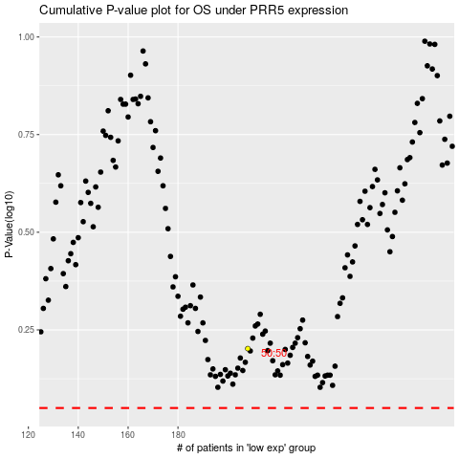

 |  |  |  |  |  | cases_OS | p_OS | rank | exp
 |  |  |  |  |  |  | cases_RFS | p_RFS | rank | exp

