PRRG1 _multivariate
Reported by Tex Li-Hsing Chi. tex@gate.sinica.edu.tw 2019-08-16

Table 2. The clinicopathological features of HNSCC cohort and PRRG1 expression. (Chi square test)
Cutoff at -0.516 (32.4%)
 |  | PRRG1 expression |  | PRRG1 expression |  | (Optimised)
 | Features | Low | (%) | High | (%) | Case no | P-value | Remark | Matthews
Gender | Female | 105 | 25.3 | 201 | 48.4 | 415 | 0.1743 | 0 | 0
2 | Male | 29 | 7 | 80 | 19.3
Age at diagnosis | <=65y | 96 | 23.1 | 178 | 42.9 | 415 | 0.1193 | 0 | 0
4 | >65y | 38 | 9.2 | 103 | 24.8
Clinical T Status | T1+T2 | 47 | 11.3 | 102 | 24.6 | 415 | 0.8937 | 0 | 0
6 | T3+T4 | 87 | 21 | 179 | 43.1
Clinical N Status | N0 | 57 | 13.7 | 159 | 38.3 | 415 | 0.0101 | 1 | 0
8 | N1-3 | 77 | 18.6 | 122 | 29.4
Clinical M Status | M0 | 132 | 31.8 | 280 | 67.5 | 415 | 0.2449 | 0 | 0
10 | M1 | 2 | 0.5 | 1 | 0.2
Clinical Stage | Stage I+II | 20 | 4.8 | 82 | 19.8 | 415 | 0.0024 | 1 | 0
12 | Stage III+IV | 114 | 27.5 | 199 | 48
Surgical Margin status | Negative | 103 | 24.8 | 215 | 51.8 | 415 | 1 | 0 | 0
14 | Positive | 31 | 7.5 | 66 | 15.9
Tobacco Exposure | Low | 49 | 11.8 | 112 | 27 | 415 | 0.5903 | 0 | 0
16 | High | 85 | 20.5 | 169 | 40.7

Table 3. Univariate/Multivariate Cox's proportional hazards regression analyses on OS time of PRRG1 gene expression in HNSCC

 |  | Univariate |  |  |  | Multivariate
 | Features | HR | CI95%(L) | CI95%(H) | P-value | HR | CI95%(L) | CI95%(H) | P-value
1 | Female | 1 |  |  |  | 1
Gender | Male | 1.157 | 0.843 | 1.587 | 0.367 | 1.151 | 0.824 | 1.609 | 0.409
11 | <=65y | 1 |  |  |  | 1
Age at diagnosis | >65y | 1.329 | 0.99 | 1.784 | 0.058 | 1.39 | 1.022 | 1.891 | 0.036
12 | T1+T2 | 1 |  |  |  | 1
Clinical T Status | T3+T4 | 1.409 | 1.028 | 1.931 | 0.033 | 1.978 | 1.045 | 3.746 | 0.036
13 | N0 | 1 |  |  |  | 1
Clinical N Status | N1-3 | 1.185 | 0.89 | 1.577 | 0.246 | 1.284 | 0.9 | 1.832 | 0.168
14 | M0 | 1 |  |  |  | 1
Clinical M Status | M1 | 4.097 | 1.009 | 16.644 | 0.049 | 10.426 | 2.271 | 47.861 | 0.003
15 | Stage I+II | 1 |  |  |  | 1
Clinical Stage | Stage III+IV | 1.245 | 0.882 | 1.759 | 0.213 | 0.615 | 0.284 | 1.332 | 0.218
16 | Negative | 1 |  |  |  | 1
Surgical Margin status | Positive | 1.591 | 1.155 | 2.191 | 0.004 | 1.631 | 1.182 | 2.251 | 0.003
17 | Low | 1 |  |  |  | 1
Tobacco Exposure | High | 1.364 | 1.008 | 1.844 | 0.044 | 1.478 | 1.073 | 2.034 | 0.017
18 | Low | 1 |  |  |  | 1
RNAseq(z-score) | High | 1.585 | 1.145 | 2.193 | 0.005 | 1.689 | 1.203 | 2.372 | 0.002

Table 4. Univariate/Multivariate Cox's proportional hazards regression analyses on RFS time of PRRG1 gene expression in HNSCC

 |  | Univariate |  |  |  | Multivariate
 | Features | HR | CI95%(L) | CI95%(H) | P-value | HR | CI95%(L) | CI95%(H) | P-value
1 | Female | 1 |  |  |  | 1
Gender | Male | 1.157 | 0.843 | 1.587 | 0.367 | 1.151 | 0.824 | 1.609 | 0.409
11 | <=65y | 1 |  |  |  | 1
Age at diagnosis | >65y | 1.329 | 0.99 | 1.784 | 0.058 | 1.39 | 1.022 | 1.891 | 0.036
12 | T1+T2 | 1 |  |  |  | 1
Clinical T Status | T3+T4 | 1.409 | 1.028 | 1.931 | 0.033 | 1.978 | 1.045 | 3.746 | 0.036
13 | N0 | 1 |  |  |  | 1
Clinical N Status | N1-3 | 1.185 | 0.89 | 1.577 | 0.246 | 1.284 | 0.9 | 1.832 | 0.168
14 | M0 | 1 |  |  |  | 1
Clinical M Status | M1 | 4.097 | 1.009 | 16.644 | 0.049 | 10.426 | 2.271 | 47.861 | 0.003
15 | Stage I+II | 1 |  |  |  | 1
Clinical Stage | Stage III+IV | 1.245 | 0.882 | 1.759 | 0.213 | 0.615 | 0.284 | 1.332 | 0.218
16 | Negative | 1 |  |  |  | 1
Surgical Margin status | Positive | 1.591 | 1.155 | 2.191 | 0.004 | 1.631 | 1.182 | 2.251 | 0.003
17 | Low | 1 |  |  |  | 1
Tobacco Exposure | High | 1.364 | 1.008 | 1.844 | 0.044 | 1.478 | 1.073 | 2.034 | 0.017
18 | Low | 1 |  |  |  | 1
RNAseq(z-score) | High | 1.585 | 1.145 | 2.193 | 0.005 | 1.689 | 1.203 | 2.372 | 0.002

Kaplan-Meier survival estimate: Cutoff at -0.516 (32.4%)

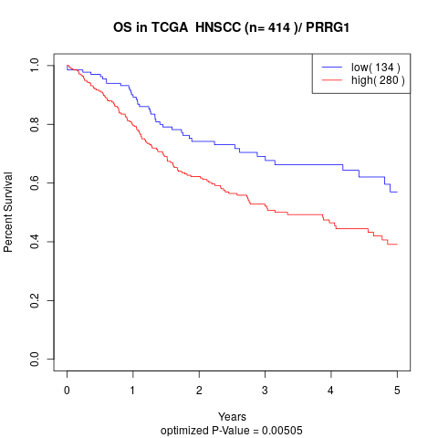

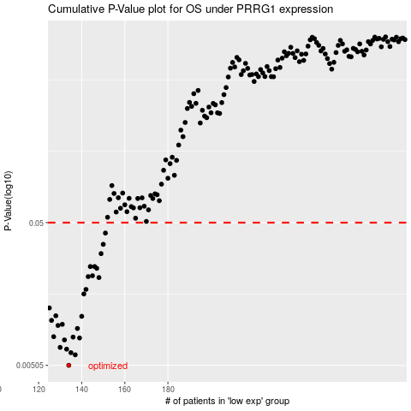

 |  |  |  |  |  | cases_OS | p_OS | rank | exp
 |  |  |  |  |  | 134 | 0.00505 | 142 | -0.51585978712
 |  |  |  |  |  | 137 | 0.00598 | 224 | -0.50241162391
 |  |  |  |  |  | 135 | 0.00619 | 371 | -0.51176391364
 |  |  |  |  |  | 133 | 0.00655 | 347 | -0.52015406721
 |  |  |  |  |  | 130 | 0.00674 | 62 | -0.52831863518
 |  |  |  |  |  | 132 | 0.0076 | 299 | -0.52309891055
 |  |  |  |  |  | 139 | 0.00784 | 123 | -0.48873923404
 |  |  |  |  |  | 136 | 0.00795 | 189 | -0.5055161438
 |  |  |  |  |  | 127 | 0.008 | 125 | -0.54742070735
 |  |  |  |  |  | 138 | 0.00913 | 383 | -0.49946949846
 |  |  |  |  |  | 129 | 0.00958 | 190 | -0.5331680461
 |  |  |  |  |  | 131 | 0.00976 | 126 | -0.52672390806
 |  |  |  |  |  | 126 | 0.0104 | 151 | -0.54958211637
 |  |  |  |  |  | 140 | 0.0111 | 199 | -0.47500772987
 |  |  |  |  |  | 128 | 0.0112 | 16 | -0.54134756251
 |  |  |  |  |  | 125 | 0.0127 | 357 | -0.55216683812
 |  |  |  |  |  | 141 | 0.0159 | 212 | -0.46344103209
 |  |  |  |  |  | 142 | 0.0171 | 82 | -0.44686117
 |  |  |  |  |  | 148 | 0.0207 | 297 | -0.43371809092
 |  |  |  |  |  | 143 | 0.021 | 55 | -0.44340536168
 |  |  |  |  |  | 145 | 0.0213 | 240 | -0.43718884768
 |  |  |  |  |  | 147 | 0.024 | 292 | -0.4348385447
 |  |  |  |  |  | 146 | 0.0247 | 25 | -0.43704411956
 |  |  |  |  |  | 144 | 0.0247 | 376 | -0.43807352373
 |  |  |  |  |  | 149 | 0.0304 | 275 | -0.42868929868
 |  |  |  |  |  | 150 | 0.0353 | 118 | -0.42822929431
 |  |  |  |  |  | 151 | 0.0423 | 373 | -0.42714757059
 |  |  |  |  |  |  | cases_RFS | p_RFS | rank | exp
 |  |  |  |  |  |  | 133 | 0.00505 | 347 | -0.52015406721
 |  |  |  |  |  |  | 136 | 0.00598 | 189 | -0.5055161438
 |  |  |  |  |  |  | 134 | 0.00619 | 142 | -0.51585978712
 |  |  |  |  |  |  | 132 | 0.00655 | 299 | -0.52309891055
 |  |  |  |  |  |  | 129 | 0.00674 | 190 | -0.5331680461
 |  |  |  |  |  |  | 131 | 0.0076 | 126 | -0.52672390806
 |  |  |  |  |  |  | 138 | 0.00784 | 383 | -0.49946949846
 |  |  |  |  |  |  | 135 | 0.00795 | 371 | -0.51176391364
 |  |  |  |  |  |  | 126 | 0.008 | 151 | -0.54958211637
 |  |  |  |  |  |  | 137 | 0.00913 | 224 | -0.50241162391
 |  |  |  |  |  |  | 128 | 0.00958 | 16 | -0.54134756251
 |  |  |  |  |  |  | 130 | 0.00976 | 62 | -0.52831863518
 |  |  |  |  |  |  | 125 | 0.0104 | 357 | -0.55216683812
 |  |  |  |  |  |  | 139 | 0.0111 | 123 | -0.48873923404
 |  |  |  |  |  |  | 127 | 0.0112 | 125 | -0.54742070735
 |  |  |  |  |  |  |  | 0.0127 | 19 | -0.55619408465
 |  |  |  |  |  |  | 140 | 0.0159 | 199 | -0.47500772987
 |  |  |  |  |  |  | 141 | 0.0171 | 212 | -0.46344103209
 |  |  |  |  |  |  | 147 | 0.0207 | 292 | -0.4348385447
 |  |  |  |  |  |  | 142 | 0.021 | 82 | -0.44686117
 |  |  |  |  |  |  | 144 | 0.0213 | 376 | -0.43807352373
 |  |  |  |  |  |  | 146 | 0.024 | 25 | -0.43704411956
 |  |  |  |  |  |  | 143 | 0.0247 | 55 | -0.44340536168
 |  |  |  |  |  |  | 145 | 0.0247 | 240 | -0.43718884768
 |  |  |  |  |  |  | 148 | 0.0304 | 297 | -0.43371809092
 |  |  |  |  |  |  | 149 | 0.0353 | 275 | -0.42868929868
 |  |  |  |  |  |  | 150 | 0.0423 | 118 | -0.42822929431

