PRRT4 _multivariate
Reported by Tex Li-Hsing Chi. tex@gate.sinica.edu.tw 2019-08-16

Table 2. The clinicopathological features of HNSCC cohort and PRRT4 expression. (Chi square test)
Cutoff at -0.335 (50.0%)
 |  | PRRT4 expression |  | PRRT4 expression |  | (Optimised)
 | Features | Low | (%) | High | (%) | Case no | P-value | Remark | Matthews
Gender | Female | 159 | 38.3 | 147 | 35.4 | 415 | 0.1905 | 0 | 0
2 | Male | 48 | 11.6 | 61 | 14.7
Age at diagnosis | <=65y | 138 | 33.3 | 136 | 32.8 | 415 | 0.8634 | 0 | 0
4 | >65y | 69 | 16.6 | 72 | 17.3
Clinical T Status | T1+T2 | 65 | 15.7 | 84 | 20.2 | 415 | 0.0711 | 0 | 0
6 | T3+T4 | 142 | 34.2 | 124 | 29.9
Clinical N Status | N0 | 97 | 23.4 | 119 | 28.7 | 415 | 0.0442 | 1 | 0
8 | N1-3 | 110 | 26.5 | 89 | 21.4
Clinical M Status | M0 | 206 | 49.6 | 206 | 49.6 | 415 | 1 | 0 | 0
10 | M1 | 1 | 0.2 | 2 | 0.5
Clinical Stage | Stage I+II | 42 | 10.1 | 60 | 14.5 | 415 | 0.0561 | 0 | 0
12 | Stage III+IV | 165 | 39.8 | 148 | 35.7
Surgical Margin status | Negative | 160 | 38.6 | 158 | 38.1 | 415 | 0.8167 | 0 | 0
14 | Positive | 47 | 11.3 | 50 | 12
Tobacco Exposure | Low | 72 | 17.3 | 89 | 21.4 | 415 | 0.1071 | 0 | 0
16 | High | 135 | 32.5 | 119 | 28.7

Table 3. Univariate/Multivariate Cox's proportional hazards regression analyses on OS time of PRRT4 gene expression in HNSCC

 |  | Univariate |  |  |  | Multivariate
 | Features | HR | CI95%(L) | CI95%(H) | P-value | HR | CI95%(L) | CI95%(H) | P-value
1 | Female | 1 |  |  |  | 1
Gender | Male | 1.157 | 0.843 | 1.587 | 0.367 | 1.21 | 0.866 | 1.691 | 0.264
11 | <=65y | 1 |  |  |  | 1
Age at diagnosis | >65y | 1.329 | 0.99 | 1.784 | 0.058 | 1.396 | 1.026 | 1.899 | 0.034
12 | T1+T2 | 1 |  |  |  | 1
Clinical T Status | T3+T4 | 1.409 | 1.028 | 1.931 | 0.033 | 2.197 | 1.162 | 4.156 | 0.015
13 | N0 | 1 |  |  |  | 1
Clinical N Status | N1-3 | 1.185 | 0.89 | 1.577 | 0.246 | 1.236 | 0.866 | 1.764 | 0.243
14 | M0 | 1 |  |  |  | 1
Clinical M Status | M1 | 4.097 | 1.009 | 16.644 | 0.049 | 9.648 | 2.102 | 44.279 | 0.004
15 | Stage I+II | 1 |  |  |  | 1
Clinical Stage | Stage III+IV | 1.245 | 0.882 | 1.759 | 0.213 | 0.497 | 0.232 | 1.067 | 0.073
16 | Negative | 1 |  |  |  | 1
Surgical Margin status | Positive | 1.591 | 1.155 | 2.191 | 0.004 | 1.693 | 1.224 | 2.343 | 0.001
17 | Low | 1 |  |  |  | 1
Tobacco Exposure | High | 1.364 | 1.008 | 1.844 | 0.044 | 1.444 | 1.047 | 1.99 | 0.025
18 | Low | 1 |  |  |  | 1
RNAseq(z-score) | High | 0.863 | 0.648 | 1.15 | 0.314 | 0.857 | 0.641 | 1.146 | 0.298

Table 4. Univariate/Multivariate Cox's proportional hazards regression analyses on RFS time of PRRT4 gene expression in HNSCC

 |  | Univariate |  |  |  | Multivariate
 | Features | HR | CI95%(L) | CI95%(H) | P-value | HR | CI95%(L) | CI95%(H) | P-value
1 | Female | 1 |  |  |  | 1
Gender | Male | 1.157 | 0.843 | 1.587 | 0.367 | 1.21 | 0.866 | 1.691 | 0.264
11 | <=65y | 1 |  |  |  | 1
Age at diagnosis | >65y | 1.329 | 0.99 | 1.784 | 0.058 | 1.396 | 1.026 | 1.899 | 0.034
12 | T1+T2 | 1 |  |  |  | 1
Clinical T Status | T3+T4 | 1.409 | 1.028 | 1.931 | 0.033 | 2.197 | 1.162 | 4.156 | 0.015
13 | N0 | 1 |  |  |  | 1
Clinical N Status | N1-3 | 1.185 | 0.89 | 1.577 | 0.246 | 1.236 | 0.866 | 1.764 | 0.243
14 | M0 | 1 |  |  |  | 1
Clinical M Status | M1 | 4.097 | 1.009 | 16.644 | 0.049 | 9.648 | 2.102 | 44.279 | 0.004
15 | Stage I+II | 1 |  |  |  | 1
Clinical Stage | Stage III+IV | 1.245 | 0.882 | 1.759 | 0.213 | 0.497 | 0.232 | 1.067 | 0.073
16 | Negative | 1 |  |  |  | 1
Surgical Margin status | Positive | 1.591 | 1.155 | 2.191 | 0.004 | 1.693 | 1.224 | 2.343 | 0.001
17 | Low | 1 |  |  |  | 1
Tobacco Exposure | High | 1.364 | 1.008 | 1.844 | 0.044 | 1.444 | 1.047 | 1.99 | 0.025
18 | Low | 1 |  |  |  | 1
RNAseq(z-score) | High | 0.863 | 0.648 | 1.15 | 0.314 | 0.857 | 0.641 | 1.146 | 0.298

Kaplan-Meier survival estimate: Cutoff at -0.335 (50.0%)



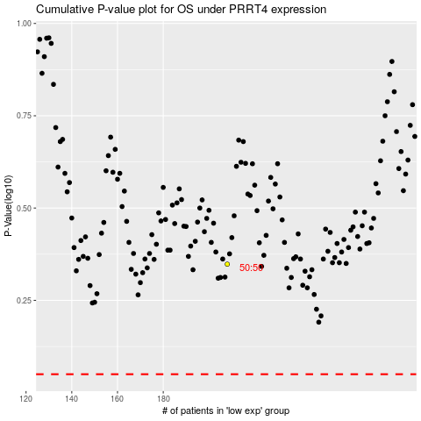

 |  |  |  |  |  | cases_OS | p_OS | rank | exp
 |  |  |  |  |  |  | cases_RFS | p_RFS | rank | exp

