PRRX2 _multivariate
Reported by Tex Li-Hsing Chi. tex@gate.sinica.edu.tw 2019-08-16

Table 2. The clinicopathological features of HNSCC cohort and PRRX2 expression. (Chi square test)
Cutoff at -0.564 (30.2%)
 |  | PRRX2 expression |  | PRRX2 expression |  | (Optimised)
 | Features | Low | (%) | High | (%) | Case no | P-value | Remark | Matthews
Gender | Female | 87 | 21 | 219 | 52.8 | 415 | 0.2563 | 0 | 0
2 | Male | 38 | 9.2 | 71 | 17.1
Age at diagnosis | <=65y | 81 | 19.5 | 193 | 46.5 | 415 | 0.816 | 0 | 0
4 | >65y | 44 | 10.6 | 97 | 23.4
Clinical T Status | T1+T2 | 44 | 10.6 | 105 | 25.3 | 415 | 0.9325 | 0 | 0
6 | T3+T4 | 81 | 19.5 | 185 | 44.6
Clinical N Status | N0 | 68 | 16.4 | 148 | 35.7 | 415 | 0.6013 | 0 | 0
8 | N1-3 | 57 | 13.7 | 142 | 34.2
Clinical M Status | M0 | 124 | 29.9 | 288 | 69.4 | 415 | 1 | 0 | 0
10 | M1 | 1 | 0.2 | 2 | 0.5
Clinical Stage | Stage I+II | 30 | 7.2 | 72 | 17.3 | 415 | 0.9558 | 0 | 0
12 | Stage III+IV | 95 | 22.9 | 218 | 52.5
Surgical Margin status | Negative | 91 | 21.9 | 227 | 54.7 | 415 | 0.2554 | 0 | 0
14 | Positive | 34 | 8.2 | 63 | 15.2
Tobacco Exposure | Low | 55 | 13.3 | 106 | 25.5 | 415 | 0.1556 | 0 | 0
16 | High | 70 | 16.9 | 184 | 44.3

Table 3. Univariate/Multivariate Cox's proportional hazards regression analyses on OS time of PRRX2 gene expression in HNSCC

 |  | Univariate |  |  |  | Multivariate
 | Features | HR | CI95%(L) | CI95%(H) | P-value | HR | CI95%(L) | CI95%(H) | P-value
1 | Female | 1 |  |  |  | 1
Gender | Male | 1.157 | 0.843 | 1.587 | 0.367 | 1.209 | 0.865 | 1.69 | 0.266
11 | <=65y | 1 |  |  |  | 1
Age at diagnosis | >65y | 1.329 | 0.99 | 1.784 | 0.058 | 1.367 | 1.005 | 1.86 | 0.047
12 | T1+T2 | 1 |  |  |  | 1
Clinical T Status | T3+T4 | 1.409 | 1.028 | 1.931 | 0.033 | 2.232 | 1.181 | 4.216 | 0.013
13 | N0 | 1 |  |  |  | 1
Clinical N Status | N1-3 | 1.185 | 0.89 | 1.577 | 0.246 | 1.257 | 0.881 | 1.793 | 0.207
14 | M0 | 1 |  |  |  | 1
Clinical M Status | M1 | 4.097 | 1.009 | 16.644 | 0.049 | 9.179 | 2.001 | 42.096 | 0.004
15 | Stage I+II | 1 |  |  |  | 1
Clinical Stage | Stage III+IV | 1.245 | 0.882 | 1.759 | 0.213 | 0.492 | 0.23 | 1.056 | 0.069
16 | Negative | 1 |  |  |  | 1
Surgical Margin status | Positive | 1.591 | 1.155 | 2.191 | 0.004 | 1.652 | 1.195 | 2.283 | 0.002
17 | Low | 1 |  |  |  | 1
Tobacco Exposure | High | 1.364 | 1.008 | 1.844 | 0.044 | 1.497 | 1.083 | 2.067 | 0.014
18 | Low | 1 |  |  |  | 1
RNAseq(z-score) | High | 0.713 | 0.526 | 0.968 | 0.03 | 0.716 | 0.526 | 0.975 | 0.034

Table 4. Univariate/Multivariate Cox's proportional hazards regression analyses on RFS time of PRRX2 gene expression in HNSCC

 |  | Univariate |  |  |  | Multivariate
 | Features | HR | CI95%(L) | CI95%(H) | P-value | HR | CI95%(L) | CI95%(H) | P-value
1 | Female | 1 |  |  |  | 1
Gender | Male | 1.157 | 0.843 | 1.587 | 0.367 | 1.209 | 0.865 | 1.69 | 0.266
11 | <=65y | 1 |  |  |  | 1
Age at diagnosis | >65y | 1.329 | 0.99 | 1.784 | 0.058 | 1.367 | 1.005 | 1.86 | 0.047
12 | T1+T2 | 1 |  |  |  | 1
Clinical T Status | T3+T4 | 1.409 | 1.028 | 1.931 | 0.033 | 2.232 | 1.181 | 4.216 | 0.013
13 | N0 | 1 |  |  |  | 1
Clinical N Status | N1-3 | 1.185 | 0.89 | 1.577 | 0.246 | 1.257 | 0.881 | 1.793 | 0.207
14 | M0 | 1 |  |  |  | 1
Clinical M Status | M1 | 4.097 | 1.009 | 16.644 | 0.049 | 9.179 | 2.001 | 42.096 | 0.004
15 | Stage I+II | 1 |  |  |  | 1
Clinical Stage | Stage III+IV | 1.245 | 0.882 | 1.759 | 0.213 | 0.492 | 0.23 | 1.056 | 0.069
16 | Negative | 1 |  |  |  | 1
Surgical Margin status | Positive | 1.591 | 1.155 | 2.191 | 0.004 | 1.652 | 1.195 | 2.283 | 0.002
17 | Low | 1 |  |  |  | 1
Tobacco Exposure | High | 1.364 | 1.008 | 1.844 | 0.044 | 1.497 | 1.083 | 2.067 | 0.014
18 | Low | 1 |  |  |  | 1
RNAseq(z-score) | High | 0.713 | 0.526 | 0.968 | 0.03 | 0.716 | 0.526 | 0.975 | 0.034

Kaplan-Meier survival estimate: Cutoff at -0.564 (30.2%)



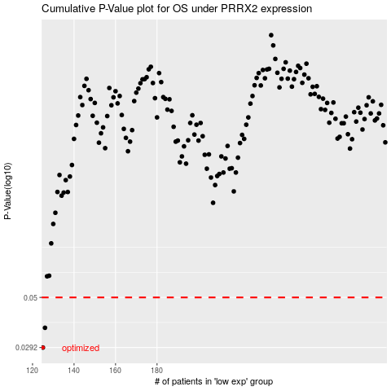

 |  |  |  |  |  | cases_OS | p_OS | rank | exp
 |  |  |  |  |  | 125 | 0.0292 | 288 | -0.56361854695
 |  |  |  |  |  | 126 | 0.0361 | 26 | -0.55532883177
 |  |  |  |  |  |  | cases_RFS | p_RFS | rank | exp
 |  |  |  |  |  |  |  | 0.0292 | 248 | -0.56779445411
 |  |  |  |  |  |  | 125 | 0.0361 | 288 | -0.56361854695

