PRSS16 _multivariate
Reported by Tex Li-Hsing Chi. tex@gate.sinica.edu.tw 2019-08-16

Table 2. The clinicopathological features of HNSCC cohort and PRSS16 expression. (Chi square test)
Cutoff at -0.259 (49.8%)
 |  | PRSS16 expression |  | PRSS16 expression |  | (Optimised)
 | Features | Low | (%) | High | (%) | Case no | P-value | Remark | Matthews
Gender | Female | 153 | 36.9 | 153 | 36.9 | 415 | 1 | 0 | 0
2 | Male | 54 | 13 | 55 | 13.3
Age at diagnosis | <=65y | 137 | 33 | 137 | 33 | 415 | 1 | 0 | 0
4 | >65y | 70 | 16.9 | 71 | 17.1
Clinical T Status | T1+T2 | 73 | 17.6 | 76 | 18.3 | 415 | 0.8666 | 0 | 0
6 | T3+T4 | 134 | 32.3 | 132 | 31.8
Clinical N Status | N0 | 102 | 24.6 | 114 | 27.5 | 415 | 0.3031 | 0 | 0
8 | N1-3 | 105 | 25.3 | 94 | 22.7
Clinical M Status | M0 | 206 | 49.6 | 206 | 49.6 | 415 | 1 | 0 | 0
10 | M1 | 1 | 0.2 | 2 | 0.5
Clinical Stage | Stage I+II | 54 | 13 | 48 | 11.6 | 415 | 0.5498 | 0 | 0
12 | Stage III+IV | 153 | 36.9 | 160 | 38.6
Surgical Margin status | Negative | 165 | 39.8 | 153 | 36.9 | 415 | 0.1639 | 0 | 0
14 | Positive | 42 | 10.1 | 55 | 13.3
Tobacco Exposure | Low | 78 | 18.8 | 83 | 20 | 415 | 0.6873 | 0 | 0
16 | High | 129 | 31.1 | 125 | 30.1

Table 3. Univariate/Multivariate Cox's proportional hazards regression analyses on OS time of PRSS16 gene expression in HNSCC

 |  | Univariate |  |  |  | Multivariate
 | Features | HR | CI95%(L) | CI95%(H) | P-value | HR | CI95%(L) | CI95%(H) | P-value
1 | Female | 1 |  |  |  | 1
Gender | Male | 1.157 | 0.843 | 1.587 | 0.367 | 1.191 | 0.851 | 1.668 | 0.308
11 | <=65y | 1 |  |  |  | 1
Age at diagnosis | >65y | 1.329 | 0.99 | 1.784 | 0.058 | 1.399 | 1.028 | 1.903 | 0.033
12 | T1+T2 | 1 |  |  |  | 1
Clinical T Status | T3+T4 | 1.409 | 1.028 | 1.931 | 0.033 | 2.249 | 1.183 | 4.277 | 0.013
13 | N0 | 1 |  |  |  | 1
Clinical N Status | N1-3 | 1.185 | 0.89 | 1.577 | 0.246 | 1.261 | 0.878 | 1.81 | 0.209
14 | M0 | 1 |  |  |  | 1
Clinical M Status | M1 | 4.097 | 1.009 | 16.644 | 0.049 | 9.307 | 2.029 | 42.698 | 0.004
15 | Stage I+II | 1 |  |  |  | 1
Clinical Stage | Stage III+IV | 1.245 | 0.882 | 1.759 | 0.213 | 0.488 | 0.225 | 1.06 | 0.07
16 | Negative | 1 |  |  |  | 1
Surgical Margin status | Positive | 1.591 | 1.155 | 2.191 | 0.004 | 1.657 | 1.197 | 2.295 | 0.002
17 | Low | 1 |  |  |  | 1
Tobacco Exposure | High | 1.364 | 1.008 | 1.844 | 0.044 | 1.447 | 1.05 | 1.995 | 0.024
18 | Low | 1 |  |  |  | 1
RNAseq(z-score) | High | 1.076 | 0.807 | 1.434 | 0.617 | 1.076 | 0.799 | 1.448 | 0.63

Table 4. Univariate/Multivariate Cox's proportional hazards regression analyses on RFS time of PRSS16 gene expression in HNSCC

 |  | Univariate |  |  |  | Multivariate
 | Features | HR | CI95%(L) | CI95%(H) | P-value | HR | CI95%(L) | CI95%(H) | P-value
1 | Female | 1 |  |  |  | 1
Gender | Male | 1.157 | 0.843 | 1.587 | 0.367 | 1.191 | 0.851 | 1.668 | 0.308
11 | <=65y | 1 |  |  |  | 1
Age at diagnosis | >65y | 1.329 | 0.99 | 1.784 | 0.058 | 1.399 | 1.028 | 1.903 | 0.033
12 | T1+T2 | 1 |  |  |  | 1
Clinical T Status | T3+T4 | 1.409 | 1.028 | 1.931 | 0.033 | 2.249 | 1.183 | 4.277 | 0.013
13 | N0 | 1 |  |  |  | 1
Clinical N Status | N1-3 | 1.185 | 0.89 | 1.577 | 0.246 | 1.261 | 0.878 | 1.81 | 0.209
14 | M0 | 1 |  |  |  | 1
Clinical M Status | M1 | 4.097 | 1.009 | 16.644 | 0.049 | 9.307 | 2.029 | 42.698 | 0.004
15 | Stage I+II | 1 |  |  |  | 1
Clinical Stage | Stage III+IV | 1.245 | 0.882 | 1.759 | 0.213 | 0.488 | 0.225 | 1.06 | 0.07
16 | Negative | 1 |  |  |  | 1
Surgical Margin status | Positive | 1.591 | 1.155 | 2.191 | 0.004 | 1.657 | 1.197 | 2.295 | 0.002
17 | Low | 1 |  |  |  | 1
Tobacco Exposure | High | 1.364 | 1.008 | 1.844 | 0.044 | 1.447 | 1.05 | 1.995 | 0.024
18 | Low | 1 |  |  |  | 1
RNAseq(z-score) | High | 1.076 | 0.807 | 1.434 | 0.617 | 1.076 | 0.799 | 1.448 | 0.63

Kaplan-Meier survival estimate: Cutoff at -0.259 (49.8%)



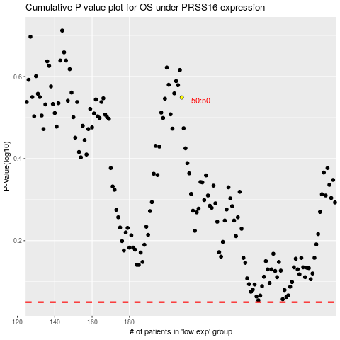

 |  |  |  |  |  | cases_OS | p_OS | rank | exp
 |  |  |  |  |  |  | cases_RFS | p_RFS | rank | exp

