PRSS21 _multivariate
Reported by Tex Li-Hsing Chi. tex@gate.sinica.edu.tw 2019-08-16

Table 2. The clinicopathological features of HNSCC cohort and PRSS21 expression. (Chi square test)
Cutoff at -0.374 (49.8%)
 |  | PRSS21 expression |  | PRSS21 expression |  | (Optimised)
 | Features | Low | (%) | High | (%) | Case no | P-value | Remark | Matthews
Gender | Female | 146 | 35.2 | 160 | 38.6 | 415 | 0.1714 | 0 | 0
2 | Male | 61 | 14.7 | 48 | 11.6
Age at diagnosis | <=65y | 140 | 33.7 | 134 | 32.3 | 415 | 0.5574 | 0 | 0
4 | >65y | 67 | 16.1 | 74 | 17.8
Clinical T Status | T1+T2 | 91 | 21.9 | 58 | 14 | 415 | 9e-04 | 1 | 0
6 | T3+T4 | 116 | 28 | 150 | 36.1
Clinical N Status | N0 | 108 | 26 | 108 | 26 | 415 | 1 | 0 | 0
8 | N1-3 | 99 | 23.9 | 100 | 24.1
Clinical M Status | M0 | 206 | 49.6 | 206 | 49.6 | 415 | 1 | 0 | 0
10 | M1 | 1 | 0.2 | 2 | 0.5
Clinical Stage | Stage I+II | 66 | 15.9 | 36 | 8.7 | 415 | 9e-04 | 1 | 0
12 | Stage III+IV | 141 | 34 | 172 | 41.4
Surgical Margin status | Negative | 163 | 39.3 | 155 | 37.3 | 415 | 0.3537 | 0 | 0
14 | Positive | 44 | 10.6 | 53 | 12.8
Tobacco Exposure | Low | 98 | 23.6 | 63 | 15.2 | 415 | 4e-04 | 1 | 0
16 | High | 109 | 26.3 | 145 | 34.9

Table 3. Univariate/Multivariate Cox's proportional hazards regression analyses on OS time of PRSS21 gene expression in HNSCC

 |  | Univariate |  |  |  | Multivariate
 | Features | HR | CI95%(L) | CI95%(H) | P-value | HR | CI95%(L) | CI95%(H) | P-value
1 | Female | 1 |  |  |  | 1
Gender | Male | 1.157 | 0.843 | 1.587 | 0.367 | 1.199 | 0.858 | 1.677 | 0.288
11 | <=65y | 1 |  |  |  | 1
Age at diagnosis | >65y | 1.329 | 0.99 | 1.784 | 0.058 | 1.396 | 1.024 | 1.903 | 0.035
12 | T1+T2 | 1 |  |  |  | 1
Clinical T Status | T3+T4 | 1.409 | 1.028 | 1.931 | 0.033 | 2.204 | 1.166 | 4.168 | 0.015
13 | N0 | 1 |  |  |  | 1
Clinical N Status | N1-3 | 1.185 | 0.89 | 1.577 | 0.246 | 1.239 | 0.868 | 1.768 | 0.238
14 | M0 | 1 |  |  |  | 1
Clinical M Status | M1 | 4.097 | 1.009 | 16.644 | 0.049 | 9.426 | 2.056 | 43.218 | 0.004
15 | Stage I+II | 1 |  |  |  | 1
Clinical Stage | Stage III+IV | 1.245 | 0.882 | 1.759 | 0.213 | 0.507 | 0.236 | 1.092 | 0.083
16 | Negative | 1 |  |  |  | 1
Surgical Margin status | Positive | 1.591 | 1.155 | 2.191 | 0.004 | 1.673 | 1.211 | 2.312 | 0.002
17 | Low | 1 |  |  |  | 1
Tobacco Exposure | High | 1.364 | 1.008 | 1.844 | 0.044 | 1.461 | 1.052 | 2.03 | 0.024
18 | Low | 1 |  |  |  | 1
RNAseq(z-score) | High | 1.111 | 0.831 | 1.485 | 0.478 | 0.976 | 0.716 | 1.33 | 0.877

Table 4. Univariate/Multivariate Cox's proportional hazards regression analyses on RFS time of PRSS21 gene expression in HNSCC

 |  | Univariate |  |  |  | Multivariate
 | Features | HR | CI95%(L) | CI95%(H) | P-value | HR | CI95%(L) | CI95%(H) | P-value
1 | Female | 1 |  |  |  | 1
Gender | Male | 1.157 | 0.843 | 1.587 | 0.367 | 1.199 | 0.858 | 1.677 | 0.288
11 | <=65y | 1 |  |  |  | 1
Age at diagnosis | >65y | 1.329 | 0.99 | 1.784 | 0.058 | 1.396 | 1.024 | 1.903 | 0.035
12 | T1+T2 | 1 |  |  |  | 1
Clinical T Status | T3+T4 | 1.409 | 1.028 | 1.931 | 0.033 | 2.204 | 1.166 | 4.168 | 0.015
13 | N0 | 1 |  |  |  | 1
Clinical N Status | N1-3 | 1.185 | 0.89 | 1.577 | 0.246 | 1.239 | 0.868 | 1.768 | 0.238
14 | M0 | 1 |  |  |  | 1
Clinical M Status | M1 | 4.097 | 1.009 | 16.644 | 0.049 | 9.426 | 2.056 | 43.218 | 0.004
15 | Stage I+II | 1 |  |  |  | 1
Clinical Stage | Stage III+IV | 1.245 | 0.882 | 1.759 | 0.213 | 0.507 | 0.236 | 1.092 | 0.083
16 | Negative | 1 |  |  |  | 1
Surgical Margin status | Positive | 1.591 | 1.155 | 2.191 | 0.004 | 1.673 | 1.211 | 2.312 | 0.002
17 | Low | 1 |  |  |  | 1
Tobacco Exposure | High | 1.364 | 1.008 | 1.844 | 0.044 | 1.461 | 1.052 | 2.03 | 0.024
18 | Low | 1 |  |  |  | 1
RNAseq(z-score) | High | 1.111 | 0.831 | 1.485 | 0.478 | 0.976 | 0.716 | 1.33 | 0.877

Kaplan-Meier survival estimate: Cutoff at -0.374 (49.8%)



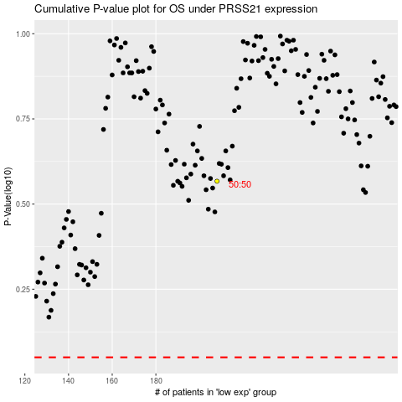

 |  |  |  |  |  | cases_OS | p_OS | rank | exp
 |  |  |  |  |  |  | cases_RFS | p_RFS | rank | exp

