PRSS23 _multivariate
Reported by Tex Li-Hsing Chi. tex@gate.sinica.edu.tw 2019-08-16

Table 2. The clinicopathological features of HNSCC cohort and PRSS23 expression. (Chi square test)
Cutoff at -0.427 (33.1%)
 |  | PRSS23 expression |  | PRSS23 expression |  | (Optimised)
 | Features | Low | (%) | High | (%) | Case no | P-value | Remark | Matthews
Gender | Female | 102 | 24.6 | 204 | 49.2 | 415 | 0.9088 | 0 | 0
2 | Male | 35 | 8.4 | 74 | 17.8
Age at diagnosis | <=65y | 93 | 22.4 | 181 | 43.6 | 415 | 0.6519 | 0 | 0
4 | >65y | 44 | 10.6 | 97 | 23.4
Clinical T Status | T1+T2 | 48 | 11.6 | 101 | 24.3 | 415 | 0.881 | 0 | 0
6 | T3+T4 | 89 | 21.4 | 177 | 42.7
Clinical N Status | N0 | 69 | 16.6 | 147 | 35.4 | 415 | 0.7059 | 0 | 0
8 | N1-3 | 68 | 16.4 | 131 | 31.6
Clinical M Status | M0 | 137 | 33 | 275 | 66.3 | 415 | 0.554 | 0 | 0
10 | M1 | 0 | 0 | 3 | 0.7
Clinical Stage | Stage I+II | 28 | 6.7 | 74 | 17.8 | 415 | 0.2098 | 0 | 0
12 | Stage III+IV | 109 | 26.3 | 204 | 49.2
Surgical Margin status | Negative | 101 | 24.3 | 217 | 52.3 | 415 | 0.3269 | 0 | 0
14 | Positive | 36 | 8.7 | 61 | 14.7
Tobacco Exposure | Low | 46 | 11.1 | 115 | 27.7 | 415 | 0.1347 | 0 | 0
16 | High | 91 | 21.9 | 163 | 39.3

Table 3. Univariate/Multivariate Cox's proportional hazards regression analyses on OS time of PRSS23 gene expression in HNSCC

 |  | Univariate |  |  |  | Multivariate
 | Features | HR | CI95%(L) | CI95%(H) | P-value | HR | CI95%(L) | CI95%(H) | P-value
1 | Female | 1 |  |  |  | 1
Gender | Male | 1.157 | 0.843 | 1.587 | 0.367 | 1.167 | 0.835 | 1.632 | 0.366
11 | <=65y | 1 |  |  |  | 1
Age at diagnosis | >65y | 1.329 | 0.99 | 1.784 | 0.058 | 1.396 | 1.028 | 1.896 | 0.033
12 | T1+T2 | 1 |  |  |  | 1
Clinical T Status | T3+T4 | 1.409 | 1.028 | 1.931 | 0.033 | 2.097 | 1.109 | 3.964 | 0.023
13 | N0 | 1 |  |  |  | 1
Clinical N Status | N1-3 | 1.185 | 0.89 | 1.577 | 0.246 | 1.239 | 0.869 | 1.766 | 0.237
14 | M0 | 1 |  |  |  | 1
Clinical M Status | M1 | 4.097 | 1.009 | 16.644 | 0.049 | 7.744 | 1.682 | 35.643 | 0.009
15 | Stage I+II | 1 |  |  |  | 1
Clinical Stage | Stage III+IV | 1.245 | 0.882 | 1.759 | 0.213 | 0.557 | 0.259 | 1.2 | 0.135
16 | Negative | 1 |  |  |  | 1
Surgical Margin status | Positive | 1.591 | 1.155 | 2.191 | 0.004 | 1.738 | 1.258 | 2.403 | 0.001
17 | Low | 1 |  |  |  | 1
Tobacco Exposure | High | 1.364 | 1.008 | 1.844 | 0.044 | 1.5 | 1.088 | 2.07 | 0.013
18 | Low | 1 |  |  |  | 1
RNAseq(z-score) | High | 1.524 | 1.098 | 2.114 | 0.012 | 1.599 | 1.145 | 2.233 | 0.006

Table 4. Univariate/Multivariate Cox's proportional hazards regression analyses on RFS time of PRSS23 gene expression in HNSCC

 |  | Univariate |  |  |  | Multivariate
 | Features | HR | CI95%(L) | CI95%(H) | P-value | HR | CI95%(L) | CI95%(H) | P-value
1 | Female | 1 |  |  |  | 1
Gender | Male | 1.157 | 0.843 | 1.587 | 0.367 | 1.167 | 0.835 | 1.632 | 0.366
11 | <=65y | 1 |  |  |  | 1
Age at diagnosis | >65y | 1.329 | 0.99 | 1.784 | 0.058 | 1.396 | 1.028 | 1.896 | 0.033
12 | T1+T2 | 1 |  |  |  | 1
Clinical T Status | T3+T4 | 1.409 | 1.028 | 1.931 | 0.033 | 2.097 | 1.109 | 3.964 | 0.023
13 | N0 | 1 |  |  |  | 1
Clinical N Status | N1-3 | 1.185 | 0.89 | 1.577 | 0.246 | 1.239 | 0.869 | 1.766 | 0.237
14 | M0 | 1 |  |  |  | 1
Clinical M Status | M1 | 4.097 | 1.009 | 16.644 | 0.049 | 7.744 | 1.682 | 35.643 | 0.009
15 | Stage I+II | 1 |  |  |  | 1
Clinical Stage | Stage III+IV | 1.245 | 0.882 | 1.759 | 0.213 | 0.557 | 0.259 | 1.2 | 0.135
16 | Negative | 1 |  |  |  | 1
Surgical Margin status | Positive | 1.591 | 1.155 | 2.191 | 0.004 | 1.738 | 1.258 | 2.403 | 0.001
17 | Low | 1 |  |  |  | 1
Tobacco Exposure | High | 1.364 | 1.008 | 1.844 | 0.044 | 1.5 | 1.088 | 2.07 | 0.013
18 | Low | 1 |  |  |  | 1
RNAseq(z-score) | High | 1.524 | 1.098 | 2.114 | 0.012 | 1.599 | 1.145 | 2.233 | 0.006

Kaplan-Meier survival estimate: Cutoff at -0.427 (33.1%)

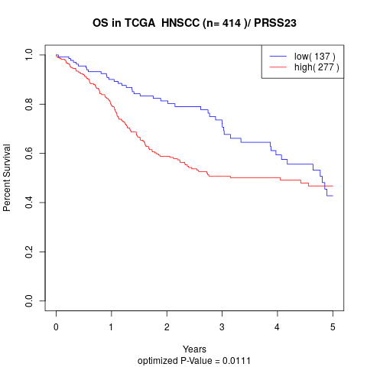

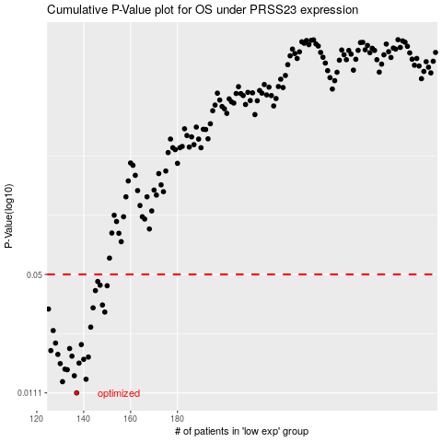

 |  |  |  |  |  | cases_OS | p_OS | rank | exp
 |  |  |  |  |  | 137 | 0.0111 | 379 | -0.42677542827
 |  |  |  |  |  | 131 | 0.0128 | 401 | -0.45100855401
 |  |  |  |  |  | 141 | 0.0132 | 236 | -0.4028174751
 |  |  |  |  |  | 136 | 0.0138 | 329 | -0.42809598888
 |  |  |  |  |  | 133 | 0.0149 | 410 | -0.43539704619
 |  |  |  |  |  | 132 | 0.015 | 342 | -0.43973254464
 |  |  |  |  |  | 130 | 0.0161 | 233 | -0.45155494083
 |  |  |  |  |  | 138 | 0.0162 | 203 | -0.42367699607
 |  |  |  |  |  | 140 | 0.017 | 60 | -0.4039869656
 |  |  |  |  |  | 142 | 0.0175 | 224 | -0.40143056326
 |  |  |  |  |  | 135 | 0.0177 | 112 | -0.43327807794
 |  |  |  |  |  | 129 | 0.0181 | 307 | -0.45320939342
 |  |  |  |  |  | 126 | 0.019 | 411 | -0.45900610003
 |  |  |  |  |  | 134 | 0.0195 | 393 | -0.43405871598
 |  |  |  |  |  | 139 | 0.0205 | 407 | -0.40871769534
 |  |  |  |  |  | 128 | 0.0209 | 351 | -0.45465690417
 |  |  |  |  |  | 127 | 0.0245 | 316 | -0.45859842432
 |  |  |  |  |  | 143 | 0.0256 | 200 | -0.40037372749
 |  |  |  |  |  | 149 | 0.031 | 222 | -0.38184683716
 |  |  |  |  |  | 125 | 0.0322 | 230 | -0.46109858473
 |  |  |  |  |  | 144 | 0.0327 | 249 | -0.39965237841
 |  |  |  |  |  | 148 | 0.0339 | 318 | -0.38583901776
 |  |  |  |  |  | 145 | 0.0407 | 211 | -0.39524776645
 |  |  |  |  |  | 150 | 0.0433 | 297 | -0.37987301582
 |  |  |  |  |  | 147 | 0.0436 | 109 | -0.38921094239
 |  |  |  |  |  | 146 | 0.0457 | 197 | -0.39257403916
 |  |  |  |  |  |  | cases_RFS | p_RFS | rank | exp
 |  |  |  |  |  |  | 136 | 0.0111 | 329 | -0.42809598888
 |  |  |  |  |  |  | 130 | 0.0128 | 233 | -0.45155494083
 |  |  |  |  |  |  | 140 | 0.0132 | 60 | -0.4039869656
 |  |  |  |  |  |  | 135 | 0.0138 | 112 | -0.43327807794
 |  |  |  |  |  |  | 132 | 0.0149 | 342 | -0.43973254464
 |  |  |  |  |  |  | 131 | 0.015 | 401 | -0.45100855401
 |  |  |  |  |  |  | 129 | 0.0161 | 307 | -0.45320939342
 |  |  |  |  |  |  | 137 | 0.0162 | 379 | -0.42677542827
 |  |  |  |  |  |  | 139 | 0.017 | 407 | -0.40871769534
 |  |  |  |  |  |  | 141 | 0.0175 | 236 | -0.4028174751
 |  |  |  |  |  |  | 134 | 0.0177 | 393 | -0.43405871598
 |  |  |  |  |  |  | 128 | 0.0181 | 351 | -0.45465690417
 |  |  |  |  |  |  | 125 | 0.019 | 230 | -0.46109858473
 |  |  |  |  |  |  | 133 | 0.0195 | 410 | -0.43539704619
 |  |  |  |  |  |  | 138 | 0.0205 | 203 | -0.42367699607
 |  |  |  |  |  |  | 127 | 0.0209 | 316 | -0.45859842432
 |  |  |  |  |  |  | 126 | 0.0245 | 411 | -0.45900610003
 |  |  |  |  |  |  | 142 | 0.0256 | 224 | -0.40143056326
 |  |  |  |  |  |  | 148 | 0.031 | 318 | -0.38583901776
 |  |  |  |  |  |  |  | 0.0322 | 266 | -0.46174390041
 |  |  |  |  |  |  | 143 | 0.0327 | 200 | -0.40037372749
 |  |  |  |  |  |  | 147 | 0.0339 | 109 | -0.38921094239
 |  |  |  |  |  |  | 144 | 0.0407 | 249 | -0.39965237841
 |  |  |  |  |  |  | 149 | 0.0433 | 222 | -0.38184683716
 |  |  |  |  |  |  | 146 | 0.0436 | 197 | -0.39257403916
 |  |  |  |  |  |  | 145 | 0.0457 | 211 | -0.39524776645

