PRSS27 _multivariate
Reported by Tex Li-Hsing Chi. tex@gate.sinica.edu.tw 2019-08-16

Table 2. The clinicopathological features of HNSCC cohort and PRSS27 expression. (Chi square test)
Cutoff at -0.423 (35.0%)
 |  | PRSS27 expression |  | PRSS27 expression |  | (Optimised)
 | Features | Low | (%) | High | (%) | Case no | P-value | Remark | Matthews
Gender | Female | 112 | 27 | 194 | 46.7 | 415 | 0.2835 | 0 | 0
2 | Male | 33 | 8 | 76 | 18.3
Age at diagnosis | <=65y | 94 | 22.7 | 180 | 43.4 | 415 | 0.7884 | 0 | 0
4 | >65y | 51 | 12.3 | 90 | 21.7
Clinical T Status | T1+T2 | 56 | 13.5 | 93 | 22.4 | 415 | 0.4604 | 0 | 0
6 | T3+T4 | 89 | 21.4 | 177 | 42.7
Clinical N Status | N0 | 76 | 18.3 | 140 | 33.7 | 415 | 0.995 | 0 | 0
8 | N1-3 | 69 | 16.6 | 130 | 31.3
Clinical M Status | M0 | 144 | 34.7 | 268 | 64.6 | 415 | 1 | 0 | 0
10 | M1 | 1 | 0.2 | 2 | 0.5
Clinical Stage | Stage I+II | 40 | 9.6 | 62 | 14.9 | 415 | 0.3558 | 0 | 0
12 | Stage III+IV | 105 | 25.3 | 208 | 50.1
Surgical Margin status | Negative | 104 | 25.1 | 214 | 51.6 | 415 | 0.0896 | 0 | 0
14 | Positive | 41 | 9.9 | 56 | 13.5
Tobacco Exposure | Low | 47 | 11.3 | 114 | 27.5 | 415 | 0.0573 | 0 | 0
16 | High | 98 | 23.6 | 156 | 37.6

Table 3. Univariate/Multivariate Cox's proportional hazards regression analyses on OS time of PRSS27 gene expression in HNSCC

 |  | Univariate |  |  |  | Multivariate
 | Features | HR | CI95%(L) | CI95%(H) | P-value | HR | CI95%(L) | CI95%(H) | P-value
1 | Female | 1 |  |  |  | 1
Gender | Male | 1.157 | 0.843 | 1.587 | 0.367 | 1.244 | 0.888 | 1.742 | 0.204
11 | <=65y | 1 |  |  |  | 1
Age at diagnosis | >65y | 1.329 | 0.99 | 1.784 | 0.058 | 1.38 | 1.015 | 1.876 | 0.04
12 | T1+T2 | 1 |  |  |  | 1
Clinical T Status | T3+T4 | 1.409 | 1.028 | 1.931 | 0.033 | 2.152 | 1.139 | 4.068 | 0.018
13 | N0 | 1 |  |  |  | 1
Clinical N Status | N1-3 | 1.185 | 0.89 | 1.577 | 0.246 | 1.228 | 0.861 | 1.752 | 0.257
14 | M0 | 1 |  |  |  | 1
Clinical M Status | M1 | 4.097 | 1.009 | 16.644 | 0.049 | 9.702 | 2.116 | 44.477 | 0.003
15 | Stage I+II | 1 |  |  |  | 1
Clinical Stage | Stage III+IV | 1.245 | 0.882 | 1.759 | 0.213 | 0.528 | 0.246 | 1.135 | 0.102
16 | Negative | 1 |  |  |  | 1
Surgical Margin status | Positive | 1.591 | 1.155 | 2.191 | 0.004 | 1.619 | 1.17 | 2.239 | 0.004
17 | Low | 1 |  |  |  | 1
Tobacco Exposure | High | 1.364 | 1.008 | 1.844 | 0.044 | 1.455 | 1.056 | 2.006 | 0.022
18 | Low | 1 |  |  |  | 1
RNAseq(z-score) | High | 0.74 | 0.551 | 0.995 | 0.046 | 0.753 | 0.557 | 1.017 | 0.064

Table 4. Univariate/Multivariate Cox's proportional hazards regression analyses on RFS time of PRSS27 gene expression in HNSCC

 |  | Univariate |  |  |  | Multivariate
 | Features | HR | CI95%(L) | CI95%(H) | P-value | HR | CI95%(L) | CI95%(H) | P-value
1 | Female | 1 |  |  |  | 1
Gender | Male | 1.157 | 0.843 | 1.587 | 0.367 | 1.244 | 0.888 | 1.742 | 0.204
11 | <=65y | 1 |  |  |  | 1
Age at diagnosis | >65y | 1.329 | 0.99 | 1.784 | 0.058 | 1.38 | 1.015 | 1.876 | 0.04
12 | T1+T2 | 1 |  |  |  | 1
Clinical T Status | T3+T4 | 1.409 | 1.028 | 1.931 | 0.033 | 2.152 | 1.139 | 4.068 | 0.018
13 | N0 | 1 |  |  |  | 1
Clinical N Status | N1-3 | 1.185 | 0.89 | 1.577 | 0.246 | 1.228 | 0.861 | 1.752 | 0.257
14 | M0 | 1 |  |  |  | 1
Clinical M Status | M1 | 4.097 | 1.009 | 16.644 | 0.049 | 9.702 | 2.116 | 44.477 | 0.003
15 | Stage I+II | 1 |  |  |  | 1
Clinical Stage | Stage III+IV | 1.245 | 0.882 | 1.759 | 0.213 | 0.528 | 0.246 | 1.135 | 0.102
16 | Negative | 1 |  |  |  | 1
Surgical Margin status | Positive | 1.591 | 1.155 | 2.191 | 0.004 | 1.619 | 1.17 | 2.239 | 0.004
17 | Low | 1 |  |  |  | 1
Tobacco Exposure | High | 1.364 | 1.008 | 1.844 | 0.044 | 1.455 | 1.056 | 2.006 | 0.022
18 | Low | 1 |  |  |  | 1
RNAseq(z-score) | High | 0.74 | 0.551 | 0.995 | 0.046 | 0.753 | 0.557 | 1.017 | 0.064

Kaplan-Meier survival estimate: Cutoff at -0.423 (35.0%)



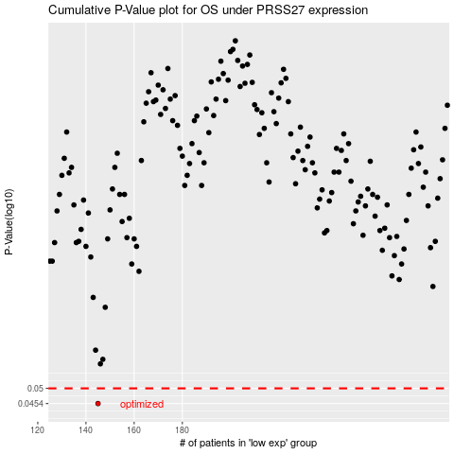

 |  |  |  |  |  | cases_OS | p_OS | rank | exp
 |  |  |  |  |  | 145 | 0.0454 | 189 | -0.42295668974
 |  |  |  |  |  |  | cases_RFS | p_RFS | rank | exp
 |  |  |  |  |  |  | 144 | 0.0454 | 201 | -0.42327847678

