PRSS3 _multivariate
Reported by Tex Li-Hsing Chi. tex@gate.sinica.edu.tw 2019-08-16

Table 2. The clinicopathological features of HNSCC cohort and PRSS3 expression. (Chi square test)
Cutoff at -0.402 (50.0%)
 |  | PRSS3 expression |  | PRSS3 expression |  | (Optimised)
 | Features | Low | (%) | High | (%) | Case no | P-value | Remark | Matthews
Gender | Female | 157 | 37.8 | 149 | 35.9 | 415 | 0.3881 | 0 | 0
2 | Male | 50 | 12 | 59 | 14.2
Age at diagnosis | <=65y | 134 | 32.3 | 140 | 33.7 | 415 | 0.6529 | 0 | 0
4 | >65y | 73 | 17.6 | 68 | 16.4
Clinical T Status | T1+T2 | 79 | 19 | 70 | 16.9 | 415 | 0.3924 | 0 | 0
6 | T3+T4 | 128 | 30.8 | 138 | 33.3
Clinical N Status | N0 | 101 | 24.3 | 115 | 27.7 | 415 | 0.2201 | 0 | 0
8 | N1-3 | 106 | 25.5 | 93 | 22.4
Clinical M Status | M0 | 205 | 49.4 | 207 | 49.9 | 415 | 0.6232 | 0 | 0
10 | M1 | 2 | 0.5 | 1 | 0.2
Clinical Stage | Stage I+II | 51 | 12.3 | 51 | 12.3 | 415 | 1 | 0 | 0
12 | Stage III+IV | 156 | 37.6 | 157 | 37.8
Surgical Margin status | Negative | 152 | 36.6 | 166 | 40 | 415 | 0.1329 | 0 | 0
14 | Positive | 55 | 13.3 | 42 | 10.1
Tobacco Exposure | Low | 82 | 19.8 | 79 | 19 | 415 | 0.763 | 0 | 0
16 | High | 125 | 30.1 | 129 | 31.1

Table 3. Univariate/Multivariate Cox's proportional hazards regression analyses on OS time of PRSS3 gene expression in HNSCC

 |  | Univariate |  |  |  | Multivariate
 | Features | HR | CI95%(L) | CI95%(H) | P-value | HR | CI95%(L) | CI95%(H) | P-value
1 | Female | 1 |  |  |  | 1
Gender | Male | 1.157 | 0.843 | 1.587 | 0.367 | 1.224 | 0.876 | 1.712 | 0.237
11 | <=65y | 1 |  |  |  | 1
Age at diagnosis | >65y | 1.329 | 0.99 | 1.784 | 0.058 | 1.361 | 1 | 1.854 | 0.05
12 | T1+T2 | 1 |  |  |  | 1
Clinical T Status | T3+T4 | 1.409 | 1.028 | 1.931 | 0.033 | 2.243 | 1.186 | 4.24 | 0.013
13 | N0 | 1 |  |  |  | 1
Clinical N Status | N1-3 | 1.185 | 0.89 | 1.577 | 0.246 | 1.202 | 0.841 | 1.718 | 0.312
14 | M0 | 1 |  |  |  | 1
Clinical M Status | M1 | 4.097 | 1.009 | 16.644 | 0.049 | 9.463 | 2.064 | 43.39 | 0.004
15 | Stage I+II | 1 |  |  |  | 1
Clinical Stage | Stage III+IV | 1.245 | 0.882 | 1.759 | 0.213 | 0.507 | 0.236 | 1.088 | 0.081
16 | Negative | 1 |  |  |  | 1
Surgical Margin status | Positive | 1.591 | 1.155 | 2.191 | 0.004 | 1.626 | 1.175 | 2.249 | 0.003
17 | Low | 1 |  |  |  | 1
Tobacco Exposure | High | 1.364 | 1.008 | 1.844 | 0.044 | 1.487 | 1.078 | 2.053 | 0.016
18 | Low | 1 |  |  |  | 1
RNAseq(z-score) | High | 0.764 | 0.573 | 1.019 | 0.067 | 0.775 | 0.577 | 1.04 | 0.089

Table 4. Univariate/Multivariate Cox's proportional hazards regression analyses on RFS time of PRSS3 gene expression in HNSCC

 |  | Univariate |  |  |  | Multivariate
 | Features | HR | CI95%(L) | CI95%(H) | P-value | HR | CI95%(L) | CI95%(H) | P-value
1 | Female | 1 |  |  |  | 1
Gender | Male | 1.157 | 0.843 | 1.587 | 0.367 | 1.224 | 0.876 | 1.712 | 0.237
11 | <=65y | 1 |  |  |  | 1
Age at diagnosis | >65y | 1.329 | 0.99 | 1.784 | 0.058 | 1.361 | 1 | 1.854 | 0.05
12 | T1+T2 | 1 |  |  |  | 1
Clinical T Status | T3+T4 | 1.409 | 1.028 | 1.931 | 0.033 | 2.243 | 1.186 | 4.24 | 0.013
13 | N0 | 1 |  |  |  | 1
Clinical N Status | N1-3 | 1.185 | 0.89 | 1.577 | 0.246 | 1.202 | 0.841 | 1.718 | 0.312
14 | M0 | 1 |  |  |  | 1
Clinical M Status | M1 | 4.097 | 1.009 | 16.644 | 0.049 | 9.463 | 2.064 | 43.39 | 0.004
15 | Stage I+II | 1 |  |  |  | 1
Clinical Stage | Stage III+IV | 1.245 | 0.882 | 1.759 | 0.213 | 0.507 | 0.236 | 1.088 | 0.081
16 | Negative | 1 |  |  |  | 1
Surgical Margin status | Positive | 1.591 | 1.155 | 2.191 | 0.004 | 1.626 | 1.175 | 2.249 | 0.003
17 | Low | 1 |  |  |  | 1
Tobacco Exposure | High | 1.364 | 1.008 | 1.844 | 0.044 | 1.487 | 1.078 | 2.053 | 0.016
18 | Low | 1 |  |  |  | 1
RNAseq(z-score) | High | 0.764 | 0.573 | 1.019 | 0.067 | 0.775 | 0.577 | 1.04 | 0.089

Kaplan-Meier survival estimate: Cutoff at -0.402 (50.0%)



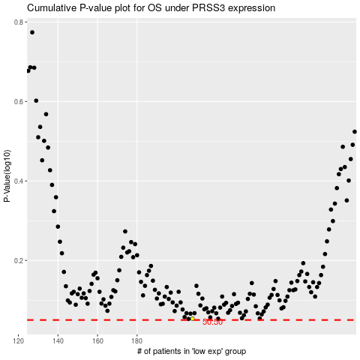

 |  |  |  |  |  | cases_OS | p_OS | rank | exp
 |  |  |  |  |  |  | cases_RFS | p_RFS | rank | exp

