PRUNE _multivariate
Reported by Tex Li-Hsing Chi. tex@gate.sinica.edu.tw 2019-08-16

Table 2. The clinicopathological features of HNSCC cohort and PRUNE expression. (Chi square test)
Cutoff at -0.196 (49.8%)
 |  | PRUNE expression |  | PRUNE expression |  | (Optimised)
 | Features | Low | (%) | High | (%) | Case no | P-value | Remark | Matthews
Gender | Female | 144 | 34.7 | 162 | 39 | 415 | 0.0697 | 0 | 0
2 | Male | 63 | 15.2 | 46 | 11.1
Age at diagnosis | <=65y | 132 | 31.8 | 142 | 34.2 | 415 | 0.3874 | 0 | 0
4 | >65y | 75 | 18.1 | 66 | 15.9
Clinical T Status | T1+T2 | 79 | 19 | 70 | 16.9 | 415 | 0.3924 | 0 | 0
6 | T3+T4 | 128 | 30.8 | 138 | 33.3
Clinical N Status | N0 | 114 | 27.5 | 102 | 24.6 | 415 | 0.2576 | 1 | 0
8 | N1-3 | 93 | 22.4 | 106 | 25.5
Clinical M Status | M0 | 204 | 49.2 | 208 | 50.1 | 415 | 0.1232 | 0 | 0
10 | M1 | 3 | 0.7 | 0 | 0
Clinical Stage | Stage I+II | 61 | 14.7 | 41 | 9.9 | 415 | 0.0282 | 1 | 0
12 | Stage III+IV | 146 | 35.2 | 167 | 40.2
Surgical Margin status | Negative | 157 | 37.8 | 161 | 38.8 | 415 | 0.729 | 0 | 0
14 | Positive | 50 | 12 | 47 | 11.3
Tobacco Exposure | Low | 94 | 22.7 | 67 | 16.1 | 415 | 0.0065 | 1 | 0
16 | High | 113 | 27.2 | 141 | 34

Table 3. Univariate/Multivariate Cox's proportional hazards regression analyses on OS time of PRUNE gene expression in HNSCC

 |  | Univariate |  |  |  | Multivariate
 | Features | HR | CI95%(L) | CI95%(H) | P-value | HR | CI95%(L) | CI95%(H) | P-value
1 | Female | 1 |  |  |  | 1
Gender | Male | 1.157 | 0.843 | 1.587 | 0.367 | 1.195 | 0.853 | 1.672 | 0.3
11 | <=65y | 1 |  |  |  | 1
Age at diagnosis | >65y | 1.329 | 0.99 | 1.784 | 0.058 | 1.386 | 1.019 | 1.886 | 0.038
12 | T1+T2 | 1 |  |  |  | 1
Clinical T Status | T3+T4 | 1.409 | 1.028 | 1.931 | 0.033 | 2.18 | 1.15 | 4.134 | 0.017
13 | N0 | 1 |  |  |  | 1
Clinical N Status | N1-3 | 1.185 | 0.89 | 1.577 | 0.246 | 1.239 | 0.868 | 1.768 | 0.237
14 | M0 | 1 |  |  |  | 1
Clinical M Status | M1 | 4.097 | 1.009 | 16.644 | 0.049 | 9.042 | 1.94 | 42.141 | 0.005
15 | Stage I+II | 1 |  |  |  | 1
Clinical Stage | Stage III+IV | 1.245 | 0.882 | 1.759 | 0.213 | 0.515 | 0.238 | 1.115 | 0.092
16 | Negative | 1 |  |  |  | 1
Surgical Margin status | Positive | 1.591 | 1.155 | 2.191 | 0.004 | 1.666 | 1.205 | 2.303 | 0.002
17 | Low | 1 |  |  |  | 1
Tobacco Exposure | High | 1.364 | 1.008 | 1.844 | 0.044 | 1.457 | 1.057 | 2.009 | 0.022
18 | Low | 1 |  |  |  | 1
RNAseq(z-score) | High | 0.901 | 0.676 | 1.203 | 0.48 | 0.949 | 0.702 | 1.282 | 0.734

Table 4. Univariate/Multivariate Cox's proportional hazards regression analyses on RFS time of PRUNE gene expression in HNSCC

 |  | Univariate |  |  |  | Multivariate
 | Features | HR | CI95%(L) | CI95%(H) | P-value | HR | CI95%(L) | CI95%(H) | P-value
1 | Female | 1 |  |  |  | 1
Gender | Male | 1.157 | 0.843 | 1.587 | 0.367 | 1.195 | 0.853 | 1.672 | 0.3
11 | <=65y | 1 |  |  |  | 1
Age at diagnosis | >65y | 1.329 | 0.99 | 1.784 | 0.058 | 1.386 | 1.019 | 1.886 | 0.038
12 | T1+T2 | 1 |  |  |  | 1
Clinical T Status | T3+T4 | 1.409 | 1.028 | 1.931 | 0.033 | 2.18 | 1.15 | 4.134 | 0.017
13 | N0 | 1 |  |  |  | 1
Clinical N Status | N1-3 | 1.185 | 0.89 | 1.577 | 0.246 | 1.239 | 0.868 | 1.768 | 0.237
14 | M0 | 1 |  |  |  | 1
Clinical M Status | M1 | 4.097 | 1.009 | 16.644 | 0.049 | 9.042 | 1.94 | 42.141 | 0.005
15 | Stage I+II | 1 |  |  |  | 1
Clinical Stage | Stage III+IV | 1.245 | 0.882 | 1.759 | 0.213 | 0.515 | 0.238 | 1.115 | 0.092
16 | Negative | 1 |  |  |  | 1
Surgical Margin status | Positive | 1.591 | 1.155 | 2.191 | 0.004 | 1.666 | 1.205 | 2.303 | 0.002
17 | Low | 1 |  |  |  | 1
Tobacco Exposure | High | 1.364 | 1.008 | 1.844 | 0.044 | 1.457 | 1.057 | 2.009 | 0.022
18 | Low | 1 |  |  |  | 1
RNAseq(z-score) | High | 0.901 | 0.676 | 1.203 | 0.48 | 0.949 | 0.702 | 1.282 | 0.734

Kaplan-Meier survival estimate: Cutoff at -0.196 (49.8%)



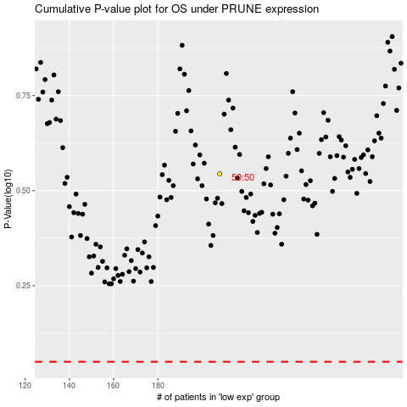

 |  |  |  |  |  | cases_OS | p_OS | rank | exp
 |  |  |  |  |  |  | cases_RFS | p_RFS | rank | exp

