PSAP _multivariate
Reported by Tex Li-Hsing Chi. tex@gate.sinica.edu.tw 2019-08-16

Table 2. The clinicopathological features of HNSCC cohort and PSAP expression. (Chi square test)
Cutoff at -0.411 (34.5%)
 |  | PSAP expression |  | PSAP expression |  | (Optimised)
 | Features | Low | (%) | High | (%) | Case no | P-value | Remark | Matthews
Gender | Female | 108 | 26 | 198 | 47.7 | 415 | 0.6289 | 0 | 0
2 | Male | 35 | 8.4 | 74 | 17.8
Age at diagnosis | <=65y | 99 | 23.9 | 175 | 42.2 | 415 | 0.3729 | 0 | 0
4 | >65y | 44 | 10.6 | 97 | 23.4
Clinical T Status | T1+T2 | 53 | 12.8 | 96 | 23.1 | 415 | 0.8031 | 0 | 0
6 | T3+T4 | 90 | 21.7 | 176 | 42.4
Clinical N Status | N0 | 80 | 19.3 | 136 | 32.8 | 415 | 0.2944 | 0 | 0
8 | N1-3 | 63 | 15.2 | 136 | 32.8
Clinical M Status | M0 | 141 | 34 | 271 | 65.3 | 415 | 0.2739 | 0 | 0
10 | M1 | 2 | 0.5 | 1 | 0.2
Clinical Stage | Stage I+II | 40 | 9.6 | 62 | 14.9 | 415 | 0.2963 | 0 | 0
12 | Stage III+IV | 103 | 24.8 | 210 | 50.6
Surgical Margin status | Negative | 108 | 26 | 210 | 50.6 | 415 | 0.7154 | 0 | 0
14 | Positive | 35 | 8.4 | 62 | 14.9
Tobacco Exposure | Low | 54 | 13 | 107 | 25.8 | 415 | 0.8322 | 0 | 0
16 | High | 89 | 21.4 | 165 | 39.8

Table 3. Univariate/Multivariate Cox's proportional hazards regression analyses on OS time of PSAP gene expression in HNSCC

 |  | Univariate |  |  |  | Multivariate
 | Features | HR | CI95%(L) | CI95%(H) | P-value | HR | CI95%(L) | CI95%(H) | P-value
1 | Female | 1 |  |  |  | 1
Gender | Male | 1.157 | 0.843 | 1.587 | 0.367 | 1.209 | 0.866 | 1.687 | 0.265
11 | <=65y | 1 |  |  |  | 1
Age at diagnosis | >65y | 1.329 | 0.99 | 1.784 | 0.058 | 1.376 | 1.012 | 1.87 | 0.041
12 | T1+T2 | 1 |  |  |  | 1
Clinical T Status | T3+T4 | 1.409 | 1.028 | 1.931 | 0.033 | 2.249 | 1.189 | 4.257 | 0.013
13 | N0 | 1 |  |  |  | 1
Clinical N Status | N1-3 | 1.185 | 0.89 | 1.577 | 0.246 | 1.243 | 0.871 | 1.772 | 0.231
14 | M0 | 1 |  |  |  | 1
Clinical M Status | M1 | 4.097 | 1.009 | 16.644 | 0.049 | 10.479 | 2.277 | 48.221 | 0.003
15 | Stage I+II | 1 |  |  |  | 1
Clinical Stage | Stage III+IV | 1.245 | 0.882 | 1.759 | 0.213 | 0.475 | 0.221 | 1.022 | 0.057
16 | Negative | 1 |  |  |  | 1
Surgical Margin status | Positive | 1.591 | 1.155 | 2.191 | 0.004 | 1.703 | 1.231 | 2.356 | 0.001
17 | Low | 1 |  |  |  | 1
Tobacco Exposure | High | 1.364 | 1.008 | 1.844 | 0.044 | 1.458 | 1.058 | 2.011 | 0.021
18 | Low | 1 |  |  |  | 1
RNAseq(z-score) | High | 1.388 | 1.014 | 1.899 | 0.041 | 1.414 | 1.03 | 1.94 | 0.032

Table 4. Univariate/Multivariate Cox's proportional hazards regression analyses on RFS time of PSAP gene expression in HNSCC

 |  | Univariate |  |  |  | Multivariate
 | Features | HR | CI95%(L) | CI95%(H) | P-value | HR | CI95%(L) | CI95%(H) | P-value
1 | Female | 1 |  |  |  | 1
Gender | Male | 1.157 | 0.843 | 1.587 | 0.367 | 1.209 | 0.866 | 1.687 | 0.265
11 | <=65y | 1 |  |  |  | 1
Age at diagnosis | >65y | 1.329 | 0.99 | 1.784 | 0.058 | 1.376 | 1.012 | 1.87 | 0.041
12 | T1+T2 | 1 |  |  |  | 1
Clinical T Status | T3+T4 | 1.409 | 1.028 | 1.931 | 0.033 | 2.249 | 1.189 | 4.257 | 0.013
13 | N0 | 1 |  |  |  | 1
Clinical N Status | N1-3 | 1.185 | 0.89 | 1.577 | 0.246 | 1.243 | 0.871 | 1.772 | 0.231
14 | M0 | 1 |  |  |  | 1
Clinical M Status | M1 | 4.097 | 1.009 | 16.644 | 0.049 | 10.479 | 2.277 | 48.221 | 0.003
15 | Stage I+II | 1 |  |  |  | 1
Clinical Stage | Stage III+IV | 1.245 | 0.882 | 1.759 | 0.213 | 0.475 | 0.221 | 1.022 | 0.057
16 | Negative | 1 |  |  |  | 1
Surgical Margin status | Positive | 1.591 | 1.155 | 2.191 | 0.004 | 1.703 | 1.231 | 2.356 | 0.001
17 | Low | 1 |  |  |  | 1
Tobacco Exposure | High | 1.364 | 1.008 | 1.844 | 0.044 | 1.458 | 1.058 | 2.011 | 0.021
18 | Low | 1 |  |  |  | 1
RNAseq(z-score) | High | 1.388 | 1.014 | 1.899 | 0.041 | 1.414 | 1.03 | 1.94 | 0.032

Kaplan-Meier survival estimate: Cutoff at -0.411 (34.5%)



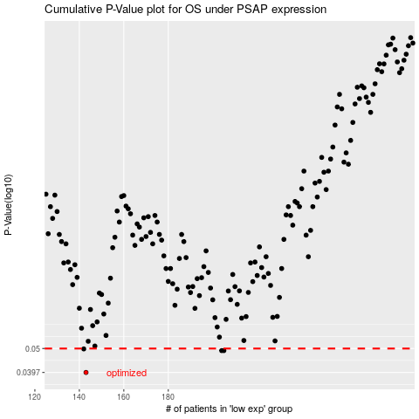

 |  |  |  |  |  | cases_OS | p_OS | rank | exp
 |  |  |  |  |  | 143 | 0.0397 | 204 | -0.41137205148
 |  |  |  |  |  | 205 | 0.049 | 283 | -0.1646244455
 |  |  |  |  |  | 204 | 0.049 | 333 | -0.16503221798
 |  |  |  |  |  | 142 | 0.0498 | 40 | -0.41694974238
 |  |  |  |  |  |  | cases_RFS | p_RFS | rank | exp
 |  |  |  |  |  |  | 142 | 0.0397 | 40 | -0.41694974238
 |  |  |  |  |  |  | 203 | 0.049 | 53 | -0.18294788708
 |  |  |  |  |  |  | 204 | 0.049 | 333 | -0.16503221798
 |  |  |  |  |  |  | 141 | 0.0498 | 34 | -0.41892691048

