PSAPL1 _multivariate
Reported by Tex Li-Hsing Chi. tex@gate.sinica.edu.tw 2019-08-16

Table 2. The clinicopathological features of HNSCC cohort and PSAPL1 expression. (Chi square test)
Cutoff at -0.131 (50.0%)
 |  | PSAPL1 expression |  | PSAPL1 expression |  | (Optimised)
 | Features | Low | (%) | High | (%) | Case no | P-value | Remark | Matthews
Gender | Female | 160 | 38.6 | 146 | 35.2 | 415 | 0.1254 | 0 | 0
2 | Male | 47 | 11.3 | 62 | 14.9
Age at diagnosis | <=65y | 133 | 32 | 141 | 34 | 415 | 0.5111 | 0 | 0
4 | >65y | 74 | 17.8 | 67 | 16.1
Clinical T Status | T1+T2 | 78 | 18.8 | 71 | 17.1 | 415 | 0.5152 | 0 | 0
6 | T3+T4 | 129 | 31.1 | 137 | 33
Clinical N Status | N0 | 112 | 27 | 104 | 25.1 | 415 | 0.4599 | 0 | 0
8 | N1-3 | 95 | 22.9 | 104 | 25.1
Clinical M Status | M0 | 206 | 49.6 | 206 | 49.6 | 415 | 1 | 0 | 0
10 | M1 | 1 | 0.2 | 2 | 0.5
Clinical Stage | Stage I+II | 51 | 12.3 | 51 | 12.3 | 415 | 1 | 0 | 0
12 | Stage III+IV | 156 | 37.6 | 157 | 37.8
Surgical Margin status | Negative | 149 | 35.9 | 169 | 40.7 | 415 | 0.0278 | 1 | 0
14 | Positive | 58 | 14 | 39 | 9.4
Tobacco Exposure | Low | 78 | 18.8 | 83 | 20 | 415 | 0.6873 | 0 | 0
16 | High | 129 | 31.1 | 125 | 30.1

Table 3. Univariate/Multivariate Cox's proportional hazards regression analyses on OS time of PSAPL1 gene expression in HNSCC

 |  | Univariate |  |  |  | Multivariate
 | Features | HR | CI95%(L) | CI95%(H) | P-value | HR | CI95%(L) | CI95%(H) | P-value
1 | Female | 1 |  |  |  | 1
Gender | Male | 1.157 | 0.843 | 1.587 | 0.367 | 1.24 | 0.884 | 1.739 | 0.212
11 | <=65y | 1 |  |  |  | 1
Age at diagnosis | >65y | 1.329 | 0.99 | 1.784 | 0.058 | 1.369 | 1.006 | 1.863 | 0.045
12 | T1+T2 | 1 |  |  |  | 1
Clinical T Status | T3+T4 | 1.409 | 1.028 | 1.931 | 0.033 | 2.238 | 1.183 | 4.235 | 0.013
13 | N0 | 1 |  |  |  | 1
Clinical N Status | N1-3 | 1.185 | 0.89 | 1.577 | 0.246 | 1.258 | 0.881 | 1.796 | 0.207
14 | M0 | 1 |  |  |  | 1
Clinical M Status | M1 | 4.097 | 1.009 | 16.644 | 0.049 | 9.731 | 2.121 | 44.648 | 0.003
15 | Stage I+II | 1 |  |  |  | 1
Clinical Stage | Stage III+IV | 1.245 | 0.882 | 1.759 | 0.213 | 0.503 | 0.234 | 1.08 | 0.078
16 | Negative | 1 |  |  |  | 1
Surgical Margin status | Positive | 1.591 | 1.155 | 2.191 | 0.004 | 1.638 | 1.184 | 2.268 | 0.003
17 | Low | 1 |  |  |  | 1
Tobacco Exposure | High | 1.364 | 1.008 | 1.844 | 0.044 | 1.451 | 1.053 | 2.001 | 0.023
18 | Low | 1 |  |  |  | 1
RNAseq(z-score) | High | 0.844 | 0.633 | 1.125 | 0.247 | 0.83 | 0.617 | 1.116 | 0.217

Table 4. Univariate/Multivariate Cox's proportional hazards regression analyses on RFS time of PSAPL1 gene expression in HNSCC

 |  | Univariate |  |  |  | Multivariate
 | Features | HR | CI95%(L) | CI95%(H) | P-value | HR | CI95%(L) | CI95%(H) | P-value
1 | Female | 1 |  |  |  | 1
Gender | Male | 1.157 | 0.843 | 1.587 | 0.367 | 1.24 | 0.884 | 1.739 | 0.212
11 | <=65y | 1 |  |  |  | 1
Age at diagnosis | >65y | 1.329 | 0.99 | 1.784 | 0.058 | 1.369 | 1.006 | 1.863 | 0.045
12 | T1+T2 | 1 |  |  |  | 1
Clinical T Status | T3+T4 | 1.409 | 1.028 | 1.931 | 0.033 | 2.238 | 1.183 | 4.235 | 0.013
13 | N0 | 1 |  |  |  | 1
Clinical N Status | N1-3 | 1.185 | 0.89 | 1.577 | 0.246 | 1.258 | 0.881 | 1.796 | 0.207
14 | M0 | 1 |  |  |  | 1
Clinical M Status | M1 | 4.097 | 1.009 | 16.644 | 0.049 | 9.731 | 2.121 | 44.648 | 0.003
15 | Stage I+II | 1 |  |  |  | 1
Clinical Stage | Stage III+IV | 1.245 | 0.882 | 1.759 | 0.213 | 0.503 | 0.234 | 1.08 | 0.078
16 | Negative | 1 |  |  |  | 1
Surgical Margin status | Positive | 1.591 | 1.155 | 2.191 | 0.004 | 1.638 | 1.184 | 2.268 | 0.003
17 | Low | 1 |  |  |  | 1
Tobacco Exposure | High | 1.364 | 1.008 | 1.844 | 0.044 | 1.451 | 1.053 | 2.001 | 0.023
18 | Low | 1 |  |  |  | 1
RNAseq(z-score) | High | 0.844 | 0.633 | 1.125 | 0.247 | 0.83 | 0.617 | 1.116 | 0.217

Kaplan-Meier survival estimate: Cutoff at -0.131 (50.0%)



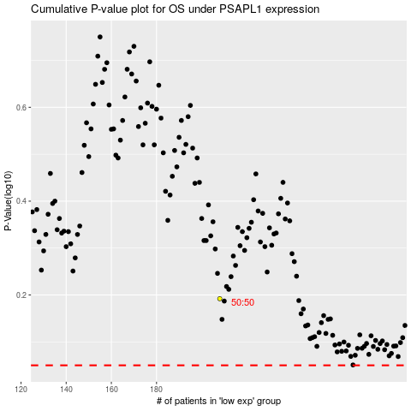

 |  |  |  |  |  | cases_OS | p_OS | rank | exp
 |  |  |  |  |  |  | cases_RFS | p_RFS | rank | exp

