PSCA _multivariate
Reported by Tex Li-Hsing Chi. tex@gate.sinica.edu.tw 2019-08-16

Table 2. The clinicopathological features of HNSCC cohort and PSCA expression. (Chi square test)
Cutoff at -0.326 (30.2%)
 |  | PSCA expression |  | PSCA expression |  | (Optimised)
 | Features | Low | (%) | High | (%) | Case no | P-value | Remark | Matthews
Gender | Female | 91 | 21.9 | 215 | 51.8 | 415 | 0.8709 | 0 | 0
2 | Male | 34 | 8.2 | 75 | 18.1
Age at diagnosis | <=65y | 79 | 19 | 195 | 47 | 415 | 0.4936 | 0 | 0
4 | >65y | 46 | 11.1 | 95 | 22.9
Clinical T Status | T1+T2 | 45 | 10.8 | 104 | 25.1 | 415 | 1 | 0 | 0
6 | T3+T4 | 80 | 19.3 | 186 | 44.8
Clinical N Status | N0 | 66 | 15.9 | 150 | 36.1 | 415 | 0.925 | 0 | 0
8 | N1-3 | 59 | 14.2 | 140 | 33.7
Clinical M Status | M0 | 125 | 30.1 | 287 | 69.2 | 415 | 0.5571 | 0 | 0
10 | M1 | 0 | 0 | 3 | 0.7
Clinical Stage | Stage I+II | 33 | 8 | 69 | 16.6 | 415 | 0.6588 | 0 | 0
12 | Stage III+IV | 92 | 22.2 | 221 | 53.3
Surgical Margin status | Negative | 85 | 20.5 | 233 | 56.1 | 415 | 0.0079 | 1 | 0
14 | Positive | 40 | 9.6 | 57 | 13.7
Tobacco Exposure | Low | 48 | 11.6 | 113 | 27.2 | 415 | 1 | 0 | 0
16 | High | 77 | 18.6 | 177 | 42.7

Table 3. Univariate/Multivariate Cox's proportional hazards regression analyses on OS time of PSCA gene expression in HNSCC

 |  | Univariate |  |  |  | Multivariate
 | Features | HR | CI95%(L) | CI95%(H) | P-value | HR | CI95%(L) | CI95%(H) | P-value
1 | Female | 1 |  |  |  | 1
Gender | Male | 1.157 | 0.843 | 1.587 | 0.367 | 1.221 | 0.875 | 1.704 | 0.24
11 | <=65y | 1 |  |  |  | 1
Age at diagnosis | >65y | 1.329 | 0.99 | 1.784 | 0.058 | 1.389 | 1.021 | 1.89 | 0.037
12 | T1+T2 | 1 |  |  |  | 1
Clinical T Status | T3+T4 | 1.409 | 1.028 | 1.931 | 0.033 | 2.156 | 1.14 | 4.078 | 0.018
13 | N0 | 1 |  |  |  | 1
Clinical N Status | N1-3 | 1.185 | 0.89 | 1.577 | 0.246 | 1.24 | 0.869 | 1.767 | 0.235
14 | M0 | 1 |  |  |  | 1
Clinical M Status | M1 | 4.097 | 1.009 | 16.644 | 0.049 | 10.297 | 2.24 | 47.336 | 0.003
15 | Stage I+II | 1 |  |  |  | 1
Clinical Stage | Stage III+IV | 1.245 | 0.882 | 1.759 | 0.213 | 0.521 | 0.243 | 1.117 | 0.094
16 | Negative | 1 |  |  |  | 1
Surgical Margin status | Positive | 1.591 | 1.155 | 2.191 | 0.004 | 1.605 | 1.159 | 2.224 | 0.004
17 | Low | 1 |  |  |  | 1
Tobacco Exposure | High | 1.364 | 1.008 | 1.844 | 0.044 | 1.483 | 1.075 | 2.046 | 0.016
18 | Low | 1 |  |  |  | 1
RNAseq(z-score) | High | 0.717 | 0.532 | 0.967 | 0.029 | 0.725 | 0.535 | 0.983 | 0.038

Table 4. Univariate/Multivariate Cox's proportional hazards regression analyses on RFS time of PSCA gene expression in HNSCC

 |  | Univariate |  |  |  | Multivariate
 | Features | HR | CI95%(L) | CI95%(H) | P-value | HR | CI95%(L) | CI95%(H) | P-value
1 | Female | 1 |  |  |  | 1
Gender | Male | 1.157 | 0.843 | 1.587 | 0.367 | 1.221 | 0.875 | 1.704 | 0.24
11 | <=65y | 1 |  |  |  | 1
Age at diagnosis | >65y | 1.329 | 0.99 | 1.784 | 0.058 | 1.389 | 1.021 | 1.89 | 0.037
12 | T1+T2 | 1 |  |  |  | 1
Clinical T Status | T3+T4 | 1.409 | 1.028 | 1.931 | 0.033 | 2.156 | 1.14 | 4.078 | 0.018
13 | N0 | 1 |  |  |  | 1
Clinical N Status | N1-3 | 1.185 | 0.89 | 1.577 | 0.246 | 1.24 | 0.869 | 1.767 | 0.235
14 | M0 | 1 |  |  |  | 1
Clinical M Status | M1 | 4.097 | 1.009 | 16.644 | 0.049 | 10.297 | 2.24 | 47.336 | 0.003
15 | Stage I+II | 1 |  |  |  | 1
Clinical Stage | Stage III+IV | 1.245 | 0.882 | 1.759 | 0.213 | 0.521 | 0.243 | 1.117 | 0.094
16 | Negative | 1 |  |  |  | 1
Surgical Margin status | Positive | 1.591 | 1.155 | 2.191 | 0.004 | 1.605 | 1.159 | 2.224 | 0.004
17 | Low | 1 |  |  |  | 1
Tobacco Exposure | High | 1.364 | 1.008 | 1.844 | 0.044 | 1.483 | 1.075 | 2.046 | 0.016
18 | Low | 1 |  |  |  | 1
RNAseq(z-score) | High | 0.717 | 0.532 | 0.967 | 0.029 | 0.725 | 0.535 | 0.983 | 0.038

Kaplan-Meier survival estimate: Cutoff at -0.326 (30.2%)



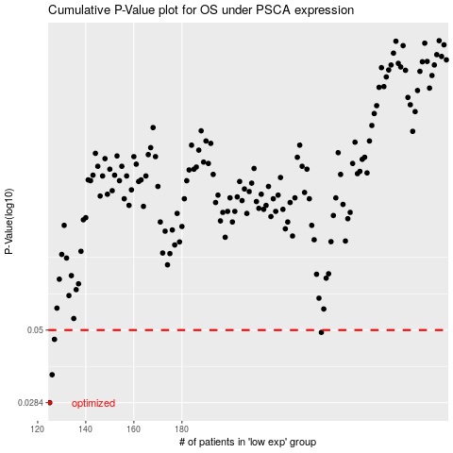

 |  |  |  |  |  | cases_OS | p_OS | rank | exp
 |  |  |  |  |  | 125 | 0.0284 | 234 | -0.32631881669
 |  |  |  |  |  | 126 | 0.0353 | 105 | -0.32623963812
 |  |  |  |  |  | 127 | 0.0465 | 262 | -0.32598682146
 |  |  |  |  |  | 238 | 0.0491 | 83 | -0.27459362739
 |  |  |  |  |  |  | cases_RFS | p_RFS | rank | exp
 |  |  |  |  |  |  |  | 0.0284 | 254 | -0.32632244781
 |  |  |  |  |  |  | 125 | 0.0353 | 234 | -0.32631881669
 |  |  |  |  |  |  | 126 | 0.0465 | 105 | -0.32623963812
 |  |  |  |  |  |  | 237 | 0.0491 | 227 | -0.27478774096

