PSD3 _multivariate
Reported by Tex Li-Hsing Chi. tex@gate.sinica.edu.tw 2019-08-16

Table 2. The clinicopathological features of HNSCC cohort and PSD3 expression. (Chi square test)
Cutoff at -0.371 (49.8%)
 |  | PSD3 expression |  | PSD3 expression |  | (Optimised)
 | Features | Low | (%) | High | (%) | Case no | P-value | Remark | Matthews
Gender | Female | 149 | 35.9 | 157 | 37.8 | 415 | 0.4848 | 0 | 0
2 | Male | 58 | 14 | 51 | 12.3
Age at diagnosis | <=65y | 134 | 32.3 | 140 | 33.7 | 415 | 0.6529 | 0 | 0
4 | >65y | 73 | 17.6 | 68 | 16.4
Clinical T Status | T1+T2 | 72 | 17.3 | 77 | 18.6 | 415 | 0.7095 | 0 | 0
6 | T3+T4 | 135 | 32.5 | 131 | 31.6
Clinical N Status | N0 | 100 | 24.1 | 116 | 28 | 415 | 0.1548 | 0 | 0
8 | N1-3 | 107 | 25.8 | 92 | 22.2
Clinical M Status | M0 | 204 | 49.2 | 208 | 50.1 | 415 | 0.1232 | 0 | 0
10 | M1 | 3 | 0.7 | 0 | 0
Clinical Stage | Stage I+II | 49 | 11.8 | 53 | 12.8 | 415 | 0.7535 | 0 | 0
12 | Stage III+IV | 158 | 38.1 | 155 | 37.3
Surgical Margin status | Negative | 154 | 37.1 | 164 | 39.5 | 415 | 0.2984 | 0 | 0
14 | Positive | 53 | 12.8 | 44 | 10.6
Tobacco Exposure | Low | 94 | 22.7 | 67 | 16.1 | 415 | 0.0065 | 1 | 0
16 | High | 113 | 27.2 | 141 | 34

Table 3. Univariate/Multivariate Cox's proportional hazards regression analyses on OS time of PSD3 gene expression in HNSCC

 |  | Univariate |  |  |  | Multivariate
 | Features | HR | CI95%(L) | CI95%(H) | P-value | HR | CI95%(L) | CI95%(H) | P-value
1 | Female | 1 |  |  |  | 1
Gender | Male | 1.157 | 0.843 | 1.587 | 0.367 | 1.175 | 0.838 | 1.647 | 0.349
11 | <=65y | 1 |  |  |  | 1
Age at diagnosis | >65y | 1.329 | 0.99 | 1.784 | 0.058 | 1.396 | 1.027 | 1.897 | 0.033
12 | T1+T2 | 1 |  |  |  | 1
Clinical T Status | T3+T4 | 1.409 | 1.028 | 1.931 | 0.033 | 2.143 | 1.131 | 4.06 | 0.019
13 | N0 | 1 |  |  |  | 1
Clinical N Status | N1-3 | 1.185 | 0.89 | 1.577 | 0.246 | 1.228 | 0.86 | 1.752 | 0.258
14 | M0 | 1 |  |  |  | 1
Clinical M Status | M1 | 4.097 | 1.009 | 16.644 | 0.049 | 8.446 | 1.821 | 39.172 | 0.006
15 | Stage I+II | 1 |  |  |  | 1
Clinical Stage | Stage III+IV | 1.245 | 0.882 | 1.759 | 0.213 | 0.523 | 0.243 | 1.127 | 0.098
16 | Negative | 1 |  |  |  | 1
Surgical Margin status | Positive | 1.591 | 1.155 | 2.191 | 0.004 | 1.646 | 1.19 | 2.276 | 0.003
17 | Low | 1 |  |  |  | 1
Tobacco Exposure | High | 1.364 | 1.008 | 1.844 | 0.044 | 1.488 | 1.076 | 2.058 | 0.016
18 | Low | 1 |  |  |  | 1
RNAseq(z-score) | High | 0.821 | 0.615 | 1.096 | 0.181 | 0.85 | 0.63 | 1.147 | 0.287

Table 4. Univariate/Multivariate Cox's proportional hazards regression analyses on RFS time of PSD3 gene expression in HNSCC

 |  | Univariate |  |  |  | Multivariate
 | Features | HR | CI95%(L) | CI95%(H) | P-value | HR | CI95%(L) | CI95%(H) | P-value
1 | Female | 1 |  |  |  | 1
Gender | Male | 1.157 | 0.843 | 1.587 | 0.367 | 1.175 | 0.838 | 1.647 | 0.349
11 | <=65y | 1 |  |  |  | 1
Age at diagnosis | >65y | 1.329 | 0.99 | 1.784 | 0.058 | 1.396 | 1.027 | 1.897 | 0.033
12 | T1+T2 | 1 |  |  |  | 1
Clinical T Status | T3+T4 | 1.409 | 1.028 | 1.931 | 0.033 | 2.143 | 1.131 | 4.06 | 0.019
13 | N0 | 1 |  |  |  | 1
Clinical N Status | N1-3 | 1.185 | 0.89 | 1.577 | 0.246 | 1.228 | 0.86 | 1.752 | 0.258
14 | M0 | 1 |  |  |  | 1
Clinical M Status | M1 | 4.097 | 1.009 | 16.644 | 0.049 | 8.446 | 1.821 | 39.172 | 0.006
15 | Stage I+II | 1 |  |  |  | 1
Clinical Stage | Stage III+IV | 1.245 | 0.882 | 1.759 | 0.213 | 0.523 | 0.243 | 1.127 | 0.098
16 | Negative | 1 |  |  |  | 1
Surgical Margin status | Positive | 1.591 | 1.155 | 2.191 | 0.004 | 1.646 | 1.19 | 2.276 | 0.003
17 | Low | 1 |  |  |  | 1
Tobacco Exposure | High | 1.364 | 1.008 | 1.844 | 0.044 | 1.488 | 1.076 | 2.058 | 0.016
18 | Low | 1 |  |  |  | 1
RNAseq(z-score) | High | 0.821 | 0.615 | 1.096 | 0.181 | 0.85 | 0.63 | 1.147 | 0.287

Kaplan-Meier survival estimate: Cutoff at -0.371 (49.8%)



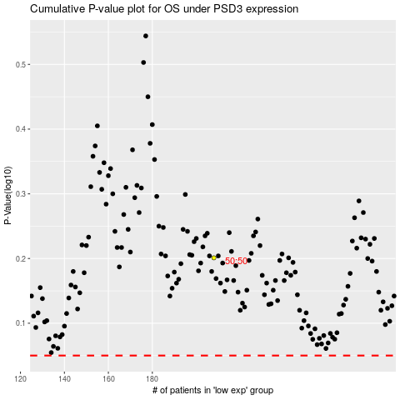

 |  |  |  |  |  | cases_OS | p_OS | rank | exp
 |  |  |  |  |  |  | cases_RFS | p_RFS | rank | exp

