PSEN2 _multivariate
Reported by Tex Li-Hsing Chi. tex@gate.sinica.edu.tw 2019-08-16

Table 2. The clinicopathological features of HNSCC cohort and PSEN2 expression. (Chi square test)
Cutoff at -0.187 (50.0%)
 |  | PSEN2 expression |  | PSEN2 expression |  | (Optimised)
 | Features | Low | (%) | High | (%) | Case no | P-value | Remark | Matthews
Gender | Female | 165 | 39.8 | 141 | 34 | 415 | 0.0081 | 1 | 0
2 | Male | 42 | 10.1 | 67 | 16.1
Age at diagnosis | <=65y | 143 | 34.5 | 131 | 31.6 | 415 | 0.2269 | 0 | 0
4 | >65y | 64 | 15.4 | 77 | 18.6
Clinical T Status | T1+T2 | 73 | 17.6 | 76 | 18.3 | 415 | 0.8666 | 0 | 0
6 | T3+T4 | 134 | 32.3 | 132 | 31.8
Clinical N Status | N0 | 105 | 25.3 | 111 | 26.7 | 415 | 0.6598 | 0 | 0
8 | N1-3 | 102 | 24.6 | 97 | 23.4
Clinical M Status | M0 | 206 | 49.6 | 206 | 49.6 | 415 | 1 | 0 | 0
10 | M1 | 1 | 0.2 | 2 | 0.5
Clinical Stage | Stage I+II | 49 | 11.8 | 53 | 12.8 | 415 | 0.7535 | 0 | 0
12 | Stage III+IV | 158 | 38.1 | 155 | 37.3
Surgical Margin status | Negative | 158 | 38.1 | 160 | 38.6 | 415 | 0.9081 | 0 | 0
14 | Positive | 49 | 11.8 | 48 | 11.6
Tobacco Exposure | Low | 65 | 15.7 | 96 | 23.1 | 415 | 0.0025 | 1 | 0
16 | High | 142 | 34.2 | 112 | 27

Table 3. Univariate/Multivariate Cox's proportional hazards regression analyses on OS time of PSEN2 gene expression in HNSCC

 |  | Univariate |  |  |  | Multivariate
 | Features | HR | CI95%(L) | CI95%(H) | P-value | HR | CI95%(L) | CI95%(H) | P-value
1 | Female | 1 |  |  |  | 1
Gender | Male | 1.157 | 0.843 | 1.587 | 0.367 | 1.17 | 0.834 | 1.64 | 0.364
11 | <=65y | 1 |  |  |  | 1
Age at diagnosis | >65y | 1.329 | 0.99 | 1.784 | 0.058 | 1.401 | 1.031 | 1.905 | 0.031
12 | T1+T2 | 1 |  |  |  | 1
Clinical T Status | T3+T4 | 1.409 | 1.028 | 1.931 | 0.033 | 2.212 | 1.17 | 4.181 | 0.015
13 | N0 | 1 |  |  |  | 1
Clinical N Status | N1-3 | 1.185 | 0.89 | 1.577 | 0.246 | 1.247 | 0.874 | 1.779 | 0.224
14 | M0 | 1 |  |  |  | 1
Clinical M Status | M1 | 4.097 | 1.009 | 16.644 | 0.049 | 8.94 | 1.944 | 41.119 | 0.005
15 | Stage I+II | 1 |  |  |  | 1
Clinical Stage | Stage III+IV | 1.245 | 0.882 | 1.759 | 0.213 | 0.507 | 0.236 | 1.088 | 0.081
16 | Negative | 1 |  |  |  | 1
Surgical Margin status | Positive | 1.591 | 1.155 | 2.191 | 0.004 | 1.665 | 1.206 | 2.301 | 0.002
17 | Low | 1 |  |  |  | 1
Tobacco Exposure | High | 1.364 | 1.008 | 1.844 | 0.044 | 1.481 | 1.073 | 2.044 | 0.017
18 | Low | 1 |  |  |  | 1
RNAseq(z-score) | High | 1.118 | 0.839 | 1.489 | 0.446 | 1.158 | 0.861 | 1.557 | 0.331

Table 4. Univariate/Multivariate Cox's proportional hazards regression analyses on RFS time of PSEN2 gene expression in HNSCC

 |  | Univariate |  |  |  | Multivariate
 | Features | HR | CI95%(L) | CI95%(H) | P-value | HR | CI95%(L) | CI95%(H) | P-value
1 | Female | 1 |  |  |  | 1
Gender | Male | 1.157 | 0.843 | 1.587 | 0.367 | 1.17 | 0.834 | 1.64 | 0.364
11 | <=65y | 1 |  |  |  | 1
Age at diagnosis | >65y | 1.329 | 0.99 | 1.784 | 0.058 | 1.401 | 1.031 | 1.905 | 0.031
12 | T1+T2 | 1 |  |  |  | 1
Clinical T Status | T3+T4 | 1.409 | 1.028 | 1.931 | 0.033 | 2.212 | 1.17 | 4.181 | 0.015
13 | N0 | 1 |  |  |  | 1
Clinical N Status | N1-3 | 1.185 | 0.89 | 1.577 | 0.246 | 1.247 | 0.874 | 1.779 | 0.224
14 | M0 | 1 |  |  |  | 1
Clinical M Status | M1 | 4.097 | 1.009 | 16.644 | 0.049 | 8.94 | 1.944 | 41.119 | 0.005
15 | Stage I+II | 1 |  |  |  | 1
Clinical Stage | Stage III+IV | 1.245 | 0.882 | 1.759 | 0.213 | 0.507 | 0.236 | 1.088 | 0.081
16 | Negative | 1 |  |  |  | 1
Surgical Margin status | Positive | 1.591 | 1.155 | 2.191 | 0.004 | 1.665 | 1.206 | 2.301 | 0.002
17 | Low | 1 |  |  |  | 1
Tobacco Exposure | High | 1.364 | 1.008 | 1.844 | 0.044 | 1.481 | 1.073 | 2.044 | 0.017
18 | Low | 1 |  |  |  | 1
RNAseq(z-score) | High | 1.118 | 0.839 | 1.489 | 0.446 | 1.158 | 0.861 | 1.557 | 0.331

Kaplan-Meier survival estimate: Cutoff at -0.187 (50.0%)



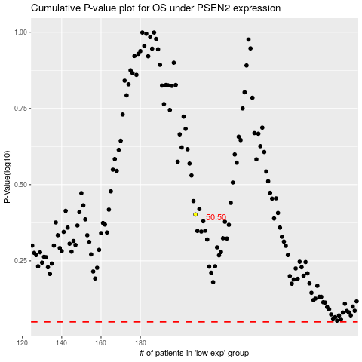

 |  |  |  |  |  | cases_OS | p_OS | rank | exp
 |  |  |  |  |  |  | cases_RFS | p_RFS | rank | exp

