PSG5 _multivariate
Reported by Tex Li-Hsing Chi. tex@gate.sinica.edu.tw 2019-08-16

Table 2. The clinicopathological features of HNSCC cohort and PSG5 expression. (Chi square test)
Cutoff at -0.124 (50.0%)
 |  | PSG5 expression |  | PSG5 expression |  | (Optimised)
 | Features | Low | (%) | High | (%) | Case no | P-value | Remark | Matthews
Gender | Female | 156 | 37.6 | 150 | 36.1 | 415 | 0.5222 | 0 | 0
2 | Male | 51 | 12.3 | 58 | 14
Age at diagnosis | <=65y | 139 | 33.5 | 135 | 32.5 | 415 | 0.7044 | 0 | 0
4 | >65y | 68 | 16.4 | 73 | 17.6
Clinical T Status | T1+T2 | 73 | 17.6 | 76 | 18.3 | 415 | 0.8666 | 0 | 0
6 | T3+T4 | 134 | 32.3 | 132 | 31.8
Clinical N Status | N0 | 101 | 24.3 | 115 | 27.7 | 415 | 0.2201 | 0 | 0
8 | N1-3 | 106 | 25.5 | 93 | 22.4
Clinical M Status | M0 | 206 | 49.6 | 206 | 49.6 | 415 | 1 | 0 | 0
10 | M1 | 1 | 0.2 | 2 | 0.5
Clinical Stage | Stage I+II | 46 | 11.1 | 56 | 13.5 | 415 | 0.3182 | 0 | 0
12 | Stage III+IV | 161 | 38.8 | 152 | 36.6
Surgical Margin status | Negative | 161 | 38.8 | 157 | 37.8 | 415 | 0.6429 | 0 | 0
14 | Positive | 46 | 11.1 | 51 | 12.3
Tobacco Exposure | Low | 70 | 16.9 | 91 | 21.9 | 415 | 0.0439 | 1 | 0
16 | High | 137 | 33 | 117 | 28.2

Table 3. Univariate/Multivariate Cox's proportional hazards regression analyses on OS time of PSG5 gene expression in HNSCC

 |  | Univariate |  |  |  | Multivariate
 | Features | HR | CI95%(L) | CI95%(H) | P-value | HR | CI95%(L) | CI95%(H) | P-value
1 | Female | 1 |  |  |  | 1
Gender | Male | 1.157 | 0.843 | 1.587 | 0.367 | 1.206 | 0.863 | 1.685 | 0.272
11 | <=65y | 1 |  |  |  | 1
Age at diagnosis | >65y | 1.329 | 0.99 | 1.784 | 0.058 | 1.388 | 1.021 | 1.886 | 0.036
12 | T1+T2 | 1 |  |  |  | 1
Clinical T Status | T3+T4 | 1.409 | 1.028 | 1.931 | 0.033 | 2.202 | 1.165 | 4.161 | 0.015
13 | N0 | 1 |  |  |  | 1
Clinical N Status | N1-3 | 1.185 | 0.89 | 1.577 | 0.246 | 1.257 | 0.88 | 1.794 | 0.208
14 | M0 | 1 |  |  |  | 1
Clinical M Status | M1 | 4.097 | 1.009 | 16.644 | 0.049 | 8.757 | 1.904 | 40.275 | 0.005
15 | Stage I+II | 1 |  |  |  | 1
Clinical Stage | Stage III+IV | 1.245 | 0.882 | 1.759 | 0.213 | 0.517 | 0.241 | 1.111 | 0.091
16 | Negative | 1 |  |  |  | 1
Surgical Margin status | Positive | 1.591 | 1.155 | 2.191 | 0.004 | 1.668 | 1.207 | 2.303 | 0.002
17 | Low | 1 |  |  |  | 1
Tobacco Exposure | High | 1.364 | 1.008 | 1.844 | 0.044 | 1.487 | 1.077 | 2.053 | 0.016
18 | Low | 1 |  |  |  | 1
RNAseq(z-score) | High | 1.176 | 0.883 | 1.566 | 0.268 | 1.229 | 0.917 | 1.647 | 0.169

Table 4. Univariate/Multivariate Cox's proportional hazards regression analyses on RFS time of PSG5 gene expression in HNSCC

 |  | Univariate |  |  |  | Multivariate
 | Features | HR | CI95%(L) | CI95%(H) | P-value | HR | CI95%(L) | CI95%(H) | P-value
1 | Female | 1 |  |  |  | 1
Gender | Male | 1.157 | 0.843 | 1.587 | 0.367 | 1.206 | 0.863 | 1.685 | 0.272
11 | <=65y | 1 |  |  |  | 1
Age at diagnosis | >65y | 1.329 | 0.99 | 1.784 | 0.058 | 1.388 | 1.021 | 1.886 | 0.036
12 | T1+T2 | 1 |  |  |  | 1
Clinical T Status | T3+T4 | 1.409 | 1.028 | 1.931 | 0.033 | 2.202 | 1.165 | 4.161 | 0.015
13 | N0 | 1 |  |  |  | 1
Clinical N Status | N1-3 | 1.185 | 0.89 | 1.577 | 0.246 | 1.257 | 0.88 | 1.794 | 0.208
14 | M0 | 1 |  |  |  | 1
Clinical M Status | M1 | 4.097 | 1.009 | 16.644 | 0.049 | 8.757 | 1.904 | 40.275 | 0.005
15 | Stage I+II | 1 |  |  |  | 1
Clinical Stage | Stage III+IV | 1.245 | 0.882 | 1.759 | 0.213 | 0.517 | 0.241 | 1.111 | 0.091
16 | Negative | 1 |  |  |  | 1
Surgical Margin status | Positive | 1.591 | 1.155 | 2.191 | 0.004 | 1.668 | 1.207 | 2.303 | 0.002
17 | Low | 1 |  |  |  | 1
Tobacco Exposure | High | 1.364 | 1.008 | 1.844 | 0.044 | 1.487 | 1.077 | 2.053 | 0.016
18 | Low | 1 |  |  |  | 1
RNAseq(z-score) | High | 1.176 | 0.883 | 1.566 | 0.268 | 1.229 | 0.917 | 1.647 | 0.169

Kaplan-Meier survival estimate: Cutoff at -0.124 (50.0%)



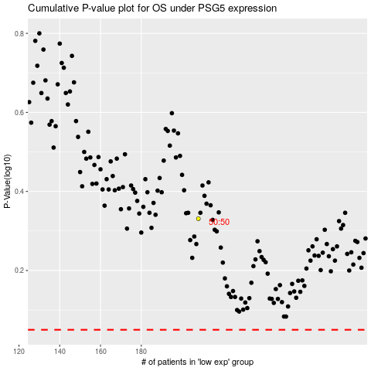

 |  |  |  |  |  | cases_OS | p_OS | rank | exp
 |  |  |  |  |  |  | cases_RFS | p_RFS | rank | exp

