PSIP1 _multivariate
Reported by Tex Li-Hsing Chi. tex@gate.sinica.edu.tw 2019-08-16

Table 2. The clinicopathological features of HNSCC cohort and PSIP1 expression. (Chi square test)
Cutoff at -0.332 (49.8%)
 |  | PSIP1 expression |  | PSIP1 expression |  | (Optimised)
 | Features | Low | (%) | High | (%) | Case no | P-value | Remark | Matthews
Gender | Female | 153 | 36.9 | 153 | 36.9 | 415 | 1 | 0 | 0
2 | Male | 54 | 13 | 55 | 13.3
Age at diagnosis | <=65y | 142 | 34.2 | 132 | 31.8 | 415 | 0.3167 | 0 | 0
4 | >65y | 65 | 15.7 | 76 | 18.3
Clinical T Status | T1+T2 | 66 | 15.9 | 83 | 20 | 415 | 0.1095 | 0 | 0
6 | T3+T4 | 141 | 34 | 125 | 30.1
Clinical N Status | N0 | 111 | 26.7 | 105 | 25.3 | 415 | 0.5875 | 0 | 0
8 | N1-3 | 96 | 23.1 | 103 | 24.8
Clinical M Status | M0 | 205 | 49.4 | 207 | 49.9 | 415 | 0.6232 | 0 | 0
10 | M1 | 2 | 0.5 | 1 | 0.2
Clinical Stage | Stage I+II | 49 | 11.8 | 53 | 12.8 | 415 | 0.7535 | 0 | 0
12 | Stage III+IV | 158 | 38.1 | 155 | 37.3
Surgical Margin status | Negative | 167 | 40.2 | 151 | 36.4 | 415 | 0.0632 | 0 | 0
14 | Positive | 40 | 9.6 | 57 | 13.7
Tobacco Exposure | Low | 73 | 17.6 | 88 | 21.2 | 415 | 0.1587 | 0 | 0
16 | High | 134 | 32.3 | 120 | 28.9

Table 3. Univariate/Multivariate Cox's proportional hazards regression analyses on OS time of PSIP1 gene expression in HNSCC

 |  | Univariate |  |  |  | Multivariate
 | Features | HR | CI95%(L) | CI95%(H) | P-value | HR | CI95%(L) | CI95%(H) | P-value
1 | Female | 1 |  |  |  | 1
Gender | Male | 1.157 | 0.843 | 1.587 | 0.367 | 1.231 | 0.881 | 1.72 | 0.224
11 | <=65y | 1 |  |  |  | 1
Age at diagnosis | >65y | 1.329 | 0.99 | 1.784 | 0.058 | 1.378 | 1.014 | 1.874 | 0.041
12 | T1+T2 | 1 |  |  |  | 1
Clinical T Status | T3+T4 | 1.409 | 1.028 | 1.931 | 0.033 | 2.356 | 1.241 | 4.472 | 0.009
13 | N0 | 1 |  |  |  | 1
Clinical N Status | N1-3 | 1.185 | 0.89 | 1.577 | 0.246 | 1.234 | 0.865 | 1.76 | 0.245
14 | M0 | 1 |  |  |  | 1
Clinical M Status | M1 | 4.097 | 1.009 | 16.644 | 0.049 | 10.914 | 2.361 | 50.456 | 0.002
15 | Stage I+II | 1 |  |  |  | 1
Clinical Stage | Stage III+IV | 1.245 | 0.882 | 1.759 | 0.213 | 0.487 | 0.227 | 1.047 | 0.065
16 | Negative | 1 |  |  |  | 1
Surgical Margin status | Positive | 1.591 | 1.155 | 2.191 | 0.004 | 1.629 | 1.178 | 2.254 | 0.003
17 | Low | 1 |  |  |  | 1
Tobacco Exposure | High | 1.364 | 1.008 | 1.844 | 0.044 | 1.492 | 1.082 | 2.057 | 0.015
18 | Low | 1 |  |  |  | 1
RNAseq(z-score) | High | 1.247 | 0.935 | 1.662 | 0.133 | 1.329 | 0.99 | 1.784 | 0.058

Table 4. Univariate/Multivariate Cox's proportional hazards regression analyses on RFS time of PSIP1 gene expression in HNSCC

 |  | Univariate |  |  |  | Multivariate
 | Features | HR | CI95%(L) | CI95%(H) | P-value | HR | CI95%(L) | CI95%(H) | P-value
1 | Female | 1 |  |  |  | 1
Gender | Male | 1.157 | 0.843 | 1.587 | 0.367 | 1.231 | 0.881 | 1.72 | 0.224
11 | <=65y | 1 |  |  |  | 1
Age at diagnosis | >65y | 1.329 | 0.99 | 1.784 | 0.058 | 1.378 | 1.014 | 1.874 | 0.041
12 | T1+T2 | 1 |  |  |  | 1
Clinical T Status | T3+T4 | 1.409 | 1.028 | 1.931 | 0.033 | 2.356 | 1.241 | 4.472 | 0.009
13 | N0 | 1 |  |  |  | 1
Clinical N Status | N1-3 | 1.185 | 0.89 | 1.577 | 0.246 | 1.234 | 0.865 | 1.76 | 0.245
14 | M0 | 1 |  |  |  | 1
Clinical M Status | M1 | 4.097 | 1.009 | 16.644 | 0.049 | 10.914 | 2.361 | 50.456 | 0.002
15 | Stage I+II | 1 |  |  |  | 1
Clinical Stage | Stage III+IV | 1.245 | 0.882 | 1.759 | 0.213 | 0.487 | 0.227 | 1.047 | 0.065
16 | Negative | 1 |  |  |  | 1
Surgical Margin status | Positive | 1.591 | 1.155 | 2.191 | 0.004 | 1.629 | 1.178 | 2.254 | 0.003
17 | Low | 1 |  |  |  | 1
Tobacco Exposure | High | 1.364 | 1.008 | 1.844 | 0.044 | 1.492 | 1.082 | 2.057 | 0.015
18 | Low | 1 |  |  |  | 1
RNAseq(z-score) | High | 1.247 | 0.935 | 1.662 | 0.133 | 1.329 | 0.99 | 1.784 | 0.058

Kaplan-Meier survival estimate: Cutoff at -0.332 (49.8%)



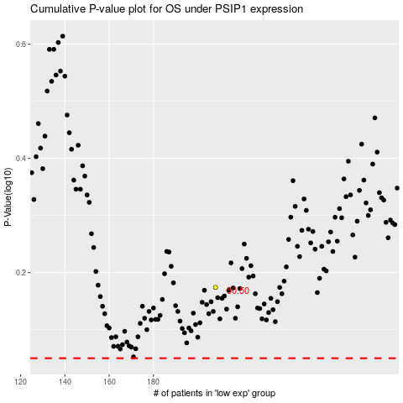

 |  |  |  |  |  | cases_OS | p_OS | rank | exp
 |  |  |  |  |  |  | cases_RFS | p_RFS | rank | exp

